TC List
Test Case List
TR ID | TC ID | TC Description | Pre-Condition | Steps | Expected Result | Pictures | Note
Demo 53Pizza website
Add Items
TR - AI001 | TC - AI002 | Verify that user can edit quantity of items in 'Item View' page |  | 1. Navigate to 'https://demo-53.woovinapro.com/' 2. Select 1 item in 'home page' 3. Click on '+' link next to 'Add to cart' button 3 times 4. Click on 'Add to cart' button 5. Click on 'Go to cart' button 6. Verify 'Shopping Cart' page displays with correct quantity | 1. Demo 53Pizza home page displays 3. Verify quantity of item count is 3 4. Verify added item successfully 5. Verify 'Shopping Cart' page displays |  | 2. Wait for a lot of times or sometimes it does not work if your computer has problem with connecting the internet 3. Have one Bug: The data for "quantity of items" saved even though you closing the website
Delete Items
TR - DI001 | TC - DI001 | Verify that user can delete 1 items in the shopping cart |  | 1. Navigate to 'https://demo-53.woovinapro.com/' 2. Select 1 item in 'home page' 3. Click on 'Add to cart' button 4. Click on 'Go to cart' button 5. Verify 'shopping cart' page displays with correct quantity 6. Delete all items in the cart | 1. Demo 53Pizza home page displays 3. Verify added item successfully 4. Verify 'Shopping Cart' page displays 6. Verify items removed successfully | 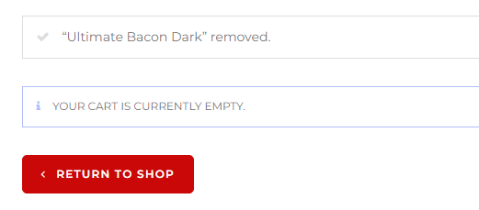 | 2. Wait for a lot of times or sometimes it does not work if your computer has problem with connecting the internet 3. The data of TCs1 is already existed so it will displays the quantity of items is "4"
Wishlist Items
TR - WI001 | TC - WI001 | Verify that warning message displays when user delete 1 wishlist item |  | 1. Navigate to 'https://demo-53.woovinapro.com/' 2. Select 1 item in 'home page' 3. Click on 'wishlist' icon 4. Click on 'View wishlist' button 5. Click on 'x' icon | 1. Demo 53Pizza home page displays 3. Verify added item to 'wishlist item' successfully 4. Verify 'Wishlist item' page displays 5. Verify 'Something went wrong' message displays | 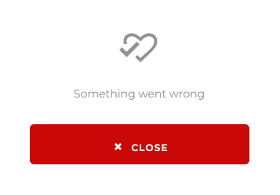 | 4. Have one Bug on 'Wishlist item' page displays incorrect item you selected in step 2 (eg: you select 'Bacon Dark' item in wishlist but the 'Wishlist' page dislays 'Smoker Brisket' item)
Search Item
TR - SI001 | TC - SI001 | Verify that user add multiple items to cart when user inputs 5 characters on 'Search' textbox on 'Blog' page |  | 1. Navigate to 'https://demo-53.woovinapro.com/' 2. Click on 'Blog' button on Menu Board 3. Enter 5 characters on 'Search' textbox (eg: Bacon) 4. Press 'Enter' on keyboard 5. Add 3 certain items to cart 6. Verify 3 added items displays in Shopping Cart | 1. Demo 53Pizza home page displays 2. 'Blog' page displays 4. Verify 'Search result' displays 5. Verify add item successfully | 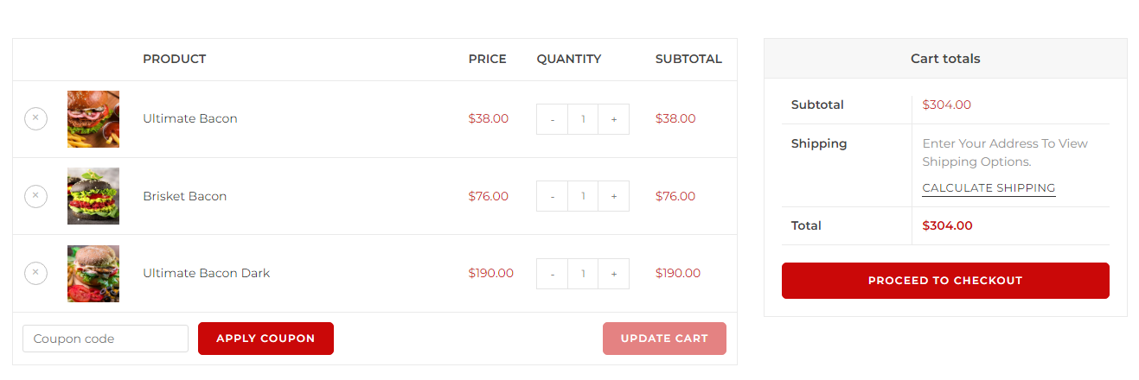
TR - SI002 | TC - SI002 | Verify that warning message displays when user enters 2 different invalid keyword in 'Search' textbox on 'Blog' page |  | 1. Navigate to 'https://demo-53.woovinapro.com/' 2. Click on 'Blog' button on Menu Board 3. Enter 9 characters on 'Search' textbox (eg: Spaghetti) 4. Repeat from step 3 - 2 times with different data | 1. Demo 53Pizza home page displays 2. 'Blog' page displays 3. Verify warning 'NO PRODUCTS WERE FOUND MATCHING YOUR SELECTION' displays
Contact Us
TR - CU001 | TC - CU001 | Verify that user can send to admin a message in "Contact Us" page | _Run 1 time to check 'Contact' page has bug or not: _If it has warning message: Please run TCs7 - TC - CU002 _If it does not have warning message: Please run TCs5 - TC - CU001 - Use any characters to check bug 'Your Name' field (eg: Pham) - Use any characters to check bug 'Your Mail' field (eg: hi12@gmail.com) - Use any characters to check bug 'Subject' field (eg: bad food) - Use any characters to check bug 'Message' field (eg: love you) | 1. Navigate to 'https://demo-53.woovinapro.com/' 2. Click on 'Contact' button on Menu Board 3. Enter 'Your Name' field (eg: Pham) 4. Enter 'Your Mail' field (eg: hi12@gmail.com) 5. Enter 'Subject' field (eg: bad food) 6. Enter 'Message' field (eg: love you) 7. Click on 'Also subcrisbe us' checkbox 8. Repeat from step 3 to step 6 - 3 times with different data 9. Click on 'Send Messenge' button | 1. Demo 53Pizza home page displays 2. 'Contact Us' page displays 9. Verify 'Thanks for contacting us! We will be in touch with you shortly.' displays | 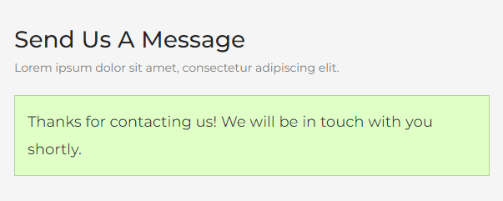 | 9. Have one Bug: After executing test case 25 times. There is 'Confirm Mail' field appears next to 'Your Mai' field. Eventhough you re-enter valid your mail but it can not send message.
TR - CU002 | TC - CU002 | Verify that warning message displays when users send to admin a message in 'Contact Us' page |  | 1. Navigate to 'https://demo-53.woovinapro.com/' 2. Click on 'Contact' button on Menu Board 3. Enter 'Your Name' field (eg: Pham) 4. Enter 'Your Mail' field (eg: hi12@gmail.com) 5. Enter 'Subject' field (eg: bad food) 6. Enter 'Message' field (eg: love you) 7. Click on 'Also subcrisbe us' checkbox 8. Repeat from step 3 to step 6 - 2 times with different data 9. Enter 'Confirm Mail' field (eg: use the same value from step 4) 10. Click on 'Send Messenge' button | 1. Demo 53Pizza home page displays 2. 'Contact Us' page displays 9. Verify warning 'Please wait a little longer before submitting. We're running a quick security check.' displays | 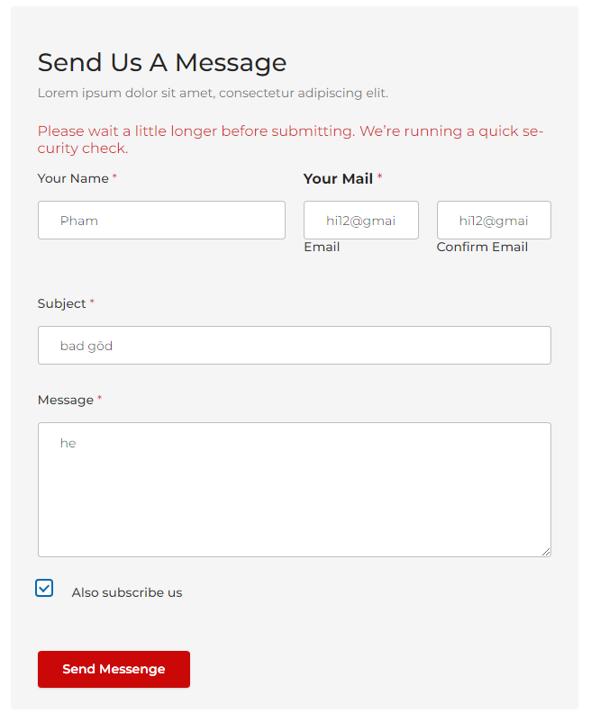
LUMA Website
Create Address
TR - CA001 | TC - CA001 | Verify that user can create 3 new addresses | Using an account: _Use 'email' address: hello88888@gmail.com _ Use 'password': hellonguyen12! | 1. Navigate to 'https://magento.softwaretestingboard.com/' 2. Click on 'Sign in' on Menu board 3. Login 4. Click on 'Dropdown' button in the header of the page 5. Select 'My Account' option 6. Click on 'Address Book' field 7. Click on 'Add New Address' button 8. Enter 'Phone Number' textbox (eg:12345678) 9. Enter 'Street Address' textbox (eg: nguyen hue) 10. Enter 'City' textbox (eg: HCM) 11. Enter 'State/Province' textbox (eg: Sai Gon) 12. Select 'VietNam' option on 'Country' field (eg: Viet Nam) 13. Click on 'Save Address' button 14. Repeat from step 7 to 13 - 3 times with different data | 1. Luma home page displays 5. Verify 'My Account' page displays 13. Verify message 'You saved the address.' dislays | 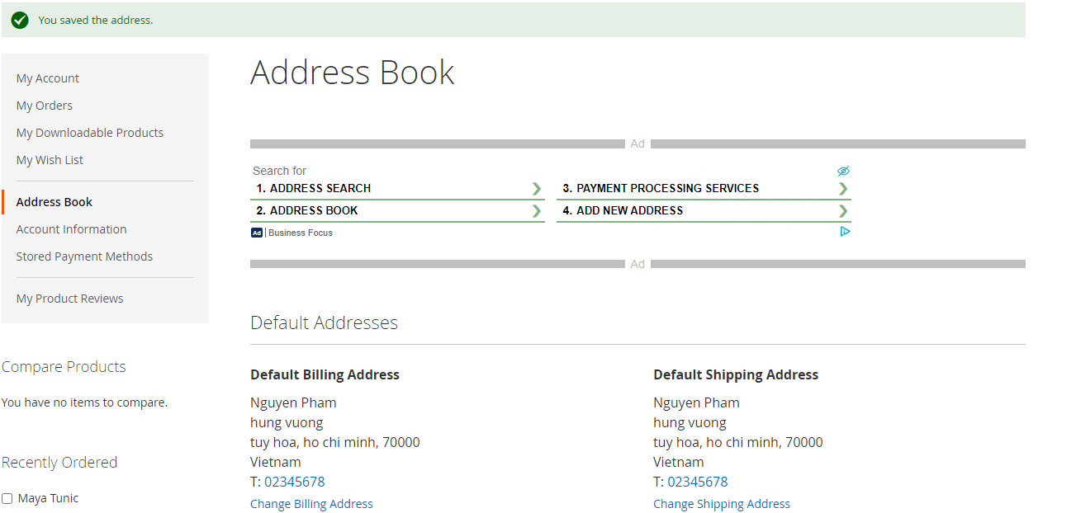 | 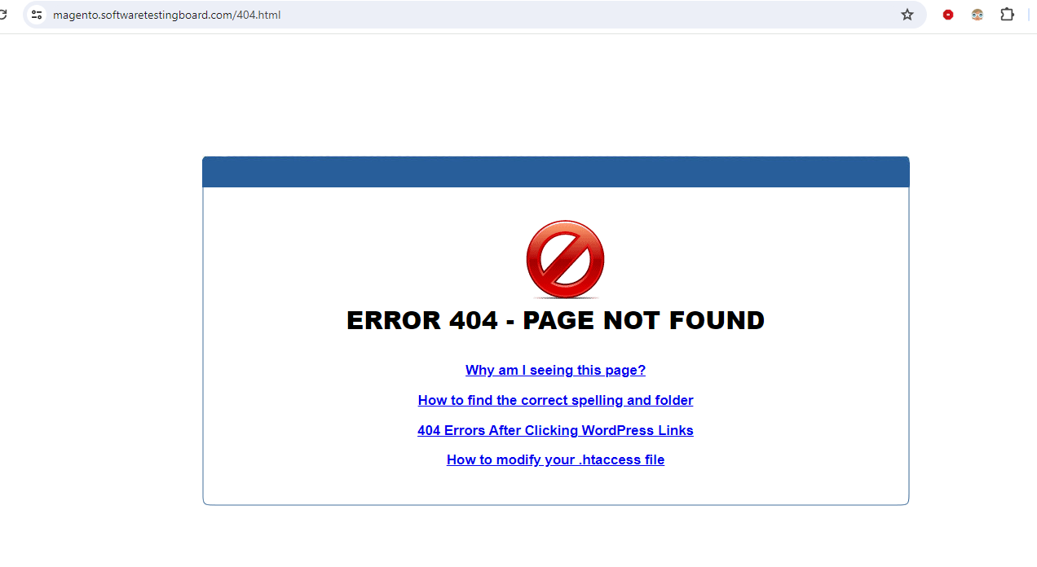 1. Have one bug: The error message: "404 - PAGE NOT FOUND" when users navigate the website too much times
Make Orders
TR - MO001 | TC - MO001 | Verify that user can make order with 1 item successfully | Using an account: _Use 'email' address: hello88888@gmail.com _ Use 'password': hellonguyen12! | 1. Navigate to 'https://magento.softwaretestingboard.com/' 2. Login 3. Click on 'Woman' section on menu bar 4. Select 1 item 5. Choose Size (eg: XS) 6. Choose Color (eg: Yellow) 7. Choose Quantity (eg: 3) 8. Click on 'Add to cart' button 9. Click on 'Shopping Car' link 10. Click on 'Proceed to checkout' button 11. Click on 'Next' button 12. Click on 'Place order' | 1. Luma home pgae displays 3. 'Woman' page dislays 8. Verify message 'You added item to your shopping cart' displays 9. 'Shopping cart' page displays 12. Verify message 'Thank you your purchase!' dislays | 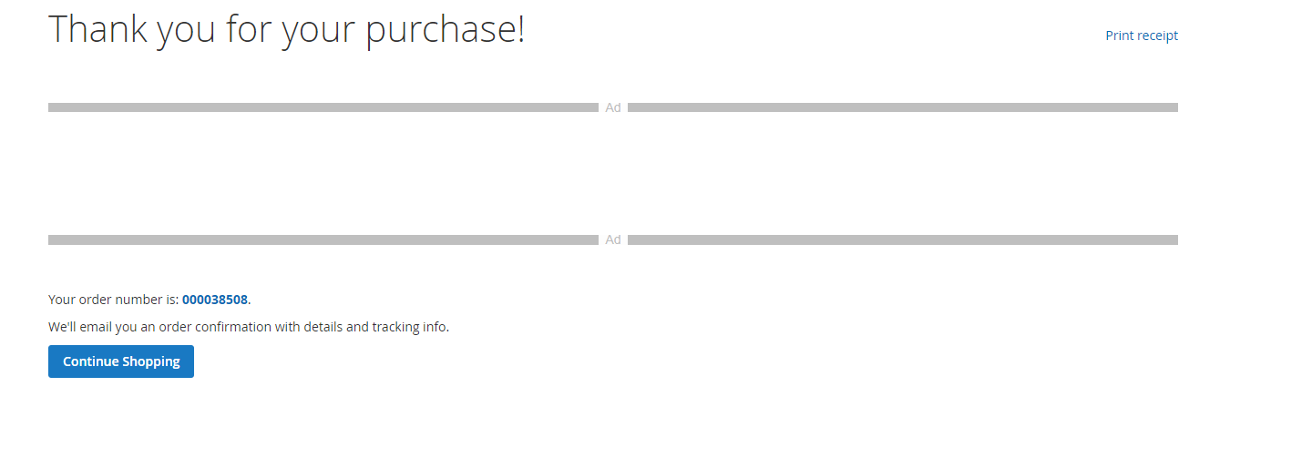 | 1. Have the same bug of TC - MO001 8_Have one Bug: The error message :"There has been an error processing your request" displays when you send requests too much time.
Review items
TR - RI001 | TC - RI001 | Verify that user can send review of item | Using an account: _Use 'email' address: hello88888@gmail.com _ Use 'password': hellonguyen12! | 1. Navigate to 'https://magento.softwaretestingboard.com/' 2. Login 3. Select 1 item 4. Click on 'Review' table 5. Click on 'Rating' button (eg: 2 Start) 6. Enter 'Summary' field (eg: Not Bad) 7. Enter 'Review' field (eg: expensive) 8. Click on 'Submit Review' button 9. Repeat fromt step 4 to 8 - 3 times with different data | 1. Luma home pgae displays 4. 'Review' table displays 9. Verify message 'You submitted your review for moderation' displays |  | 1. Have the same bug of TC - MO001
Youtube
Like Video
TR - LV001 | TC - LV001 | Verify that user can play all videos in 'Liked videos' page | Using an account: _Use 'email': phamdangnguyen9999@gmail.com _Use 'password': 01227424BCN | 1. Navigate to 'https://www.youtube.com/' 2. Login 3. Enter any name of video on 'Search' button (eg: anti hero) 4. Click on 'Search' icon next to 'Search' button 5. Click on the first video 6. Click on 'Like' button 7. Click on 'Youtube' icon 8. Repeat from step 3 to 6 - 3 times with different data 9. Click on 'Liked video' page 10. Click on 'Play All' button | 1. Youtube home page displays 4. Search result page displays 5. Verify the first video displays 9. Liked video page displays 10. Verify number of videos display correctly | 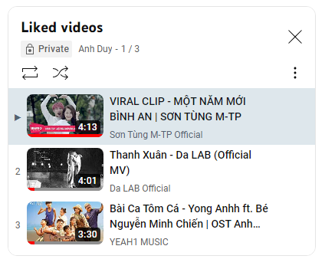
Remove Subscription
TR - RS001 | TR - RS001 | Verify that user can remove 1 Subscription in 'Subscription' page | Using an account: _Use 'email': phamdangnguyen9999@gmail.com _Use 'password': 01227424BCN | 1. Navigate to 'https://www.youtube.com/' 2. Login 3. Enter any name of video on 'Search' button (eg: bai ca tom ca) 4. Click on 'Search' icon next to 'Search' button 5. Click on the first video 6. Click on 'Subscribe' button 7. Click on 'Youtube' icon 8. Repeat from step 3 to 7 - 4 times with different data 9. Click on 'Subscription' link page 10. Click on 'Manage' button 11. Click on 'Subscribe' button 12. Click on 'Unsubscribe' button | 1. Youtube home page dislays 4. Search result page displays 10. Should have a message "Unsubcribe successfullly" | 