Dashboard


1993
TOTAL NUMBER OF CALLS
570
TOTAL NUMBER OF CUSTOMERS
457
EUROPE CUSTOMERS
49.58%
AVG CALL SATISFACTION
Call Center Dashboard

Trend overtime for Number of Calls
 | Distinct Count of CallID | Distinct Count of CustomerAcc
2022 | 1055 | 477
2023 | 938 | 489
Trend overtime for Average of Call Satisfaction
 | Total
2022 | 50.32%
2023 | 48.75%
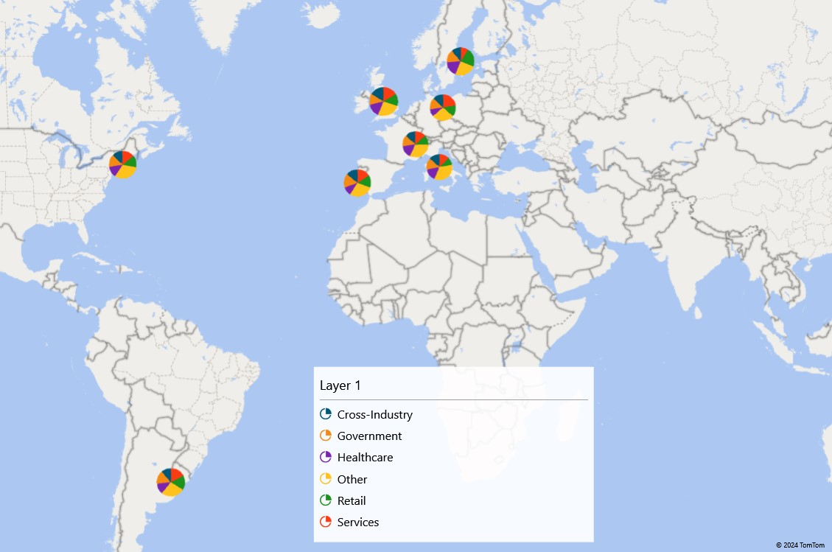

Composition Customers based on Sector
 | Total
Other | 29.12%
Retail | 14.74%
Government | 14.56%
Cross-Industry | 14.04%
Healthcare | 13.86%
Services | 13.68%
Composition Customers based on Age Group
 | Total
More than 60 | 192
41-60 | 160
Less than 30 | 121
30-40 | 97
Correlation between Call Duration & Call Satisfaction
 | Average of Handling_Time_inMinutes
50.54% | 12.30
49.19% | 13.14
50.54% | 13.38
47.99% | 13.41
51.08% | 12.98
48.66% | 12.37

Distributor of Calls
 | Total
Europe | 861
America | 445
United Kingdom | 247
Argentina | 238
Switzerland | 202
 | Locations | Total Number of Calls | Average Call Satisfaction % | Average Call Durations in Minutes
 | Argentina | 238 | 47.64% | 12.61
 | Germany | 206 | 44.55% | 13.31
 | Italy | 200 | 47.23% | 12.16
 | Portugal | 223 | 50.22% | 13.41
 | Sweden | 232 | 54.87% | 13.56
 | Switzerland | 202 | 48.94% | 11.93
 | United Kingdom | 247 | 52.22% | 13.50
 | USA | 445 | 49.75% | 13.00

1. Most of the company's customers are from the EU and are middle-aged or elderly. 2. The number of customers in each segment is quite equal 3. The number of customers in 2023 increases compared to 2022 while the number of calls and call quality assessment decreases, thereby showing that the call center or in other words, the customer care department is not the cause of the number of customers increase. The effectiveness may come from products or marketing programs. CSAT 49.58% is very low when evaluating call centers. The company really needs to change the mechanism and operating method for the call center team to improve the quality of customer care. Maybe the number of customers will increase significantly, not just slightly like that in 2023. 4. The Retail segment is the segment with the worst customer care call quality at 48.66%.

