Notes
Source | Notes

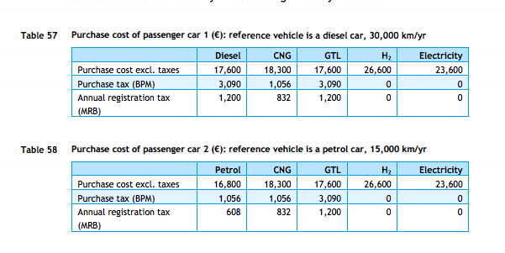
cedelft-ecn-tno
p.84

 | 18300 | euro

p.64
 | 2.2 | MJ/km
 | 0.45454545455 | km/MJ

rff
p.12

 | 15 | yr

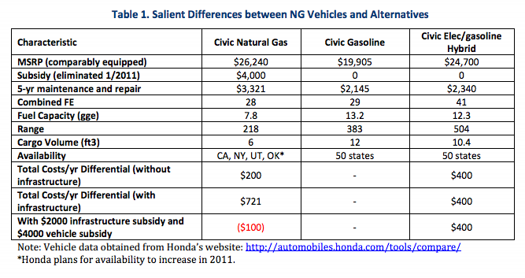

p.6

 | 3321 | $/5 -yr
 | 2412 | euro/5-yr

cedelft-ecn-tno2
p.183
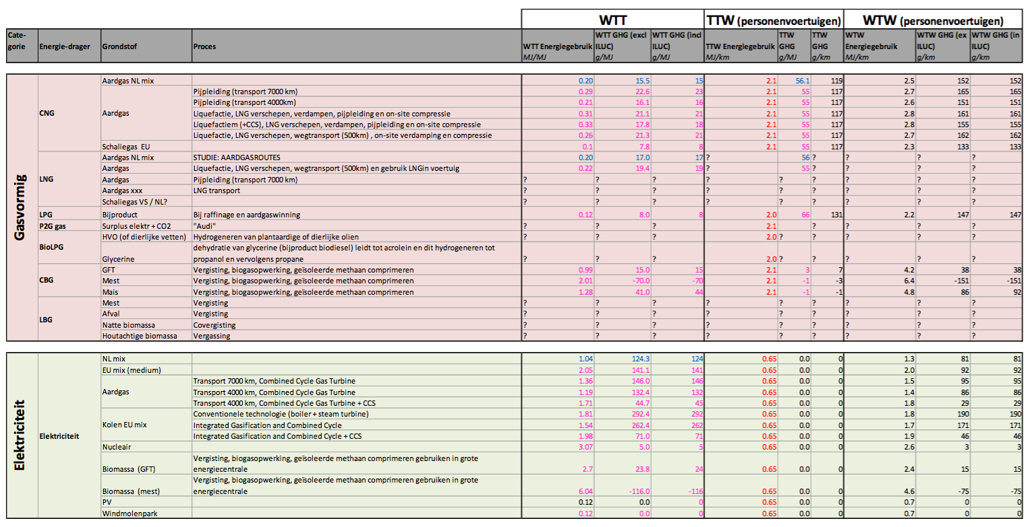

 | 2.1 | MJ/km
 | 0.47619047619 | km/MJ

