Notes
Sourcse | Notes

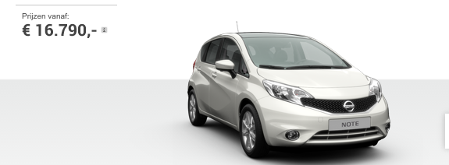
Nissan

 | 16790 | euro

Volvo

 | 19599.17 | euro

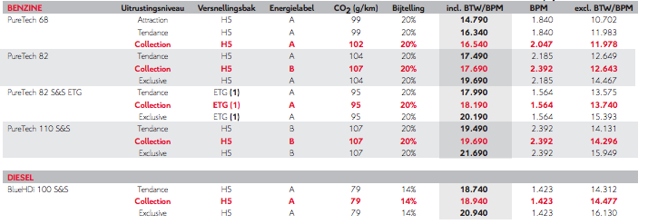
Citroen

 | 16540 | euro

Wgeningen UR
p.34

 | 444 | euro/yr

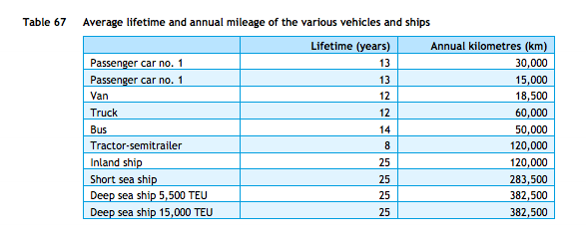
cedelft-ecn-tno
p.87

 | 13 | yr

p.64

 | 2.2 | MJ/km
 | 0.45454545455 | km/MJ

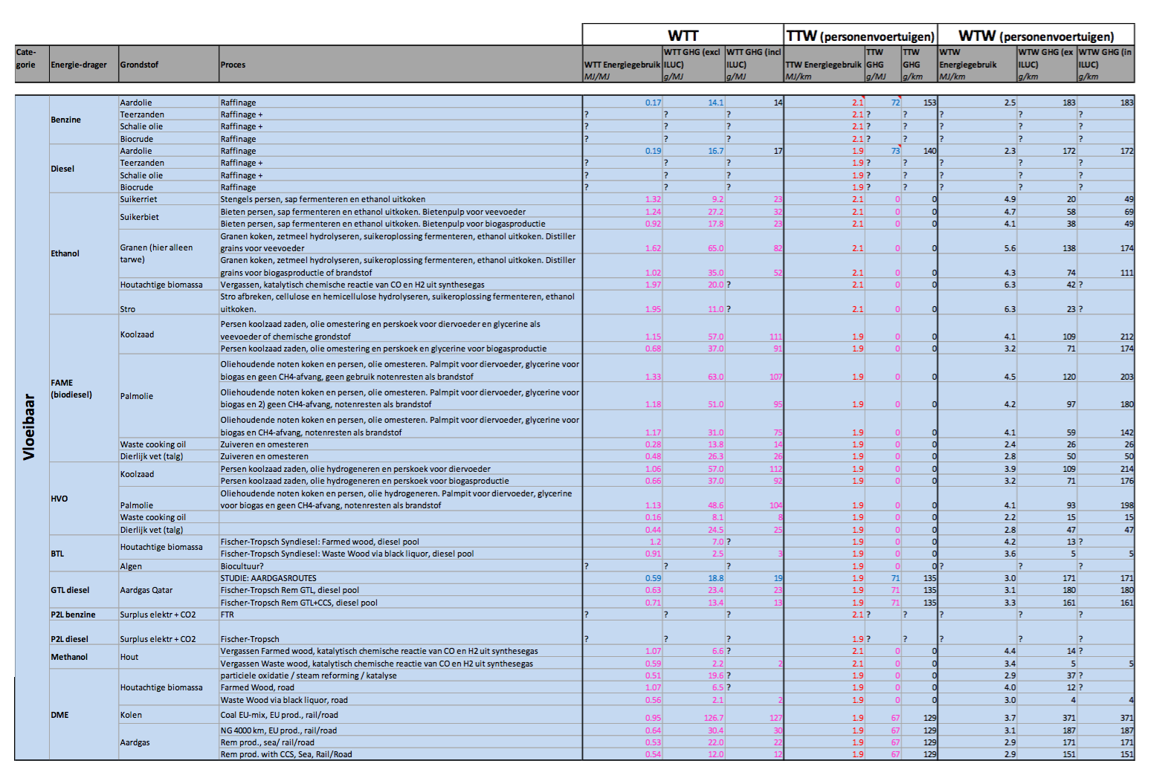

cedelft-ecn-tno2
p.182

 | 2.1 | MJ/km
 | 0.47619047619 | km/MJ

