Notes
Source | Notes

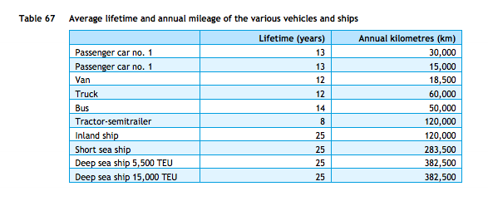
cedelft-ecn-tno
p.87

 | 13 | yr

ECN
p.19

 | 1500-3000 | euro
Average | 2250

p.20

 | 20%

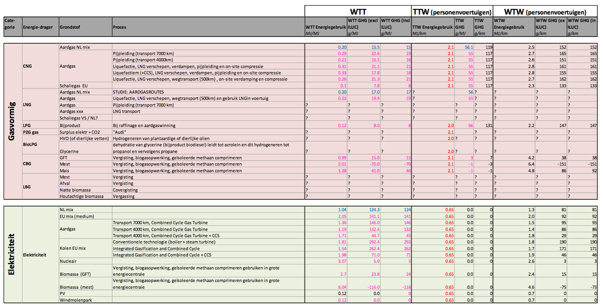

tno-cedelft-ecn: brandstofmix
p.183

 | 2 | MJ/km
 | 0.5 | km/MJ

