Notes
Source | Notes

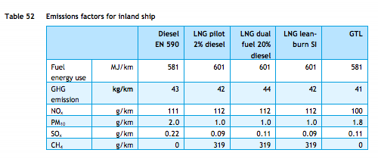
TNO, ECN, CE Delft

Efficiency | 581 | MJ/km
 | 0.0017211703959 | km/MJ

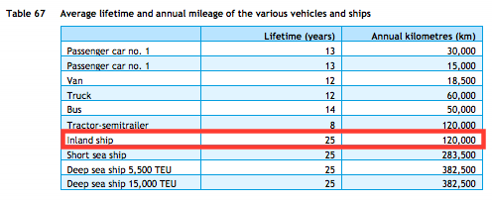
TNO, ECN, CE Delft

Lifetime | 25 | years

TNO, ECN, CE Delft

Investment costs Inland ship
Estimate |  | euro

