Notes
Source | Notes

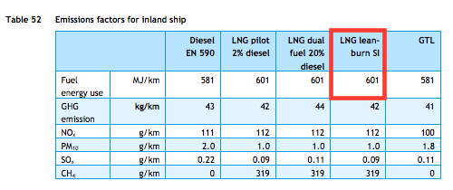
TNO, ECN, CE Delft

Efficiency | 601 | MJ/km
 | 0.0016638935108 | km/MJ

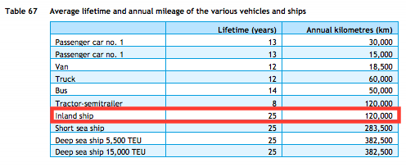

Lifetime | 25 | years

Additional investment costs
wrt diesel inland ship | 600000 | euro

4-20 M for diesel Pwc

