Notes
Sources | Notes
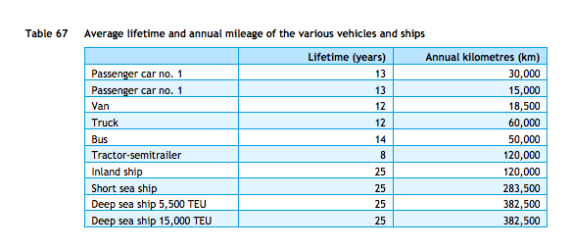

cedelft-ecn-tno
p.87

12 | yr

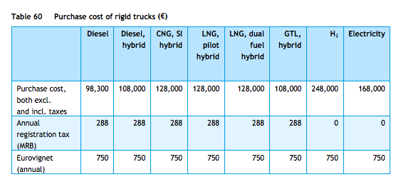
p.85

128000 | euro

jbhunt
p.3

50000 | miles/yr

p.1

0.02 | $/mile
0.0155 | euro/mile

cedelft-ecn-tno |  | 9.4 | MJ/km
p.66 |  | 0.10638297872 | km/MJ

