Notes
Source |  | Notes

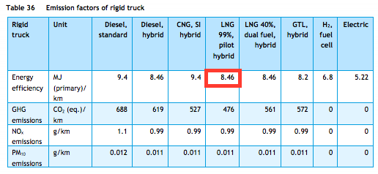

Efficiency | p66 | 8.46 | MJ/km
 |  | 0.11820330969 | km/MJ
TNO, ECN, CE Delft

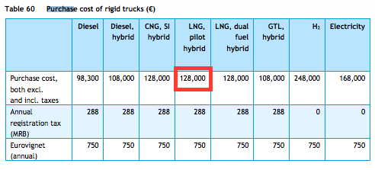

Investment costs |  | 128000 | euro

TNO, ECN, CE Delft

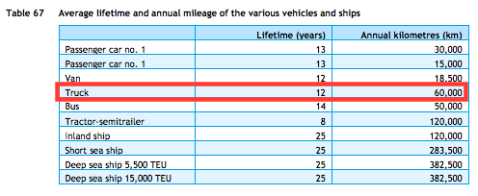

Technical lifetime |  | 12 | years

TNO, ECN, CE Delft

 |  |  |  |  |  | Calculations |  |  | Total in energy balance
 |  |  |  |  |  | 60000 | km/y
 |  |  |  |  |  | 8.46 | MJ/km
 |  |  |  |  |  | 300 | LNG trucks

 |  |  |  | sub, excl. | LNG | 152.28 | TJ | 0.034461892418
 |  |  |  |  | NG | 855.56 | TJ
 |  |  |  |  | LPG | 12236.01 | TJ
 |  |  |  |  | Gasoline | 165616 | TJ
 |  |  |  |  | Diesel | 249678.6 | TJ
 |  |  |  |  | Biogasoline | 5237.98 | TJ
 |  |  |  |  | Biodiesel | 8140.02 | TJ
 |  |  |  |  | Electric | 115.22 | TJ
 |  |  |  |  |  | 441879.39 | TJ

 |  | http://www.nationaallngplatform.nl/wp-content/uploads/Nationaal-LNG-Platform.pdf

