Notes
Sources |  | Notes
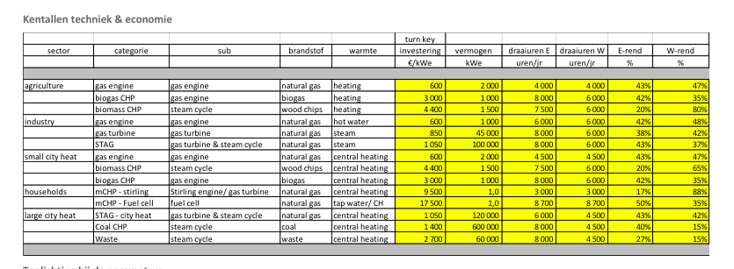
Energymatters
p.1

 | 3000 | euro/KW

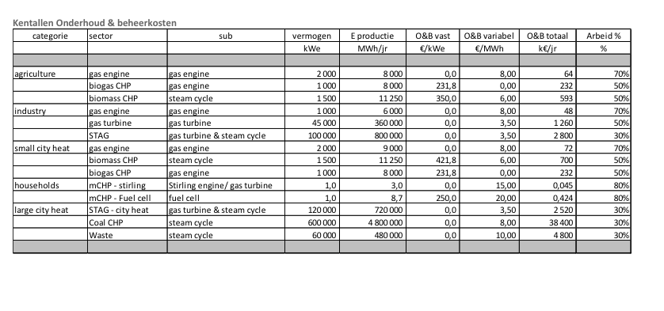
p.5

 | 1 | MW

 | 231.8 | euro/KW
 | 0 | euro/KW

MWM

 | 0.8 | MW

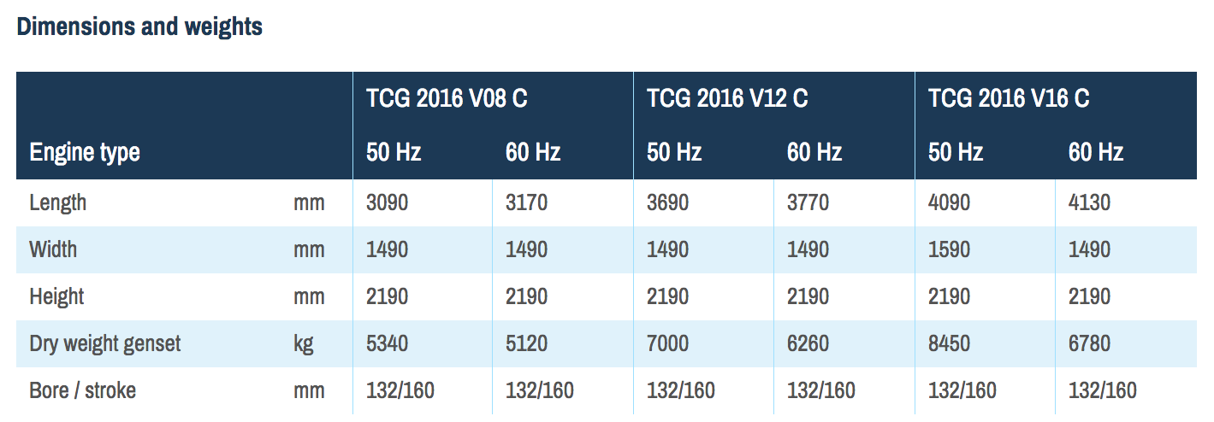

 | 4130 | mm
 | 1490 | mm

