Notes
Source |  | Notes

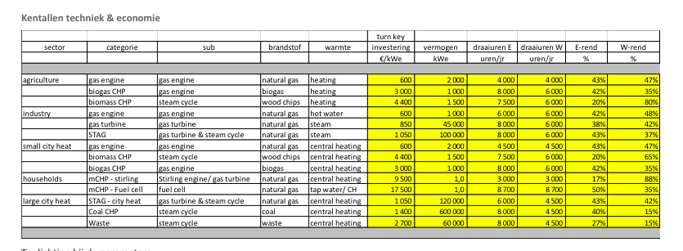
Energymatters
p.1

 | 2 | MW
Initial invesyment | 600 | euro/KW

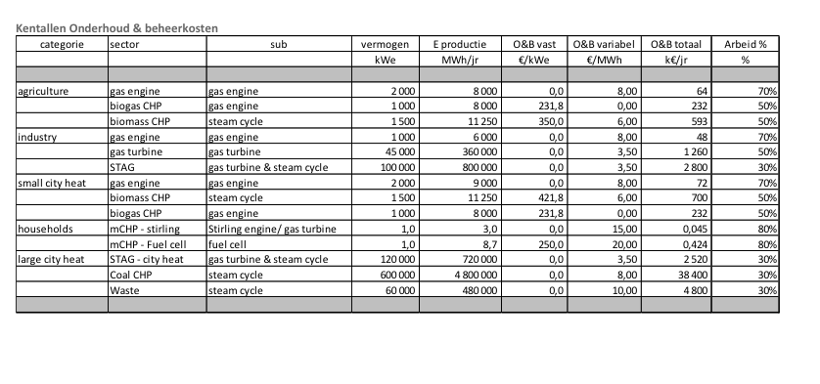
p.5

Variable O&M | 8 | euro/MWh
Fixed O&M | 0 | euro/KW/yr

