Notes
Sources |  | Notes

Energymatters
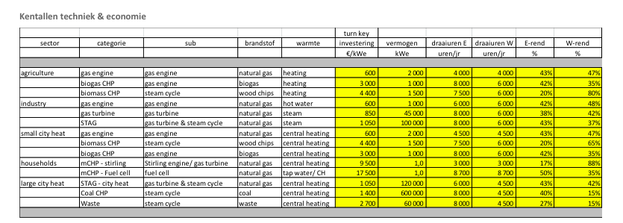
p.1

 | 1400 | euro/KW

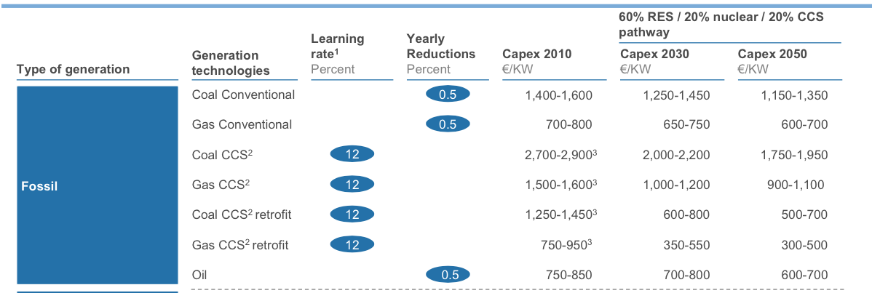
Harvard

p.30

 | 1400 | euro/KW

p.31

Fixed O&M | 20 | euro/KW

p.32

Construction time | 4 | yr
Lifetime | 40 | yr

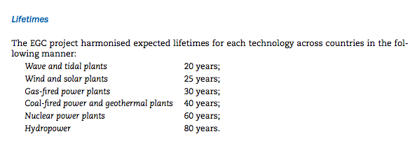
IEA
p.43

 | Lifetime | 40 | yr

p.44

 | Construction time | 4 | yr

