Notes
 | Source |  | Notes
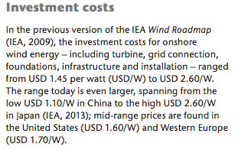
 | IEAa
 | p.14

 |  | 1700 | $/KW
 |  | 1270 | euro/KW
 | p.16
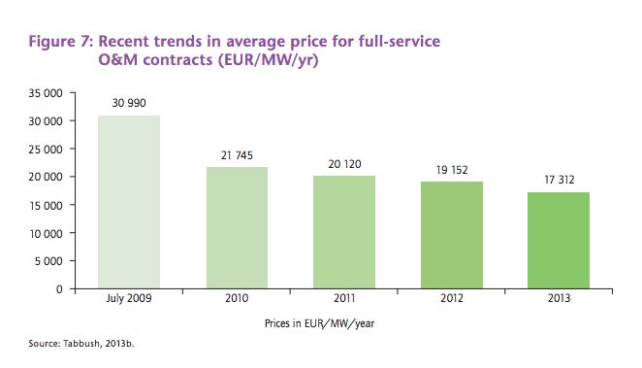

 |  | 17312 | euro/MW

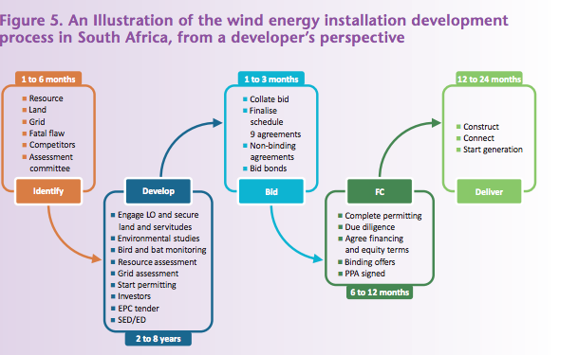
 | IEAb
 | p. 17

 |  | 12 | months

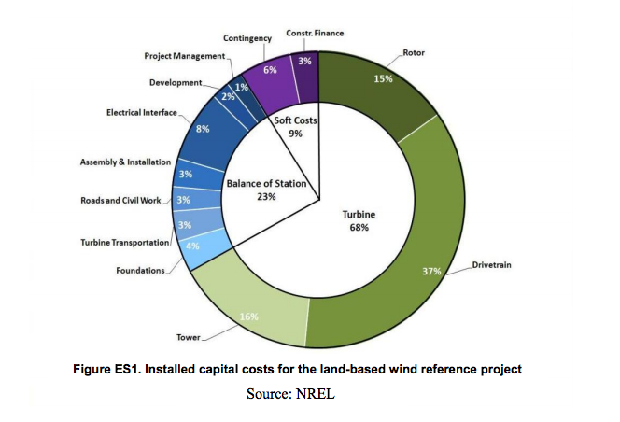
 | NRELa
 | p. viI

 |  | Installation | 3%
 |  | Civil works | 3%
 |  | Turbine Transportation | 3%
 |  | Foundation | 4%
 |  | Total | 13%

 | p.11

 |  | 20 | yr

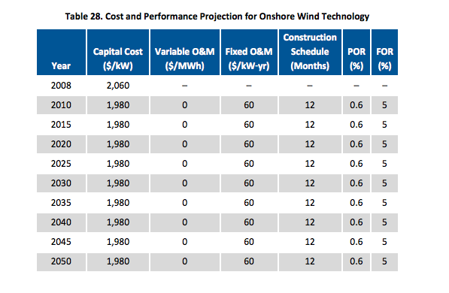
 | NRELb

 | p.46

 |  | 12 | months

 | IRENA

 | p.19
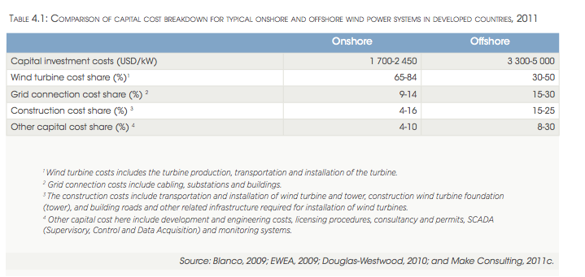

 |  |  | 4-16%

 | p.49

 |  | 20 | yr

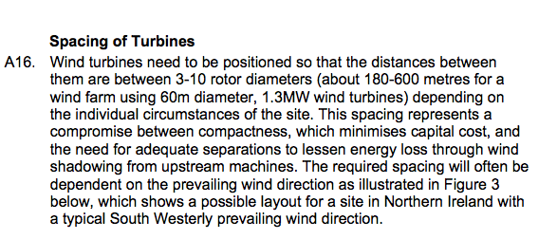
 | DOE
 | p.31

 |  |  | 3-10 rotor diameters
 |  | Assumed | 5

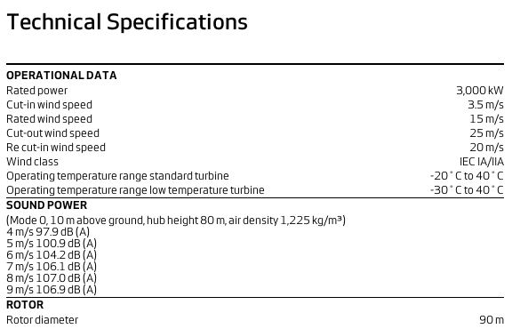
 | Vestas

 |  |  | 90 | m

 | worldenergy
 | p.15
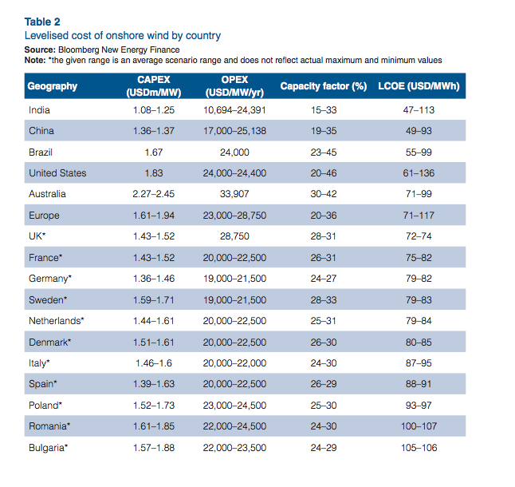

EU | Investment cost | 1.61-1.94 | $m/MW
 | Average | 1770 | $/KW
 |  | 1375 | euro/KW

 | Fixed cost | 23-28.75 | $/KW
 | Average | 25.85 | $/KW
 |  | 20 | euro/KW
NL | Investment cost | 1.44-1.61 | $m/MW
 | Average | 1525 | $/KW
 |  | 1185 | euro/KW

 | Fixed cost | 20-22.5 | $/KW
 | Average | 21.25 | $/KW
 |  | 16.5 | euro/KW
DK | Investment cost | 1.51-1.61 | $m/MW
 | Average | 1560 | $/KW
 |  | 1212 | euro/KW

 | Fixed cost | 20-22.5 | $/KW
 | Average | 21.25 | $/KW
 |  | 16.5 | euro/KW

