Notes
Source | Notes

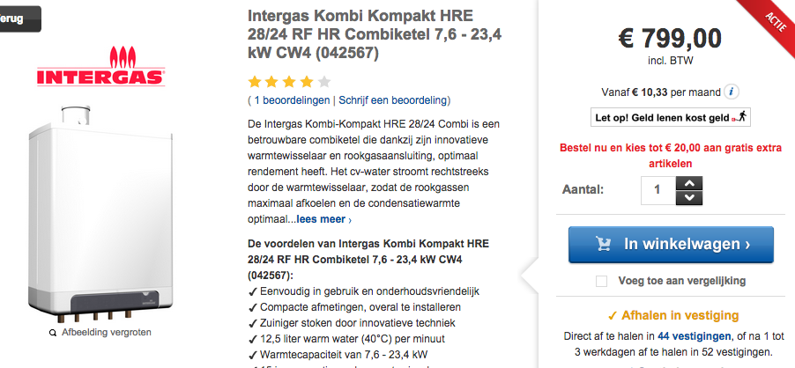
warmteservice

 |  | 799 | euros

 |  | 15 | yr

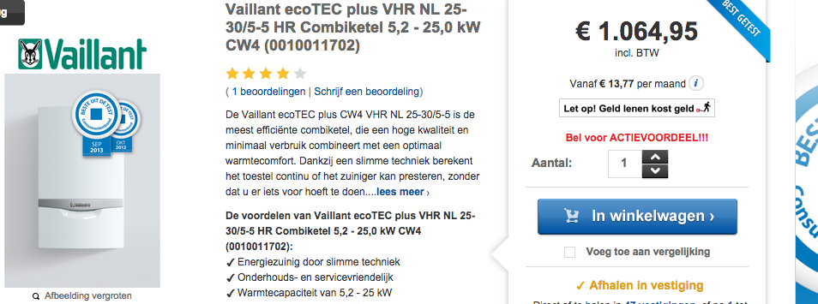

 |  | 1064.95 | euros

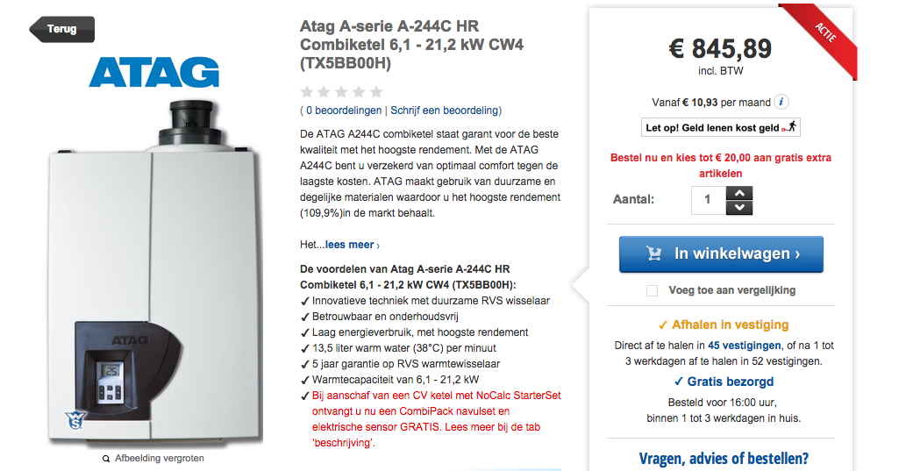

 |  | 845.89 | euros

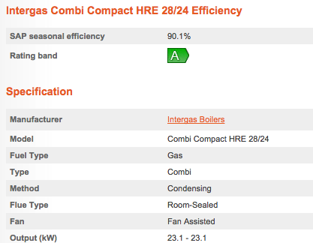
homeheatingguide

 |  |  | 90.1 | %

 |  |  | 23.1 | KW

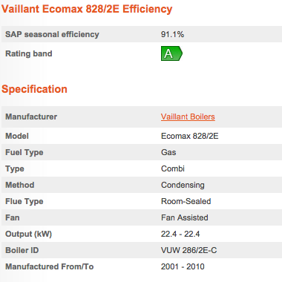

 |  |  | 91.1 | %

 |  |  | 22.4 | KW

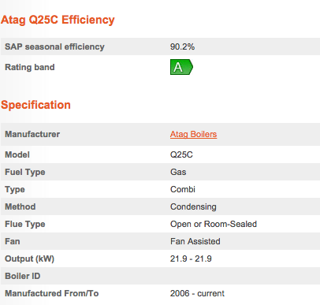

 |  |  | 90.2 | %

 |  |  | 21.9 | KW

