Notes
Source | Notes

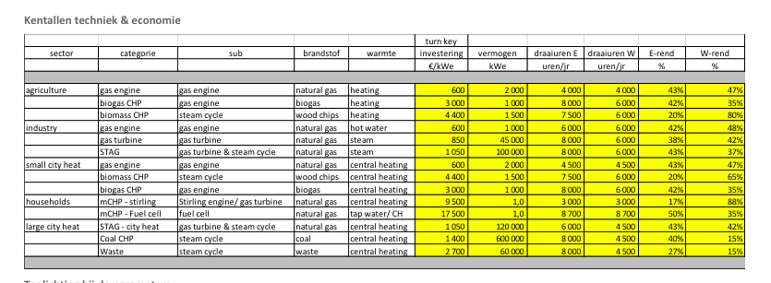
Ennergymatters
p.1

 | 100000 | Kw
 | 1050 | euro/KW
 | 43 | %

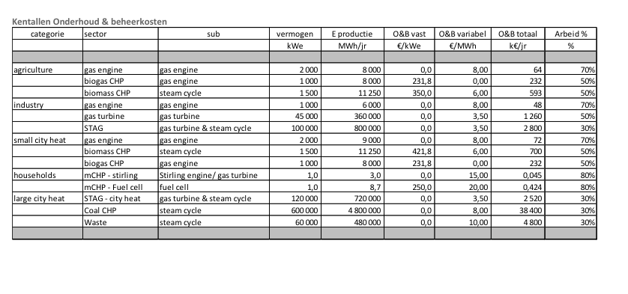

p.5

Total O&M cost | 2800000 | euro/yr
Variable O&M | 3.5 | euro/MWh

iea-etsap
p.4

 | 24 | months
 | 25 | yr

Ecofys
p.17

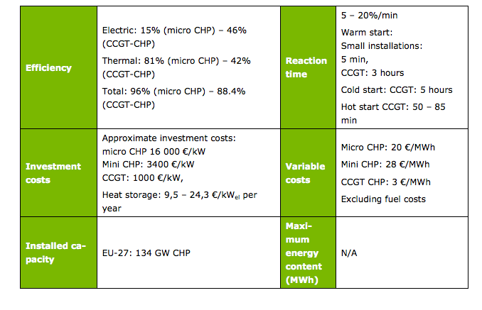

Initisal investment | 1000 | euro/KW
Variable O&M | 3 | euro/MWh

