Notes
Source | Notes

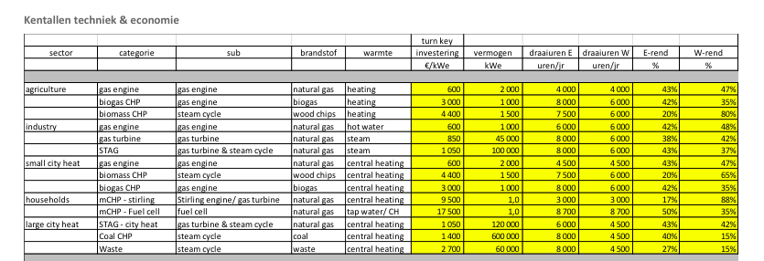
Energymatters
p.1

 | 1000 | KW
 | 600 | euro/KW
 | 42 | %

p.5

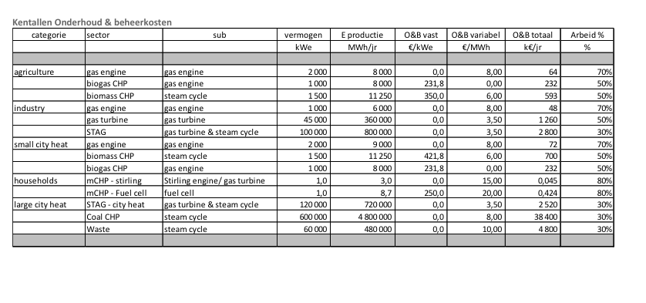

Total O&M | 48000 | euro/yr
Fixed cost | 0 | euro/KW
Variable cost | 8 | euro/MWh

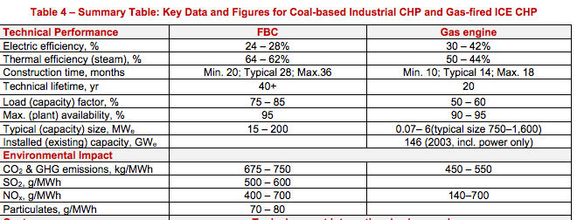

iea-etsap
p.5

 | 14 | months
 | 20 | yr

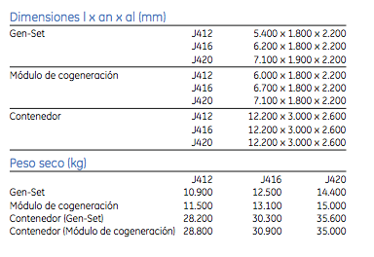

GE

 | 6700 | mm
 | 1800 | mm

 | 889 | KW
 | 42.8 | %

 | 1189 | KW
 | 43 | %

mwm
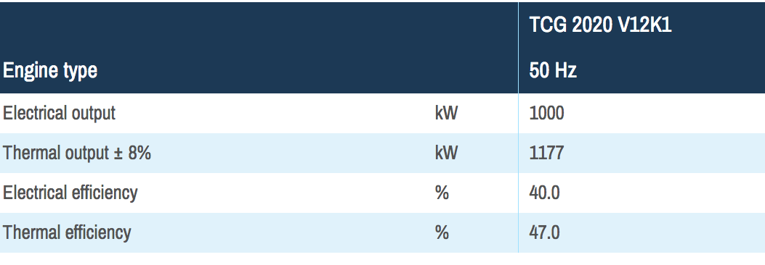

 | 1000 | KW

 | 40 | %

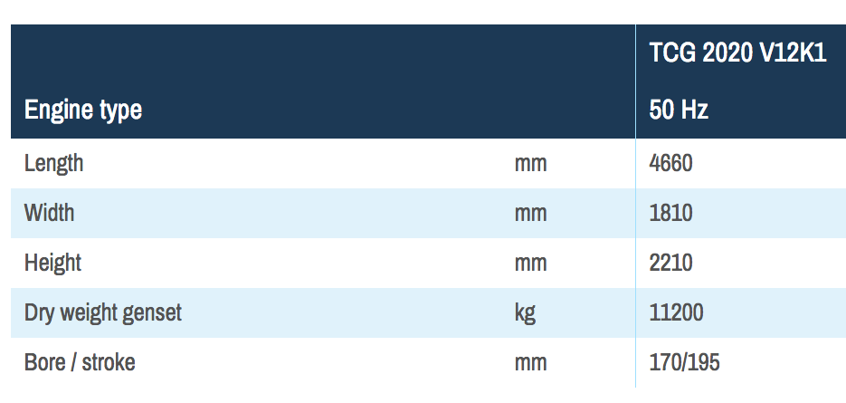

 | 4660 | mm
 | 1810 | mm

