Notes
Source | Notes

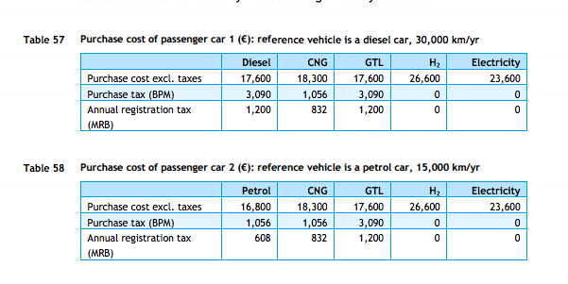
cedelft-ecn-tno
p.84

 | 18300 | euro

rff
p.12

 | 15 | yr

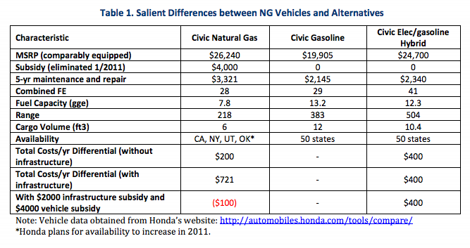

p.6

 | 3321 | $/5 -yr
 | 2412 | euro/5-yr

