Notes
Sourcse | Notes

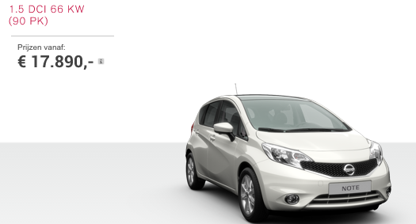

Nissan | 17890 | euro

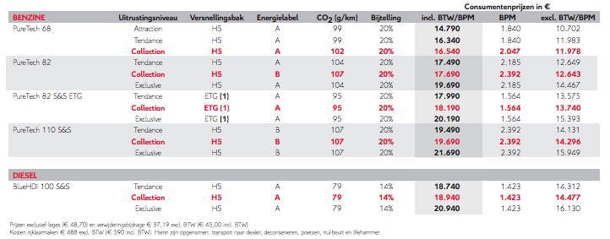

Citroen

 | 18940 | euro

Volvo

 | 22617.57 | euro

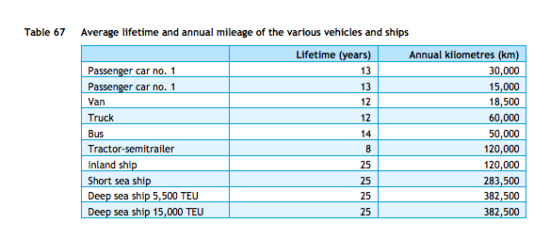
cedelft-ecn-tno
p.87

 | 13 | yr

Wgeningen UR
p.34

 | 444 | euro/yr

