Notes
Sourcse | Notes

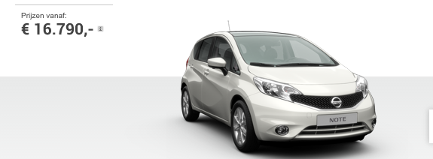
Nissan

 | 16790 | euro

Volvo

 | 19599.17 | euro

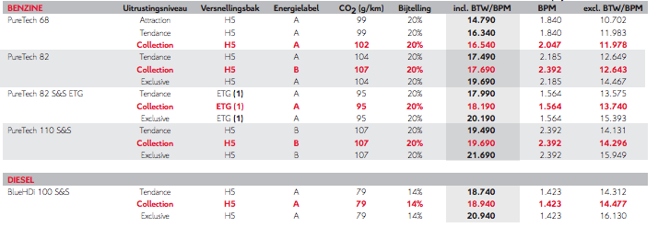
Citroen

 | 16540 | euro

Wgeningen UR
p.34

 | 444 | euro/yr

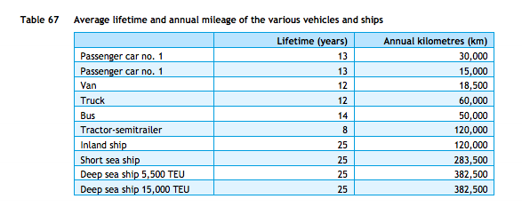
cedelft-ecn-tno
p.87

 | 13 | yr

