Notes
Sources | Notes
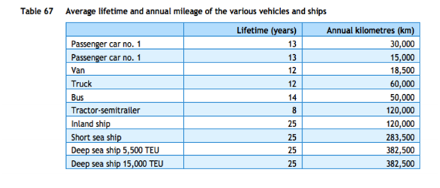

cedelft-ecn-tno
p.87

12 | yr

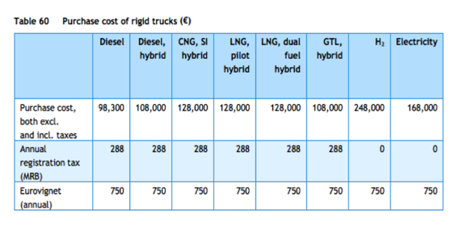
p.85

98300 | euro

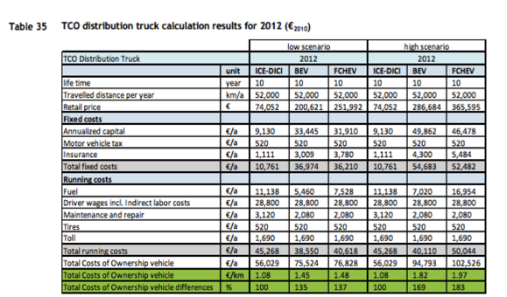

cedelft
p.92

10 | yr

74052 | euro

3120 | euro/yr
520 | euro/yr

