Notes
Source | Notes

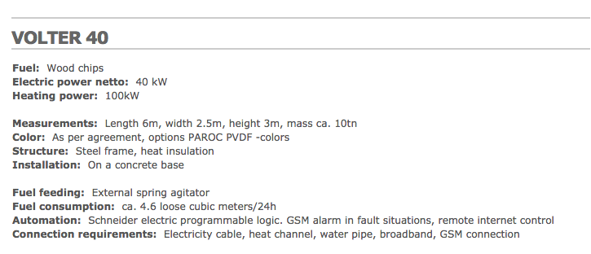
volter

 | 0.04 | MW

 | 2.5 | m
 | 6 | m

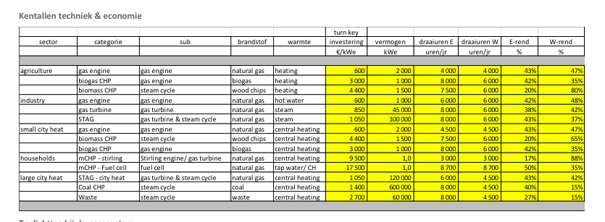
Energymatters
p.1

 | 1.5 | MW
Initial investment | 4400 | euro/KW
El. efficiency | 20 | %
Heat Efficiency | 80 | %

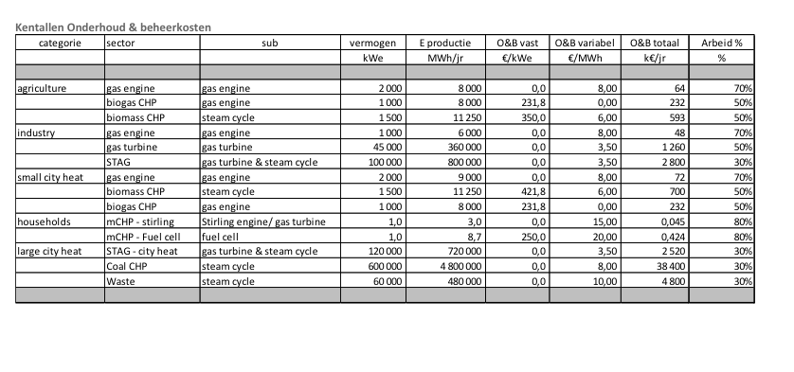

p.5
Fixed O&M | 350 | euro/KW
Variable O&M | 6 | euro/MWh

gabiomass
p.1

 | 14 | months

AURI
p.15

 | 15 | yr

