Notes
Source | Notes

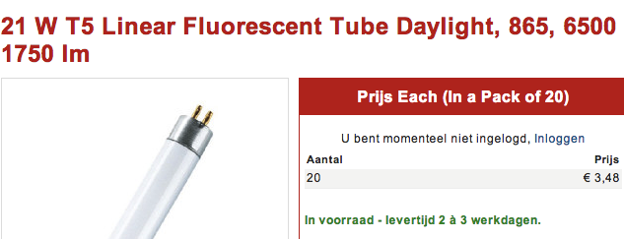
nl.rs
 | Osmar

 | 3.48



 | Sylvania

 | 2.464


 | GE

 | 2.692



 | Philips

 | 3.25

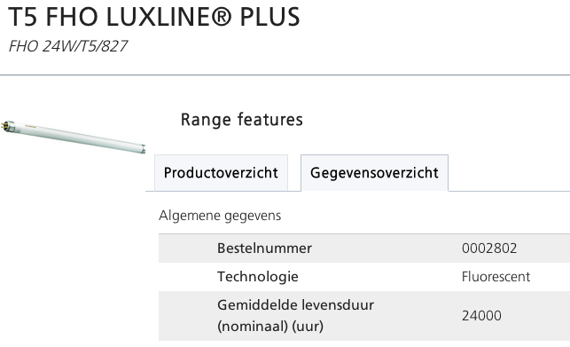
Sylvania

 | 24000 | h

GE
p.4

 | 30000 | h


Osmar
p.2

 | 24000 | h

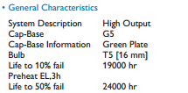
Philips

 | 24000 | h

US.Energy
p.9
 | 15 | min for 2 lamps

 | 65 | $/h
 | 50.33 | euro/hr

