Notes
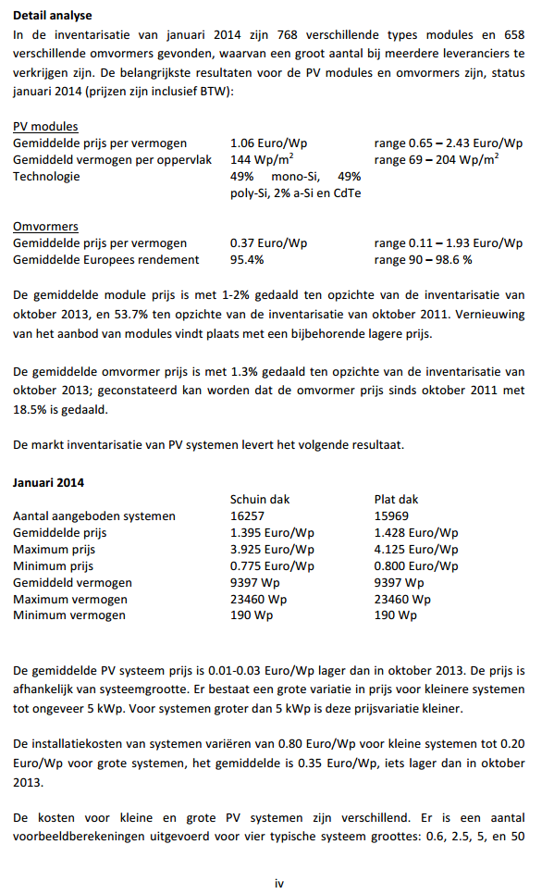
Source |  |  | Notes
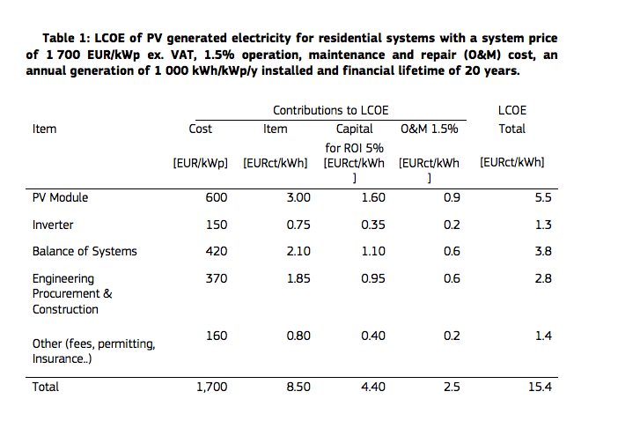
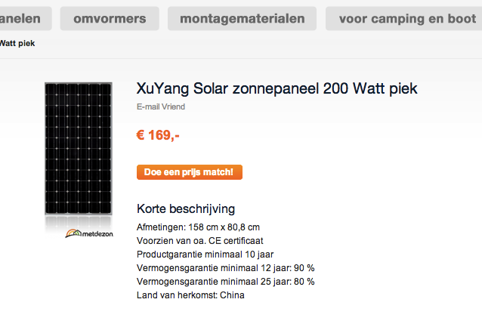
EC
p.3

 | 600
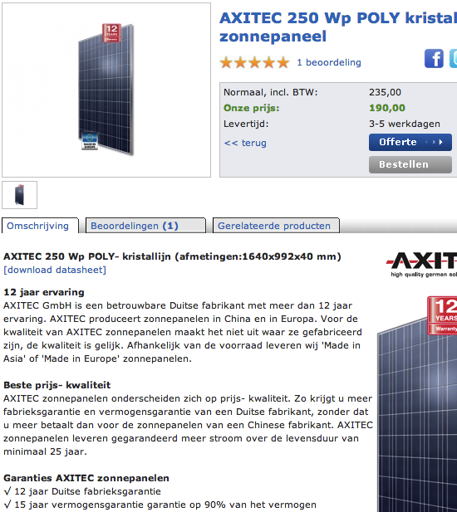
 | 150

 | 420

 | 370

 | 160

 | 1700

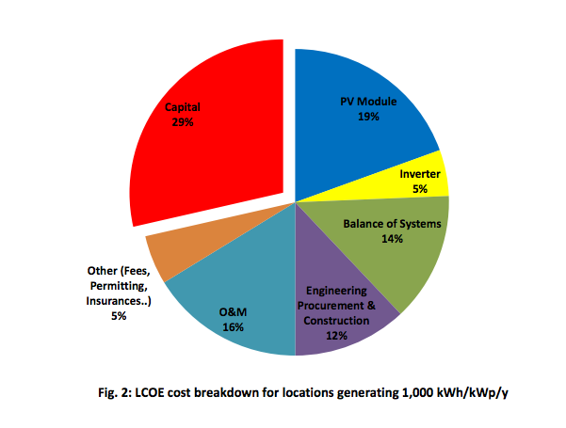

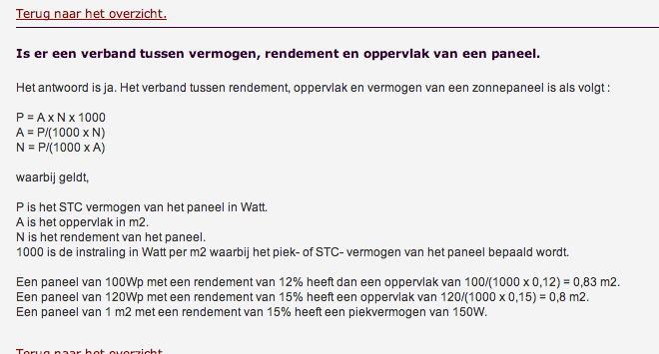

p.2

 | 1.5%

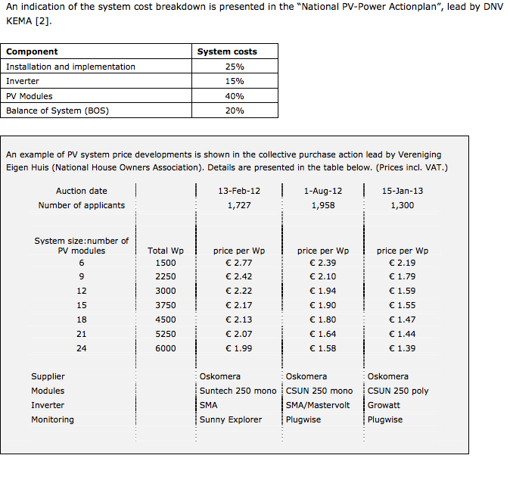
Ministry of Affairs
p.28

 |  | 25%

 |  | 15%
 |  | 40%
 |  | 20%

 |  | 1.55

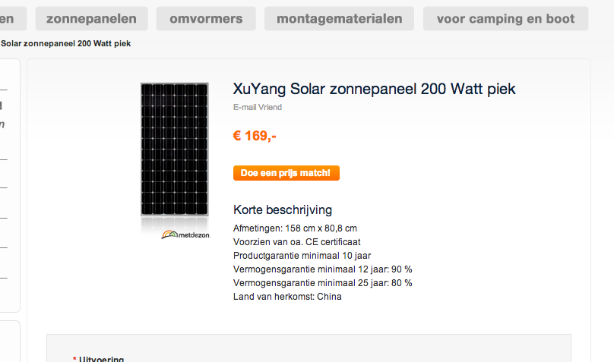

Zonnepanel

 |  | 200 | Wp
 |  | 158 | cm
 |  | 80.8 | cm
 |  | 25

Bespaarbazaar
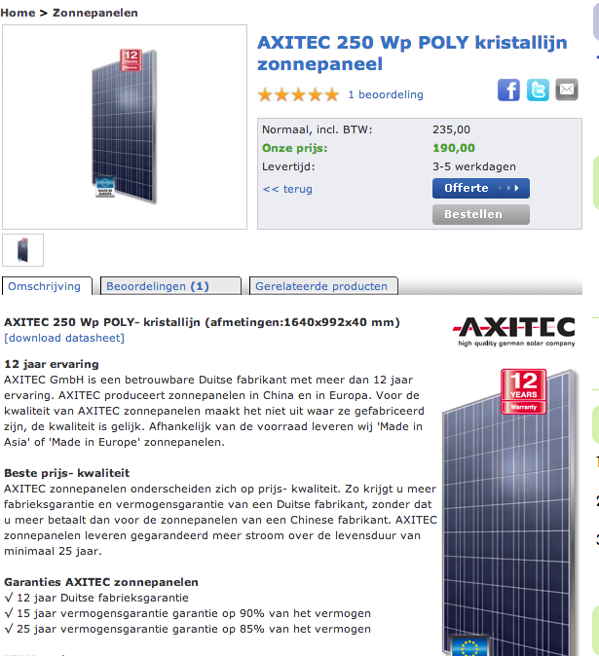

 |  | 250 | Wp
 |  | 1640 | mm
 |  | 992 | mm

 |  | 25

Siderea

 |  | 150 | Wp
 |  | 1 | m2

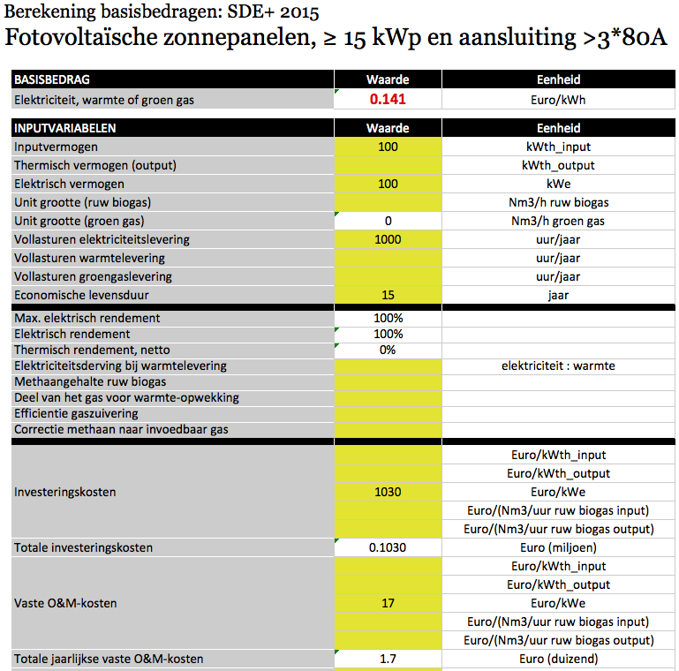
ECN

 |  | 1030 | EUR/kWp

 |  | 17 | EUR/kWp

SMZ
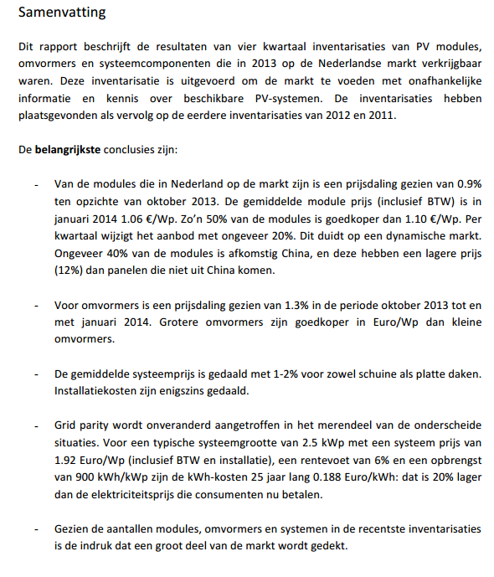

 | Module | 1060 | EUR/kWp
 | Inverters | 370 | EUR/kWp
 | Installatiekosten | 350 | EUR/kWp
 | Vaste O&M

