Notes
Source | Notes

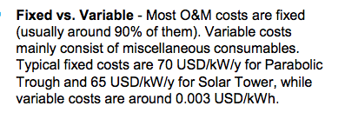
sbc
p.45

Fixed O&M cost | 65 | $/KW
 | 50.5 | euro/kw

Variable O&M cost | 3 | $/MWh
 | 2.24 | euro/MWh

p.57

 | 50 | MW
 | 1 | km2

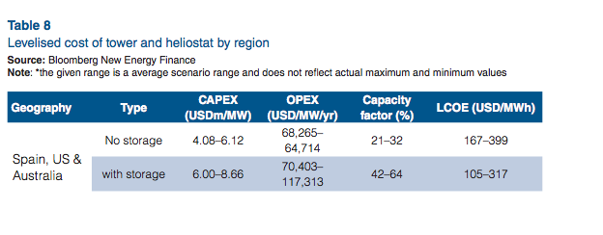
worlenergy
p.24

Initial investment cost | 4080 | $/KW
 | 3170 | euro/KW

 | 68.26 | $/KW
 | 52.8 | euro/KW

IRENA/ iea-etsap
p.13
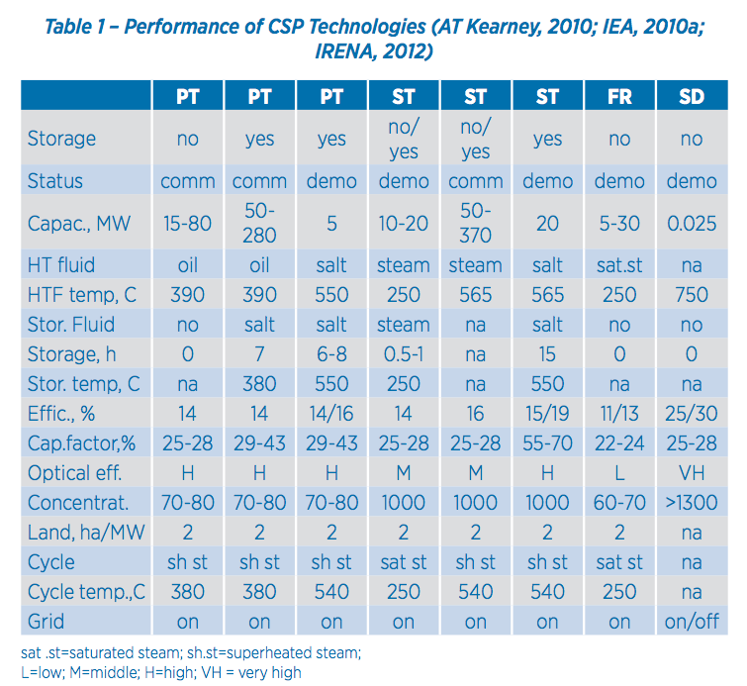

 |  | 2 | ha/MW
 | Land use

p.25 |  | Lifetime | 30 y
 |  | Construction | 1-3 y

p.4

Initial investment cost | 4200 | $/KW
 | 3263 | euro/KW

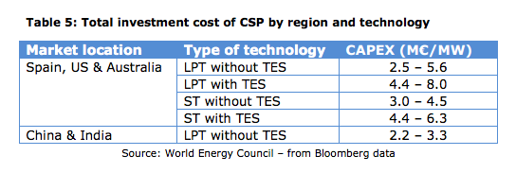
EC
p.23

Initial investment cost | 3000 | euro/KW

