Notes
Source | Notes

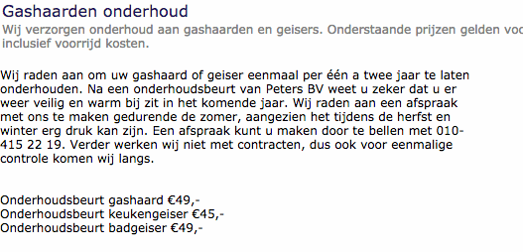
petersbv

 |  | 49 | euros

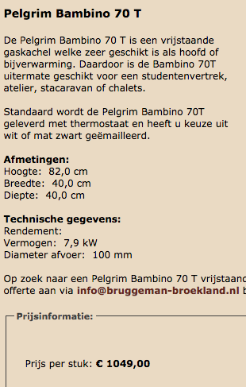
Pelgrim:
vurigverlangen

 |  | 1049 | euros


Pelgrim:
desmidse
p.3

 |  | 81 | %

EC
p.12

 |  | 15 | yr

