Notes
Sources | Page |  | Notes

EU JRC_201111_Well-to-wheel analysis of future automotive fuels and powertrains in the European context (version 3c) WTT Appendix 1

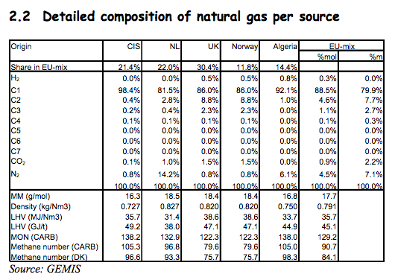
 | 17 | natural gas

 |  | Quintel definition: natural gas properties equal to those of natural gas from NL

 |  |  | 0.827 | kg/Nm3 | LHV
 |  |  | 0.000827 | kg/L
 |  |  | 31.4 | MJ/Nm3 | LHV
 |  |  | 37.968561064 | MJ/kg | LHV

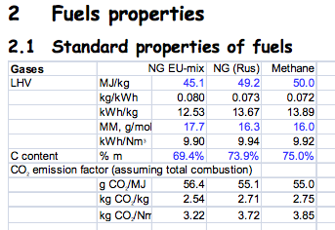
 | 16 | natural gas EU mix

 |  |  | 56.4 | g/MJ
 |  |  | 0.0564 | kg/MJ

Sources | Page |  | Notes

CE_Delft_201109_Toelichting_ketenkentallen_incl_biodiesel_bio-ethanol_(LCA).pdf

 | p. 7

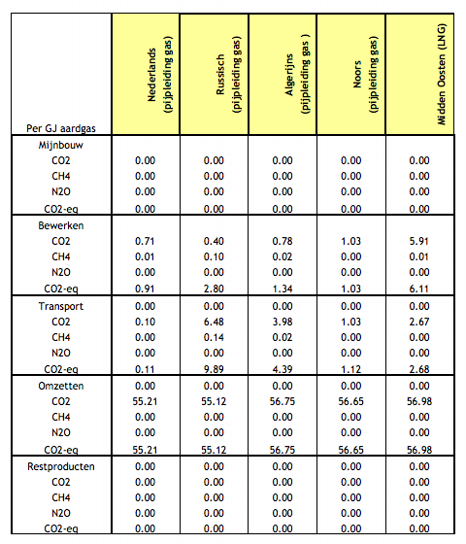
 |  | Algeria
 |  | co2_exploration_per_mj |  |  | 0.0 | kg CO2 eq/MJ | not relevant
 |  | co2_extraction_per_mj |  |  | 0.0 | kg CO2 eq/MJ
 |  | co2_treatment_per_mj |  |  | 0.00133618 | kg CO2 eq/MJ
 |  | co2_transportation_per_mj |  |  | 0.00438986 | kg CO2 eq/MJ
 |  | co2_conversion_per_mj |  |  | 0.0567541 | kg CO2 eq/MJ
 |  | co2_waste_treatment_per_mj |  |  | 0.0 | kg CO2 eq/MJ | not relevant

 |  | Netherlands
 |  | co2_exploration_per_mj |  |  | 0.0 | kg CO2 eq/MJ | not relevant
 |  | co2_extraction_per_mj |  |  | 0.0 | kg CO2 eq/MJ
 |  | co2_treatment_per_mj |  |  | 0.0009076 | kg CO2 eq/MJ
 |  | co2_transportation_per_mj |  |  | 0.00011197 | kg CO2 eq/MJ
 |  | co2_conversion_per_mj |  |  | 0.0552117 | kg CO2 eq/MJ
 |  | co2_waste_treatment_per_mj |  |  | 0.0 | kg CO2 eq/MJ | not relevant

 |  | Norway
 |  | co2_exploration_per_mj |  |  | 0.0 | kg CO2 eq/MJ | not relevant
 |  | co2_extraction_per_mj |  |  | 0.0 | kg CO2 eq/MJ
 |  | co2_treatment_per_mj |  |  | 0.00102917 | kg CO2 eq/MJ
 |  | co2_transportation_per_mj |  |  | 0.00112427 | kg CO2 eq/MJ
 |  | co2_conversion_per_mj |  |  | 0.0566487 | kg CO2 eq/MJ
 |  | co2_waste_treatment_per_mj |  |  | 0.0 | kg CO2 eq/MJ | not relevant

 |  | Russia
 |  | co2_exploration_per_mj |  |  | 0.0 | kg CO2 eq/MJ | not relevant
 |  | co2_extraction_per_mj |  |  | 0.0 | kg CO2 eq/MJ
 |  | co2_treatment_per_mj |  |  | 0.00280059 | kg CO2 eq/MJ
 |  | co2_transportation_per_mj |  |  | 0.00988619 | kg CO2 eq/MJ
 |  | co2_conversion_per_mj |  |  | 0.0551203 | kg CO2 eq/MJ
 |  | co2_waste_treatment_per_mj |  |  | 0.0 | kg CO2 eq/MJ | not relevant

Sources | Page |  | Notes

http://energeia.nl/nieuws/832632-1602/stemming-productiebeperking-olie-geeft-beetje-lucht

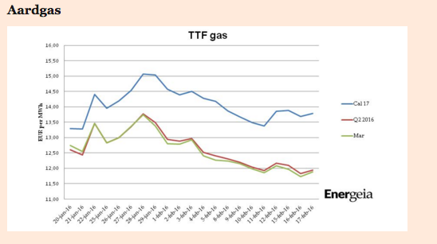

 |  |  | CAL17 price

 |  |  |  | 13.5 | euro/MWh
 |  |  |  | 0.00375 | euro/MJ

