Notes
Source | Notes

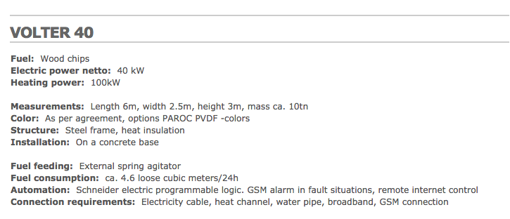
volter

 |  | 0.04 | MW

 |  | 2.5 | m
 |  | 6 | m

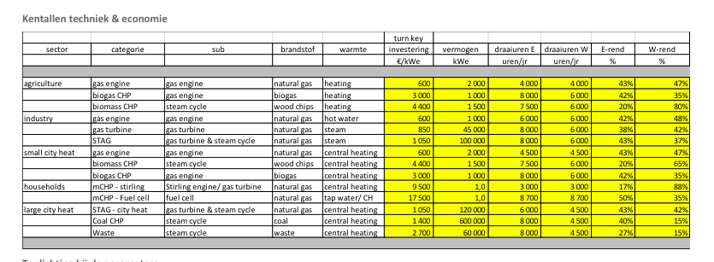
Energymatters
p.1

 |  | 1.5 | MW
 | Initial investment | 4400 | euro/KW
 | El. efficiency | 20 | %
 | Heat Efficiency | 75 | %

Correction on Energymatters data
https://github.com/quintel/etdataset/issues/275 |  |  |  | CHPs with steam cycle should have technical efficiencies instead of 'year-averaged' ones
 |  |  |  | The CHPs mentioned in #233 should just get technical efficiencies. Now that we use IEA statistics we have to let go of the concept of 'machine statistics and specs' and just look at the CHP as a simultaneous producer of power and heat. Any power produced when no heat is produced will come from a proper power plant.
 |  |  |  | The EnergyMatters specs were provided with a 'machine statistics' approach. The CHPs mentioned therefore have the wrong efficiencies.

 |  |  |  | New efficiencies are cited in this comment on GitHub: https://github.com/quintel/etdataset/issues/275#issuecomment-27776298
 | Corrected El. efficiency | 20 | % | Agriculture: 20% / 85%
 | Corrected heat efficiency | 75 | % | Industry STAG: 42% / 40%
 |  |  |  | Small city heat: 20% / 75%
 |  |  |  | Large city heat STAG: 42% / 43%

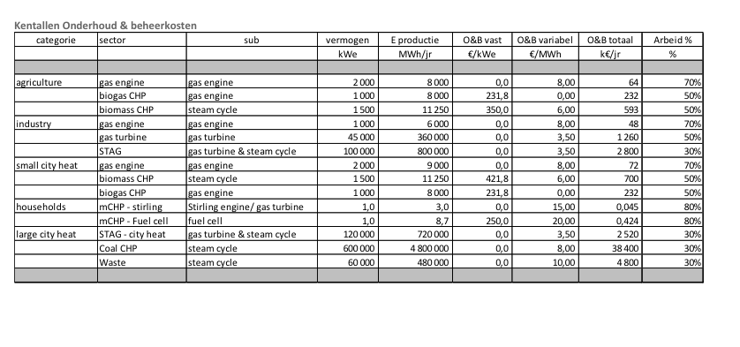

p.5
 | Fixed O&M | 421.8 | euro/KW
 | Variable O&M | 6 | euro/MWh

gabiomass
p.1

 | Construction time | 14 | months

AURI
p.15

 | Technical lifetime | 15 | yr

