Notes
Source | Notes

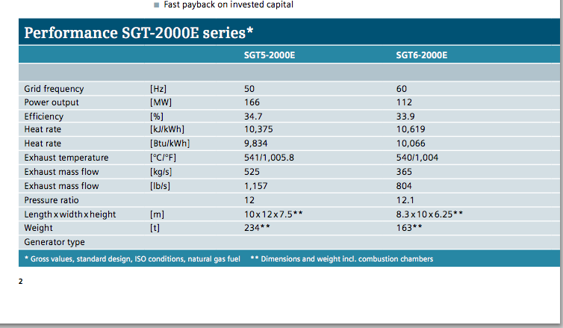
Siemens a
p.2

 | 112 | MW
 | 33.90 | %

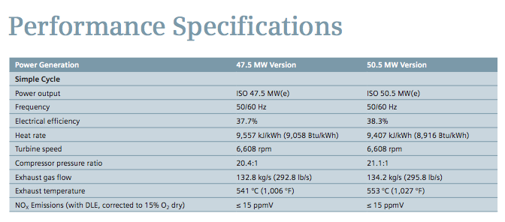
Siemens b
p.5

 | 50.5 | MW
 | 38.3 | %

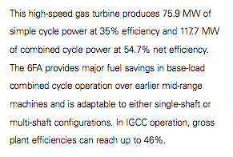
GE
p.7
 | 75.9 | MW
 | 35 | %

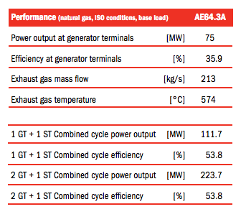
Ansald
p.2

 | 75 | MW
 | 35.9 | %

EC
p.17

 | 450 | euro/KW

ICF
p.13

 | 6 - 18 | months
Average | 12 | months

PB
p.12

 | 45 | MW
Lifetime | 42 | yr
Variable O&M | 8 | NZ$/MWh
 | 3.76
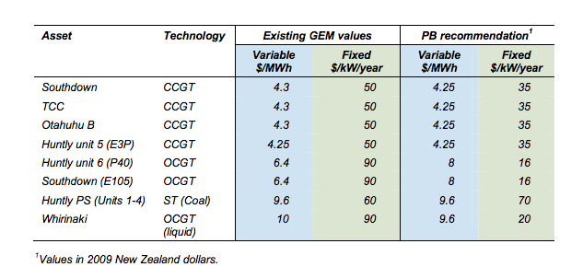
Fixed O&M | 16 | NZ$/KW/yr
 | 7.52

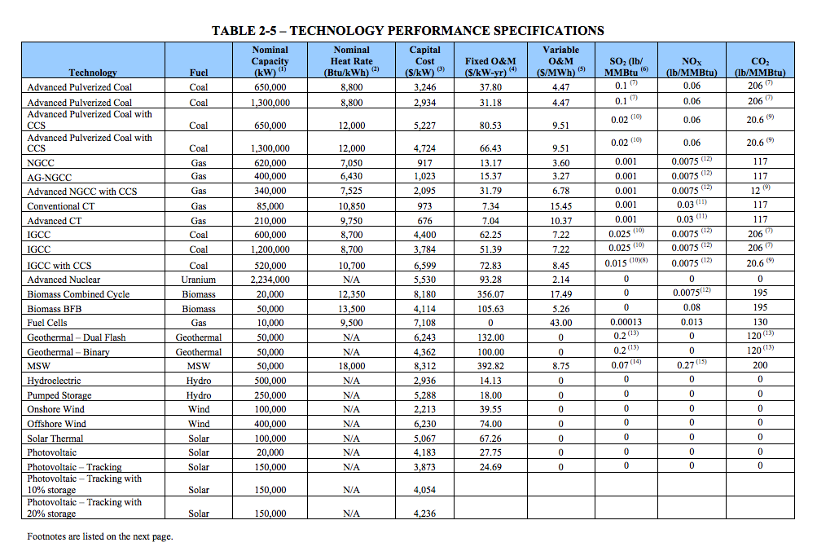

EIA
p.19

 | 85 | MW
 | 973 | $/KW
 | 749 | euro/KW

 | 7.34 | $/KW
 | 5.7 | euro/KW

 | 15.45 | $/MWh
 | 11.9 | euro/MWh

