Notes
Sources | Page |  | Notes

EU JRC_201111_Well-to-wheel analysis of future automotive fuels and powertrains in the European context (version 3c) WTT Appendix 1
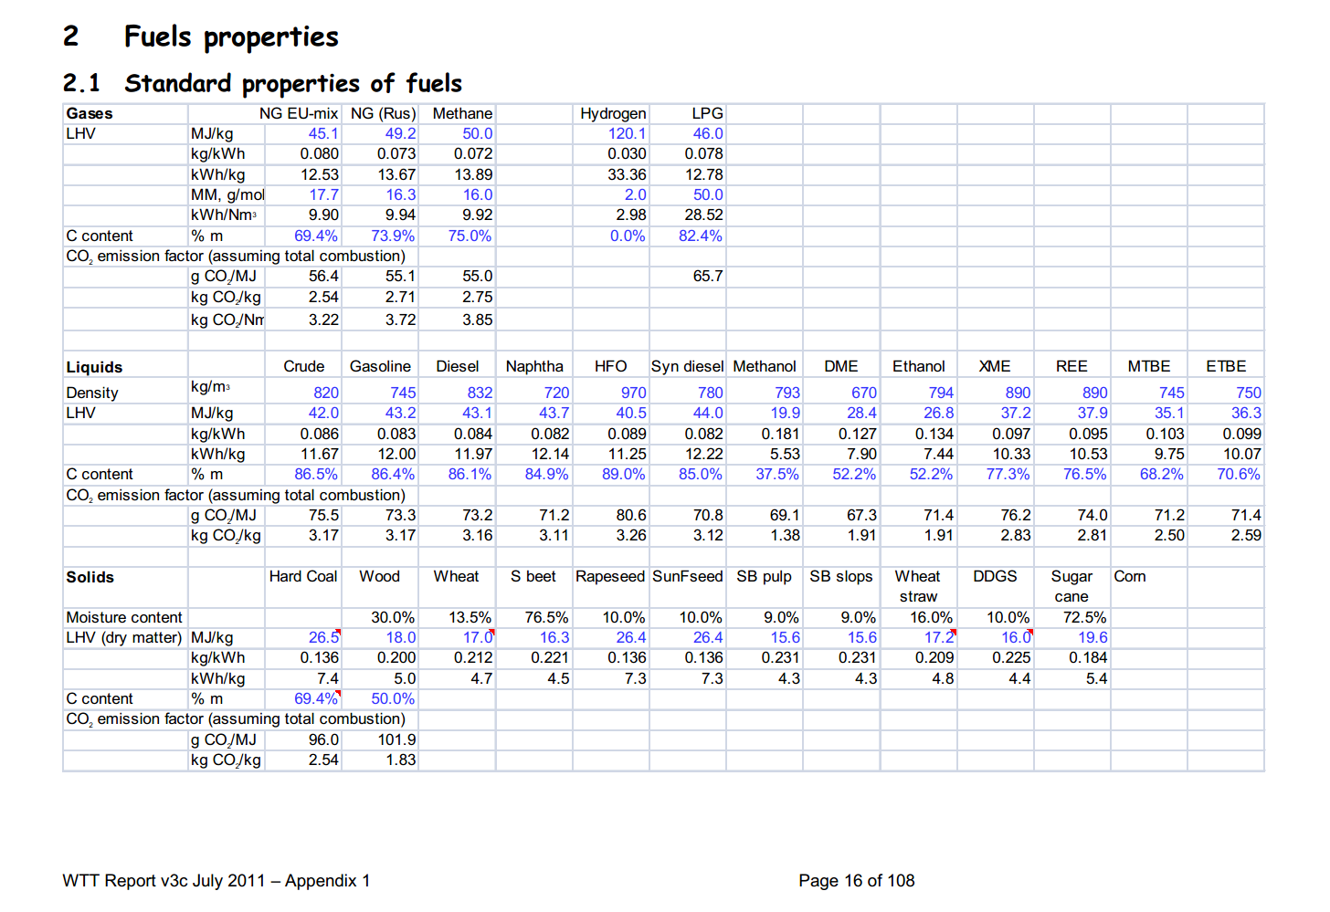

 | 16 |  | 890 | kg/m3 | Density
 |  |  | 37.2 | MJ/KG | LHV
 |  |  | 0.89 | kg/dm3 | transform to kg/Liter
 |  |  | 33.108 | MJ/L | LHV

Sources | Page |  | Notes

MinLenV Vlaanderen_2008_koolzaad van zaad tot olie

 | 17

 | 26
 | komt hier uit

 | 26

 |  | Opbrengst biodiesel
 |  |  | 1600 | liter/ha | winterkoolzaad
 |  | opbrengst | 4.5 | ton/ha | winterkoolzaad | 1485 | liter koolzaadolie
 |  | opbrengst | 3.25 | ton /ha | zomerkoolzaad

 |  |  | 160000 | L/km2
 |  |  | 5269465 | MJ/km2

Sources | Page |  | Notes
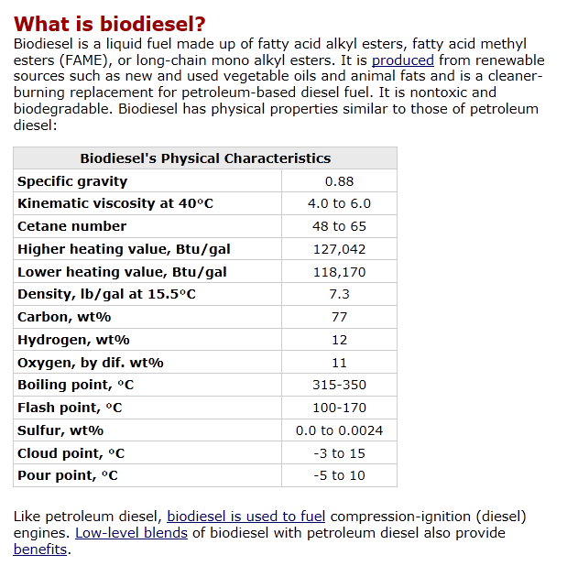
http://www.afdc.energy.gov/afdc/fuels/biodiesel_what_is.html
 |  |  | Energie dichtheid
 |  |  | 170000 | 200000 | BTU | per gallon
 |  |  | 1055 |  | 1 BTU in joules | per gallon |  | 3.78541178 | liter in Gallon
 |  |  | 179350000 |  | joules | per gallon
 |  |  | 179.35 |  | Mega joules | per gallon
 |  |  |  |  | MJ/L

 |  | Low heating value | 118170 | btu/gallon
 |  |  | 124669350 | joules per gallon
 |  |  | 124.66935 | MJ/gallon
 |  |  | 32.93415809 | MJ/L

 |  | High heating value | 127042 | btu/gallon
 |  |  | 134029310 | joules per gallon
 |  |  | 134.02931 | MJ/gallon
 |  |  | 35.406797936 | MJ/L

Sources | Page |  | Notes

Borjesson_2010_Agricultural crop-based biofuels.pdf

 | 111

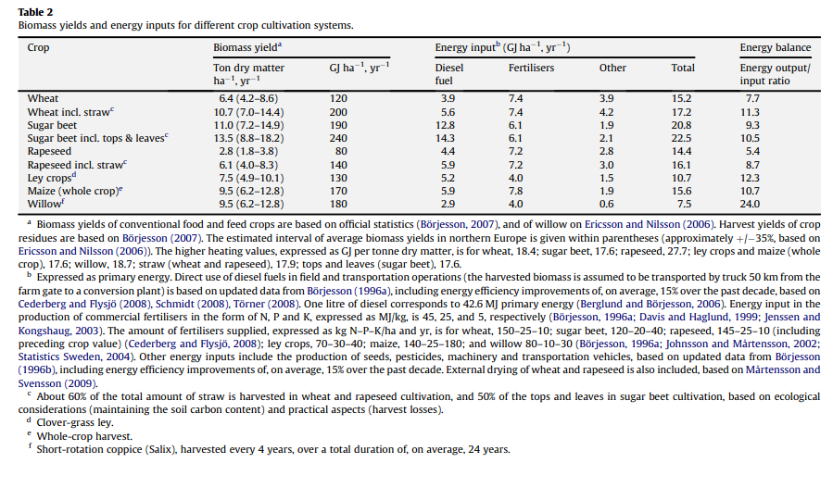

 | 111

 | 112

 | 113

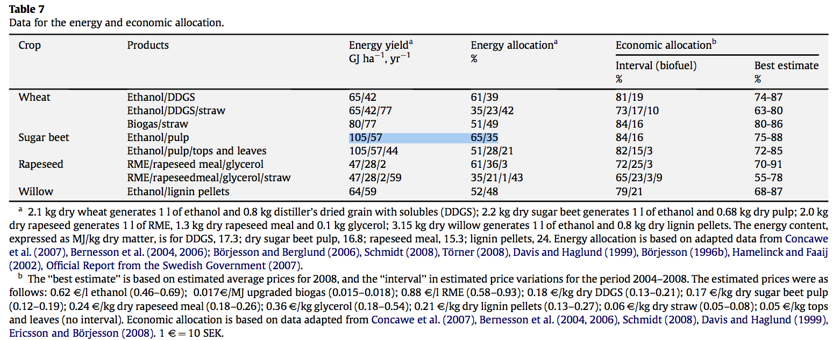
 | 114

 |  |  |  | GJ/ha/yr
 |  |  |  | MJ/ha/yr
 |  |  |  | MJ/km2/yr

Sources | Page |  | Notes
http://www.localenergy.org/pdfs/Document%20Library/Bioenergy%20conversion%20factors.pdf
 | 3
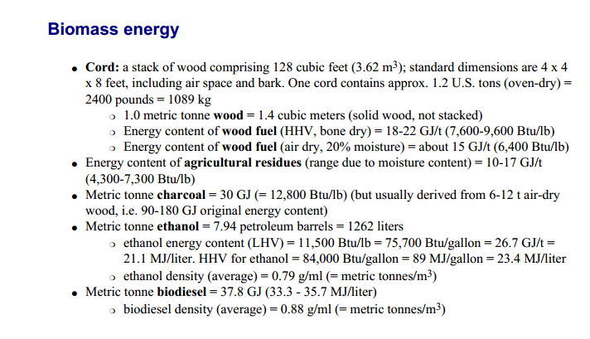
 |  | LHV |  | MJ/L
 |  | HHV |  | MJ/L

Sources | Page |  | Notes

CE_Delft_201109_Toelichting_ketenkentallen_incl_biodiesel_bio-ethanol_(LCA).pdf

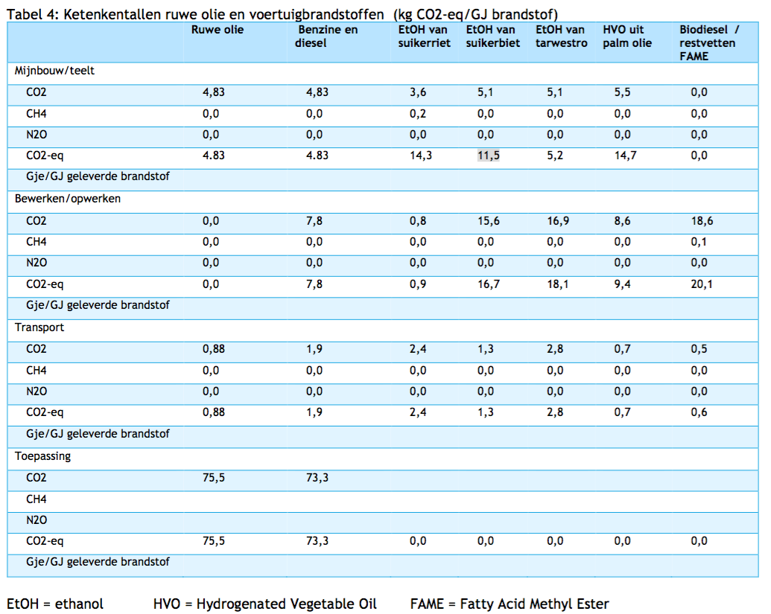

 | 12

 |  | from waste fats
 |  | co2_exploration_per_mj |  |  | 0 | kg CO2 eq/GJ |  | not relevant
 |  | co2_extraction_per_mj |  |  | 0 | kg CO2 eq/GJ
 |  | co2_treatment_per_mj |  |  | 20.1 | kg CO2 eq/GJ
 |  | co2_transportation_per_mj |  |  | 0.6 | kg CO2 eq/GJ
 |  | co2_conversion_per_mj |  |  | 0 | kg CO2 eq/GJ
 |  | co2_waste_treatment_per_mj |  |  | 0 | kg CO2 eq/GJ |  | not relevant

 |  | co2_exploration_per_mj |  |  | 0 | kg CO2 eq/GJ |  | not relevant
 |  | co2_extraction_per_mj |  |  | 0 | kg CO2 eq/GJ
 |  | co2_treatment_per_mj |  |  | 0.0201 | kg CO2 eq/GJ
 |  | co2_transportation_per_mj |  |  | 0.0006 | kg CO2 eq/GJ
 |  | co2_conversion_per_mj |  |  | 0 | kg CO2 eq/GJ
 |  | co2_waste_treatment_per_mj |  |  | 0 | kg CO2 eq/GJ |  | not relevant

 |  | from palm oil
 |  | co2_exploration_per_mj |  |  | 0 | kg CO2 eq/GJ |  | not relevant
 |  | co2_extraction_per_mj |  |  | 14.7 | kg CO2 eq/GJ
 |  | co2_treatment_per_mj |  |  | 9.4 | kg CO2 eq/GJ
 |  | co2_transportation_per_mj |  |  | 0.7 | kg CO2 eq/GJ
 |  | co2_conversion_per_mj |  |  | 0 | kg CO2 eq/GJ
 |  | co2_waste_treatment_per_mj |  |  | 0 | kg CO2 eq/GJ |  | not relevant

 |  | co2_exploration_per_mj |  |  | 0 | kg CO2 eq/GJ |  | not relevant
 |  | co2_extraction_per_mj |  |  | 0.0147 | kg CO2 eq/GJ
 |  | co2_treatment_per_mj |  |  | 0.0094 | kg CO2 eq/GJ
 |  | co2_transportation_per_mj |  |  | 0.0007 | kg CO2 eq/GJ
 |  | co2_conversion_per_mj |  |  | 0 | kg CO2 eq/GJ
 |  | co2_waste_treatment_per_mj |  |  | 0 | kg CO2 eq/GJ |  | not relevant

Sources | Page |  | Notes

Ecofys Abengoa_2007_ Blending ethanol in diesel

http://ec.europa.eu/energy/renewables/biofuels/doc/standard/lot3b.pdf

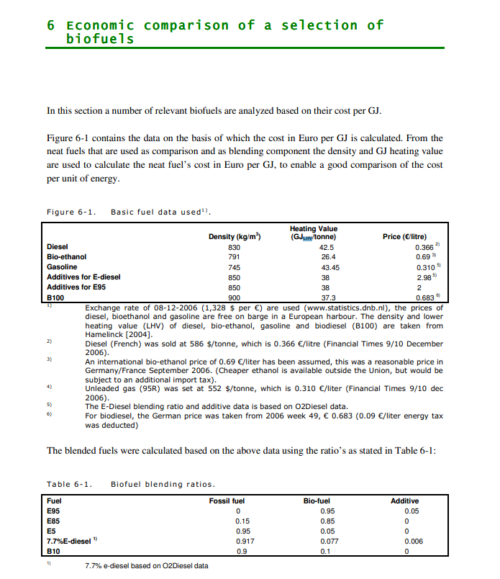

 | 27 | LHV biodiesel | 37.3 | GJ/tonne | Heating value
 |  |  | 37.3 | MJ/kg
 |  |  | 0.9 | kg/m^3 | Density
 |  |  | 33.57 | MJ/L

Sources | Page |  | Notes

http://www.ufop.de/biodiesel-und-co/biodiesel-preis/

 |  |  | For Germany, no price info available for NL

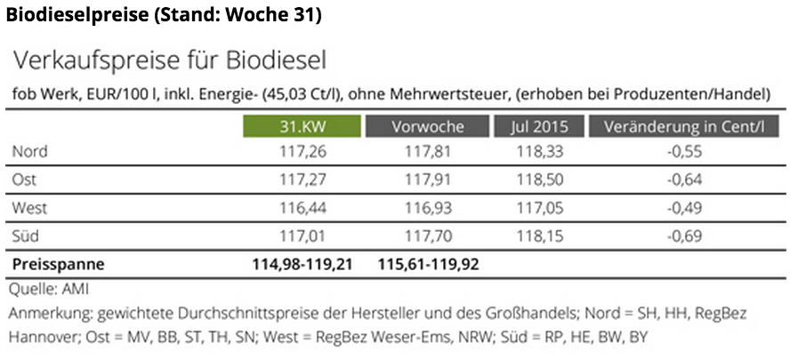

 |  |  | Price (EUR/100l) | Tax | Price -/- tax
 |  | North | 118.33 | 45.03 | 73.3
 |  | East | 118.5 | 45.03 | 73.47
 |  | West | 117.05 | 45.03 | 72.02
 |  | South | 118.15 | 45.03 | 73.12
 |  | Average | 118.0075 | 45.03 | 72.9775 | EUR/100 L
 |  |  |  |  | 0.729775 | EUR/L
 |  |  |  |  | 0.022042255648 | EUR/MJ

Sources | Page |  | Notes

European Commission - Weekly Oil Bulletin
http://ec.europa.eu/energy/observatory/oil/bulletin_en.htm

 | Calculate monthly average
 | NL |  |  |  | Date | ExchangeRateTo € | Gas oil automobileAutomotive gas oilDieselkraftstoff(I) | Gas oil automobileAutomotive gas oilDieselkraftstoff(I)
 | No taxes |  |  |  |  |  | 1000L | 1000L
 |  | diesel | 549.610 | EUR/1000L | 2015-08-03 | 1.00000 | 518.2 | 1,220
 |  | diesel | 0.54961 | EUR/L | 2015-07-27 | 1.00000 | 533.91 | 1,239
 |  |  |  |  | 2015-07-20 | 1.00000 | 547.13 | 1,255
 | Incl taxes | diesel | 1258.000 | EUR/1000L | 2015-07-13 | 1.00000 | 568.62 | 1,281
 |  | diesel | 1.25800 | EUR/L | 2015-07-06 | 1.00000 | 580.19 | 1,295
 |  |  |  |  | 2015-06-29 | 1.00000 | 580.19 | 1,295
 | Taxes |  |  |  | 2015-06-22 | 1.00000 | 585.15 | 1,301
 | VAT | diesel | 21 | % | 2015-06-15 | 1.00000 | 587.63 | 1,304
 | Excise | diesel | 0.48206 | EUR/L | 2015-06-08 | 1.00000 | 587.63 | 1,304
 | Other indirect | diesel | 0.00800 | EUR/L | 2015-06-01 | 1.00000 | 587.63 | 1,304
 |  |  |  |  | 2015-05-25 | 1.00000 | 591.76 | 1,309
 | Check | diesel | 1.25800 | EUR/L (inc tax) | 2015-05-18 | 1.00000 | 594.24 | 1,312
 |  |  |  |  | 2015-05-11 | 1.00000 | 595.06 | 1,313
 |  |  |  |  | 2015-05-04 | 1.00000 | 590.11 | 1,307
 |  |  |  |  | 2015-04-27 | 1.00000 | 591.76 | 1,309
 |  |  |  |  | 2015-04-20 | 1.00000 | 576.88 | 1,291
 |  |  |  |  | 2015-04-13 | 1.00000 | 553.74 | 1,263
 |  |  |  |  | 2015-03-30 | 1.00000 | 566.14 | 1,278
 |  |  |  |  | 2015-03-23 | 1.00000 | 567.79 | 1,280
 |  |  |  |  | 2015-03-16 | 1.00000 | 578.54 | 1,293
 |  |  |  |  | 2015-03-09 | 1.00000 | 579.36 | 1,294
 |  |  |  |  | 2015-03-02 | 1.00000 | 578.54 | 1,293
 |  |  |  |  | 2015-02-23 | 1.00000 | 569.44 | 1,282
 |  |  |  |  | 2015-02-16 | 1.00000 | 560.35 | 1,271
 |  |  |  |  | 2015-02-09 | 1.00000 | 525.64 | 1,229
 |  |  |  |  | 2015-02-02 | 1.00000 | 496.72 | 1,194
 |  |  |  |  | 2015-01-26 | 1.00000 | 490.93 | 1,187
 |  |  |  |  | 2015-01-19 | 1.00000 | 490.93 | 1,187
 |  |  |  |  | 2015-01-12 | 1.00000 | 502.5 | 1,201
 |  |  |  |  | 2015-01-05 | 1.00000 | 508.29 | 1,208

Sources | Page |  | Notes

http://www.biotanken.nl/brandstoffen/biodiesel.html

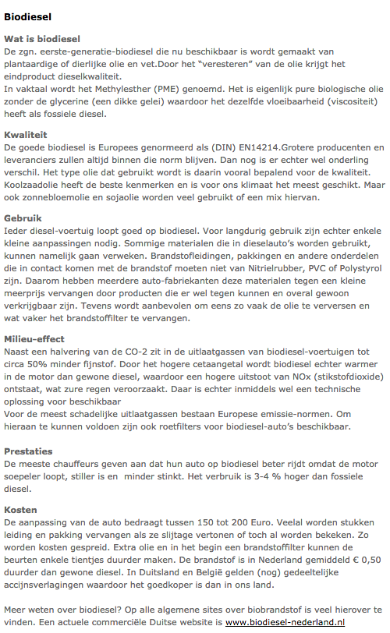
 | biodiesel
 | Price

 |  |  | 0.5 | EUR/L | price difference per liter biodiesel with normal diesel
 |  |  | 1.25800 | EUR/L | normal diesel, pump prices (incl tax)
 |  |  | 1.75800 | EUR/L | Biodiesel estimated pump price (incl tax)

 |  |  | 0.48206 | EUR/L | Excise rate
 |  |  | 0.00800 | EUR/L | Oher indirect tax
 |  |  | 21 | % | VAT rate

 |  |  | 0.962833 | EUR/L | Biodiesel estimated pump price (Excl tax)
 |  |  | 0.029081568261 | EUR/MJ

