Notes
Sources | Page |  | Notes

EU JRC_201111_Well-to-wheel analysis of future automotive fuels and powertrains in the European context (version 3c) WTT Appendix 1
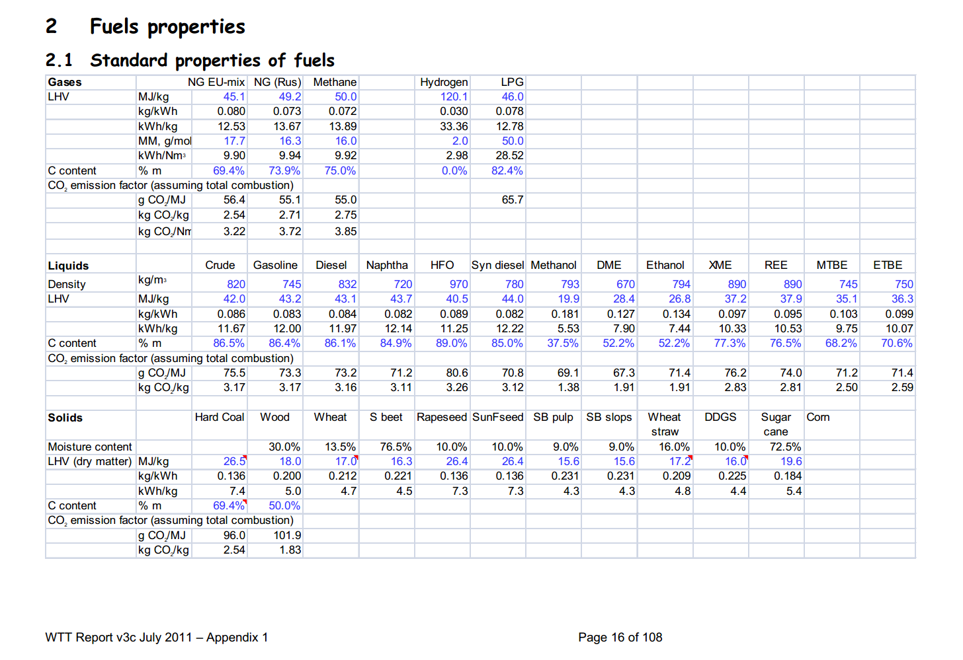

 | 16 | Gasoline | 745 | kg/m3 | Density
 |  |  | 43.2 | MJ/KG | LHV
 |  |  | 0.745 | kg/dm3 | transform to kg/Liter
 |  |  | 32.184 | MJ/L | LHV
 |  |  | 0.0733 | kg/MJ | CO2 emission factor

 |  | Diesel | 832 | kg/m3 | Density
 |  |  | 43.1 | MJ/KG | LHV
 |  |  | 0.832 | kg/dm3 | transform to kg/Liter
 |  |  | 35.8592 | MJ/L | LHV
 |  |  | 0.0732 | kg/MJ | CO2 emission factor

 |  | LPG
 |  |  | 46 | MJ/KG | LHV
 |  |  | 0.524 | kg/L | density @ 8 deg C
 |  |  | 24.104 | MJ/L | LHV
 |  |  | 0.0657 | kg/MJ | CO2 emission factor

 |  | heavy fuel oil | 970 | kg/m3 | Density
 |  |  | 40.5 | MJ/KG | LHV
 |  |  | 0.97 | kg/dm3 | transform to kg/Liter
 |  |  | 39.285 | MJ/L | LHV
 |  |  | 0.0806 | kg/MJ | CO2 emission factor

 |  |  | http://www.langegas.com/alte_daten/umrele.htm

Sources | Page |  | Notes

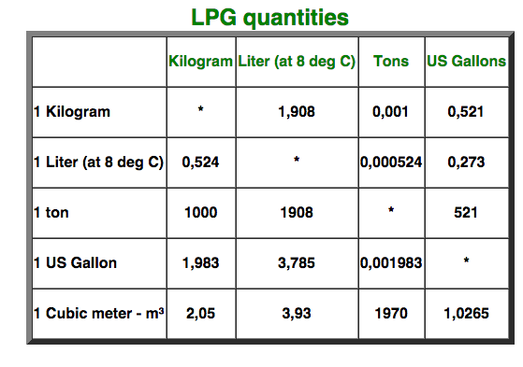
http://www.langegas.com/alte_daten/umrele.htm

 |  | 0.524 | kg/L (at 8 deg C)

Sources | Page |  | Notes

European Commission - Weekly Oil Bulletin
http://ec.europa.eu/energy/observatory/oil/bulletin_en.htm

 | Calculate monthly averages
 | NL |  |  |  | Date | ExchangeRateTo € | Euro-super 95(I) | Gas oil automobileAutomotive gas oilDieselkraftstoff(I) | Gas oil de chauffageHeating gas oilHeizöl(II) | Fuel oil -Schweres Heizöl(III)Soufre | GPL pour moteurLPG motor fuel
 |  |  |  |  |  |  | 1000L | 1000L | 1000L | t | 1000L
 |  | Gasoline | 595.682 | EUR/1000L | 2015-08-03 | 1.00000 | 573.86 | 518.2 | 360.35 | 464.85 | 312.34
 |  | Diesel | 549.610 | EUR/1000L | 2015-07-27 | 1.00000 | 586.26 | 533.91 | 360.35 | 464.85 | 315.65
 |  | LPG | 314.492 | EUR/1000L | 2015-07-20 | 1.00000 | 599.48 | 547.13 | 360.35 | 464.85 | 310.69
 |  | HFO | 464.850 | EUR/t | 2015-07-13 | 1.00000 | 617.67 | 568.62 | 360.35 | 464.85 | 318.96
 |  |  |  |  | 2015-07-06 | 1.00000 | 601.14 | 580.19 | 360.35 | 464.85 | 314.82
 |  | Gasoline | 0.59568 | EUR/L | 2015-06-29 | 1.00000 | 593.7 | 580.19 | 360.35 | 464.85 | 318.13
 |  | Diesel | 0.54961 | EUR/L | 2015-06-22 | 1.00000 | 604.44 | 585.15 | 360.35 | 464.85 | 317.3
 |  | LPG | 0.31449 | EUR/L | 2015-06-15 | 1.00000 | 601.14 | 587.63 | 360.35 | 464.85 | 326.39
 |  | HFO |  |  | 2015-06-08 | 1.00000 | 585.43 | 587.63 | 360.35 | 464.85 | 337.14
 |  |  |  |  | 2015-06-01 | 1.00000 | 579.65 | 587.63 | 360.35 | 464.85 | 342.1
 |  | Gasoline | 0.0185086378325 | EUR/MJ | 2015-05-25 | 1.00000 | 578 | 591.76 | 360.35 | 464.85 | 338.79
 |  | Diesel | 0.0153268896127 | EUR/MJ | 2015-05-18 | 1.00000 | 582.13 | 594.24 | 360.35 | 464.85 | 354.49
 |  | LPG | 0.0130472950548 | EUR/MJ | 2015-05-11 | 1.00000 | 587.91 | 595.06 | 360.35 | 464.85 | 361.1
 |  | HFO | 0.0114777777778 | EUR/MJ | 2015-05-04 | 1.00000 | 584.61 | 590.11 | 360.35 | 464.85 | 365.24
 |  |  |  |  | 2015-04-27 | 1.00000 | 583.78 | 591.76 | 360.35 | 464.85 | 366.06
 |  |  |  |  | 2015-04-20 | 1.00000 | 567.25 | 576.88 | 360.35 | 464.85 | 361.1
 |  |  |  |  | 2015-04-13 | 1.00000 | 544.11 | 553.74 | 360.35 | 464.85 | 366.89
 |  |  |  |  | 2015-03-30 | 1.00000 | 550.72 | 566.14 | 360.35 | 464.85 | 377.63
 |  |  |  |  | 2015-03-23 | 1.00000 | 539.98 | 567.79 | 360.35 | 464.85 | 380.94
 |  |  |  |  | 2015-03-16 | 1.00000 | 543.29 | 578.54 | 360.35 | 464.85 | 377.63
 |  |  |  |  | 2015-03-09 | 1.00000 | 533.37 | 579.36 | 360.35 | 464.85 | 379.29
 |  |  |  |  | 2015-03-02 | 1.00000 | 515.19 | 578.54 | 360.35 | 464.85 | 359.45
 |  |  |  |  | 2015-02-23 | 1.00000 | 502.79 | 569.44 | 360.35 | 464.85 | 338.79
 |  |  |  |  | 2015-02-16 | 1.00000 | 497 | 560.35 | 360.35 | 464.85 | 338.79
 |  |  |  |  | 2015-02-09 | 1.00000 | 463.12 | 525.64 | 360.35 | 464.85 | 342.1
 |  |  |  |  | 2015-02-02 | 1.00000 | 435.02 | 496.72 | 360.35 | 464.85 | 322.26
 |  |  |  |  | 2015-01-26 | 1.00000 | 434.19 | 490.93 | 360.35 | 464.85 | 317.3
 |  |  |  |  | 2015-01-19 | 1.00000 | 435.02 | 490.93 | 360.35 | 464.85 | 313.17
 |  |  |  |  | 2015-01-12 | 1.00000 | 448.24 | 502.5 | 360.35 | 464.85 | 329.7
 |  |  |  |  | 2015-01-05 | 1.00000 | 466.43 | 508.29 | 360.35 | 464.85 | 351.19
 |  |  |  |  | 2014-12-15 | 1.00000 | 519.75 | 564.87 | 364.65 | 465.17 | 383.99
 |  |  |  |  | 2014-12-08 | 1.00000 | 546.81 | 592.75 | 364.65 | 465.17 | 396.75
 |  |  |  |  | 2014-12-01 | 1.00000 | 568.3 | 615.07 | 364.65 | 465.17 | 398.4
 |  |  |  |  | 2014-11-24 | 1.00000 | 580.69 | 633.25 | 364.65 | 465.17 | 405.84
 |  |  |  |  | 2014-11-17 | 1.00000 | 584.83 | 644.82 | 364.65 | 465.17 | 399.23
 |  |  |  |  | 2014-11-10 | 1.00000 | 584.83 | 643.99 | 364.65 | 465.17 | 414.93
 |  |  |  |  | 2014-11-03 | 1.00000 | 585.65 | 639.03 | 364.65 | 465.17 | 422.37
 |  |  |  |  | 2014-10-27 | 1.00000 | 590.61 | 635.73 | 364.65 | 465.17 | 427.33
 |  |  |  |  | 2014-10-20 | 1.00000 | 605.49 | 631.6 | 364.65 | 465.17 | 443.03
 |  |  |  |  | 2014-10-13 | 1.00000 | 641.02 | 653.08 | 364.65 | 465.17 | 449.64
 |  |  |  |  | 2014-10-06 | 1.00000 | 657.55 | 678.7 | 364.65 | 465.17 | 448.82
 |  |  |  |  | 2014-09-29 | 1.00000 | 653.42 | 677.88 | 364.65 | 465.17 | 453.77
 |  |  |  |  | 2014-09-22 | 1.00000 | 660.03 | 679.53 | 364.65 | 465.17 | 454.6
 |  |  |  |  | 2014-09-15 | 1.00000 | 666.64 | 684.49 | 364.65 | 465.17 | 448.82
 |  |  |  |  | 2014-09-08 | 1.00000 | 666.64 | 694.41 | 364.65 | 465.17 | 455.43
 |  |  |  |  | 2014-09-01 | 1.00000 | 655.07 | 691.1 | 364.65 | 465.17 | 445.51
 |  |  |  |  | 2014-08-25 | 1.00000 | 650.12 | 680.36 | 364.65 | 465.17 | 444.68
 |  |  |  |  | 2014-08-18 | 1.00000 | 646.81 | 686.97 | 364.65 | 465.17 | 454.6
 |  |  |  |  | 2014-08-11 | 1.00000 | 647.64 | 688.62 | 364.65 | 465.17 | 448.82
 |  |  |  |  | 2014-08-04 | 1.00000 | 660.03 | 694.41 | 364.65 | 465.17 | 452.95
 |  |  |  |  | 2014-07-28 | 1.00000 | 663.34 | 687.79 | 364.65 | 465.17 | 457.91
 |  |  |  |  | 2014-07-21 | 1.00000 | 669.95 | 684.49 | 364.65 | 465.17 | 449.64
 |  |  |  |  | 2014-07-14 | 1.00000 | 688.96 | 689.45 | 364.65 | 465.17 | 443.86
 |  |  |  |  | 2014-07-07 | 1.00000 | 693.09 | 700.19 | 364.65 | 465.17 | 449.64
 |  |  |  |  | 2014-06-30 | 1.00000 | 701.36 | 711.76 | 364.65 | 465.17 | 452.95
 |  |  |  |  | 2014-06-23 | 1.00000 | 699.7 | 710.93 | 364.65 | 465.17 | 448.82
 |  |  |  |  | 2014-06-16 | 1.00000 | 684 | 696.06 | 364.65 | 465.17 | 445.51
 |  |  |  |  | 2014-06-09 | 1.00000 | 668.3 | 688.62 | 364.65 | 465.17 | 440.55
 |  |  |  |  | 2014-06-02 | 1.00000 | 671.6 | 696.06 | 364.65 | 465.17 | 438.07
 |  |  |  |  | 2014-05-26 | 1.00000 | 669.12 | 696.06 | 364.65 | 465.17 | 443.86
 |  |  |  |  | 2014-05-19 | 1.00000 | 661.69 | 696.06 | 364.65 | 465.17 | 439.73
 |  |  |  |  | 2014-05-12 | 1.00000 | 657.55 | 688.62 | 364.65 | 465.17 | 440.55
 |  |  |  |  | 2014-05-05 | 1.00000 | 666.64 | 691.93 | 364.65 | 465.17 | 450.47
 |  |  |  |  | 2014-04-28 | 1.00000 | 671.6 | 696.88 | 364.65 | 465.17 | 449.64
 |  |  |  |  | 2014-04-14 | 1.00000 | 654.25 | 687.79 | 364.65 | 465.17 | 453.77
 |  |  |  |  | 2014-04-07 | 1.00000 | 645.16 | 687.79 | 364.65 | 465.17 | 450.47
 |  |  |  |  | 2014-03-31 | 1.00000 | 628.63 | 681.18 | 364.65 | 465.17 | 452.95
 |  |  |  |  | 2014-03-24 | 1.00000 | 612.93 | 672.92 | 364.65 | 465.17 | 458.73
 |  |  |  |  | 2014-03-17 | 1.00000 | 622.02 | 680.36 | 367.96 | 462.17 | 462.04
 |  |  |  |  | 2014-03-10 | 1.00000 | 635.24 | 691.93 | 380.36 | 467.17 | 469.48
 |  |  |  |  | 2014-03-03 | 1.00000 | 641.02 | 701.84 | 385.31 | 461.17 | 474.44
 |  |  |  |  | 2014-02-24 | 1.00000 | 641.85 | 705.98 | 389.45 | 462.17 | 475.26
 |  |  |  |  | 2014-02-17 | 1.00000 | 636.89 | 703.5 | 386.14 | 456.17 | 483.53
 |  |  |  |  | 2014-02-10 | 1.00000 | 626.97 | 695.23 | 383.66 | 449.17 | 498.4
 |  |  |  |  | 2014-02-03 | 1.00000 | 625.32 | 694.41 | 386.97 | 443.17 | 496.75
 |  |  |  |  | 2014-01-27 | 1.00000 | 626.97 | 693.58 | 386.14 | 432.17 | 498.4
 |  |  |  |  | 2014-01-20 | 1.00000 | 624.5 | 692.75 | 381.18 | 430.17 | 498.4
 |  |  |  |  | 2014-01-13 | 1.00000 | 631.11 | 701.84 | 381.18 | 432.17 | 500.06
 |  |  |  |  | 2014-01-06 | 1.00000 | 633.59 | 704.32 | 356.39 | 434.17 | 501.71

