Notes
Source |  | Notes

This is a 0.016 MW, 100m2 (multi) crystalline rooftop Si PV system. This technology was chosen because is commercially available, the most common, and featured in a recently updated extensive research by the Fraunhofer Institute (Dec. 2015).

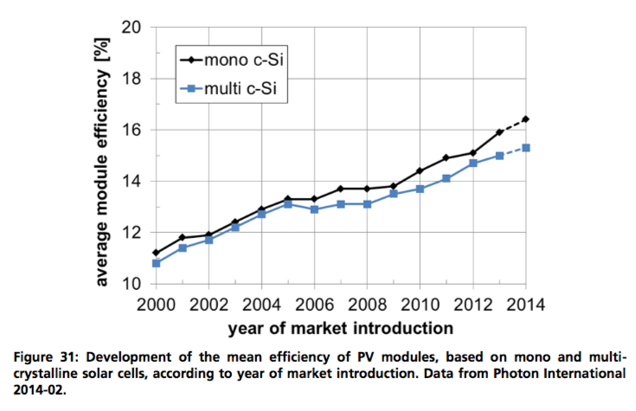
Fraunhofer
p.42

 | 0.16 |  | output.electricity

 |  | Approximately the weighted average
 |  | of mono- and multi crystalline Si
 |  | modules

 |  | This efficiency equals the power output per surface
 |  | area (kWp/m2) for standard testing conditions (STC):
 |  | Hit by a perpendicular, 1000W/m2 intense bundle
 |  | of artificial sunlight. Hence, the efficiency times
 |  | this 1.0 kWp/m2 intensity gives the output capacity:

 | 0.16 | kWp/m2

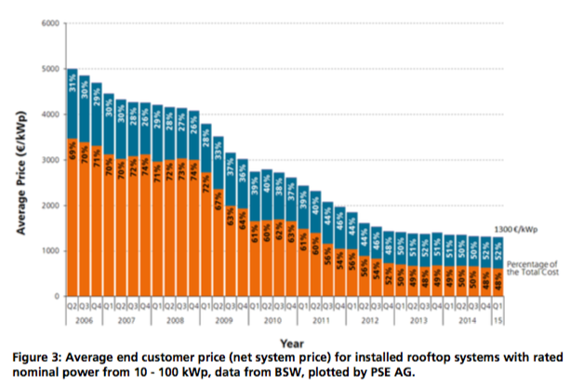
 | 100.0 | m2 | land_use_per_unit
 | 0.0001 | km2 | definition

p.9

 | 1300 | euro/kwp
 |  | initial_investment + installing_cost

 | 624 | euro/kwp | modules
 | 676 | euro/kwp | BOS, inverter, instal.

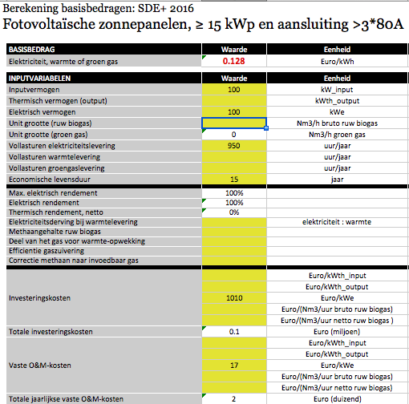

p.41

 | 25 | yrs | technical_lifetime
 |  |  | average

ECN

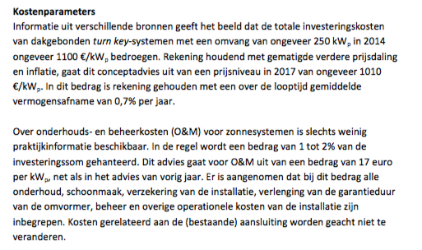

 | 1010 | EUR/kWp | initial_investment

 | 17 | EUR/kWp | fixed o&m/year

 |  | assumption: all o&m fixed

 | 0 | euro/kwp | variable o&m/flh

Combining ECN and Fraunhofer

 | 1300.00 | euro/kwp | initial_investment + cost_of_instaling
 | 1010.00 | euro/kwp | initial_investment
 | 290.00 | euro/kwp | cost_of_installing

 | 624.00 | euro/kwp | modules initial_investment
 | 386.00 | euro/kwp | bos and inverter initial_investment

