Notes
Source | Notes

This is a utility scale-20 MW ground-mounted crystalline PV system. This technology was chosen because is commercially available on a large scale, the most common, and featured in a recent extensive and quantitative research by the Fraunhofer Institute (Feb. 2015).

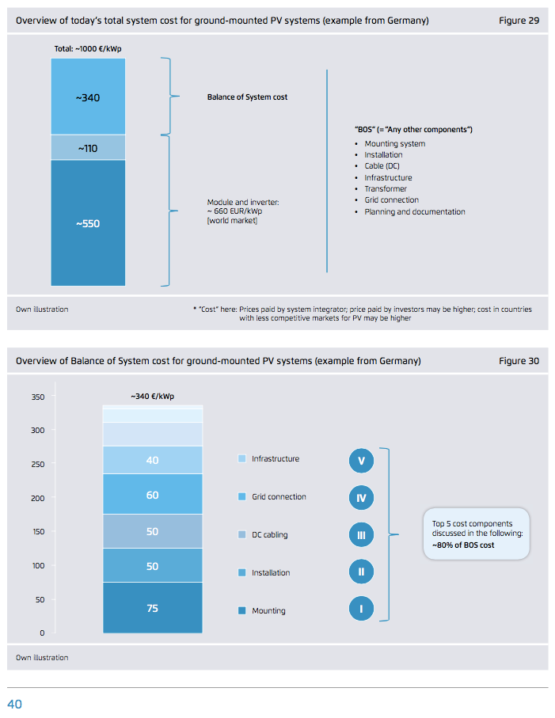
Fraunhofer
p. 40

 |  | 340 | euro/kWp | BOS

 |  | 110 | euro/kWp | inverter

 |  | 550 | euro/kWp | module

 |  | 50 | euro/kWp | installation
 |  | 290 | euro/kWp | bos - installation

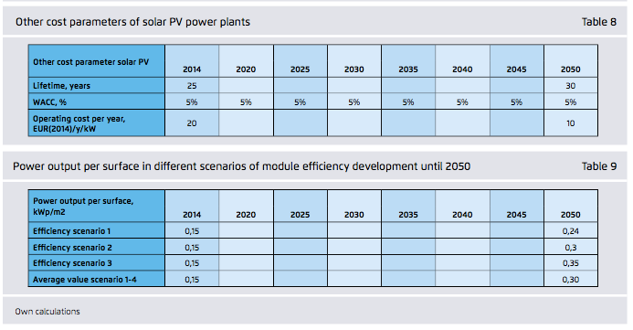

p.67

 |  | 25 | years | technical_lifetime
 |  | 0.05 |  | wacc
 |  |  | o&m costs should be given in kWp
 |  |  | Assumption: o&m 1.5% of investement

 |  | 14.25 | euro/kWp/yr | fixed o&m

 |  |  | Assumption: all o&m fixed

 |  | 0 | euro/flh/y | variable o&m/flh

 |  | 0.15 | kWp/m2 | capacity

 |  |  | This power output capacity equals
 |  |  | the efficiency for standard testing
 |  |  | conditions (STC)
 |  |  | It is later multiplied with (corrected)
 |  |  | FLHs to obtain the actual output
 |  |  | (irradiation, country specific)

 |  | 0.15 |  | output.electricity

 |  | 20 | MW | solar PV plant | Definition
 |  | 20000 | kW

 |  | 133333.33333 | m2 | land_user_per_unit
 |  | 0.13333333333 | km2

NREL
p.39 |  | 12 | months
 |  | 1 | year

