Notes
Sources | Page |  | Notes

EU JRC_201111_Well-to-wheel analysis of future automotive fuels and powertrains in the European context (version 3c) WTT Appendix 1
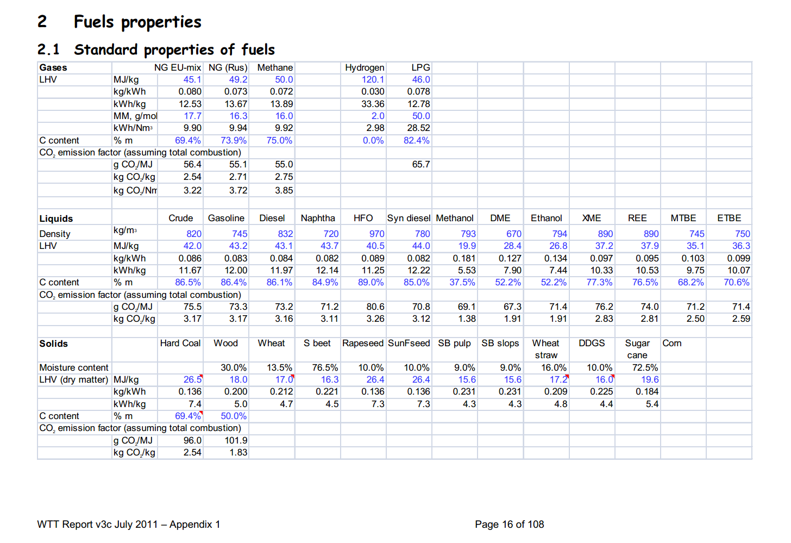

 | 16 |  | 890 | kg/m3 | Density
 |  |  | 37.2 | MJ/KG | LHV
 |  |  | 0.89 | kg/dm3 | transform to kg/Liter
 |  |  | 33.108 | MJ/L | LHV

Sources | Page |  | Notes

MinLenV Vlaanderen_2008_koolzaad van zaad tot olie

 | 17

 | 26
 | komt hier uit

 | 26

 |  | Opbrengst biodiesel
 |  |  | 1600 | liter/ha | winterkoolzaad
 |  | opbrengst | 4.5 | ton/ha | winterkoolzaad | 1485 | liter koolzaadolie
 |  | opbrengst | 3.25 | ton /ha | zomerkoolzaad

 |  |  | 160000 | L/km2
 |  |  | 5269465 | MJ/km2

Sources | Page |  | Notes
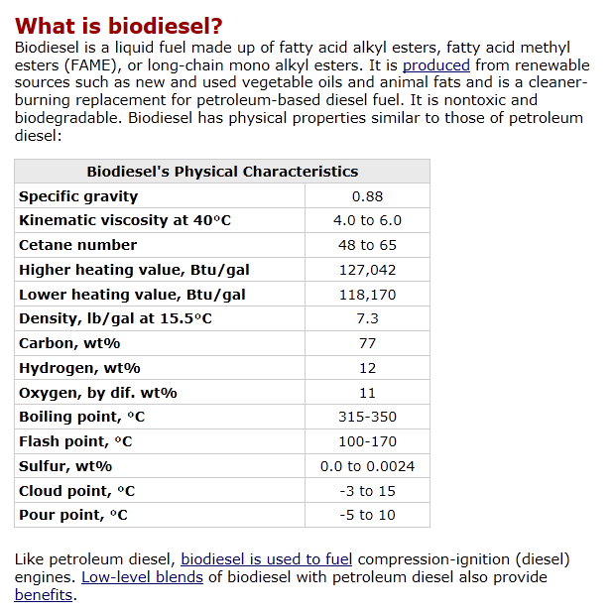
http://www.afdc.energy.gov/afdc/fuels/biodiesel_what_is.html
 |  |  | Energie dichtheid
 |  |  | 170000 | 200000 | BTU | per gallon
 |  |  | 1055 |  | 1 BTU in joules | per gallon |  | 3.78541178 | liter in Gallon
 |  |  | 179350000 |  | joules | per gallon
 |  |  | 179.35 |  | Mega joules | per gallon
 |  |  |  |  | MJ/L

 |  | Low heating value | 118170 | btu/gallon
 |  |  | 124669350 | joules per gallon
 |  |  | 124.66935 | MJ/gallon
 |  |  | 32.93415809 | MJ/L

 |  | High heating value | 127042 | btu/gallon
 |  |  | 134029310 | joules per gallon
 |  |  | 134.02931 | MJ/gallon
 |  |  | 35.406797936 | MJ/L

Sources | Page |  | Notes

Borjesson_2010_Agricultural crop-based biofuels.pdf

 | 111

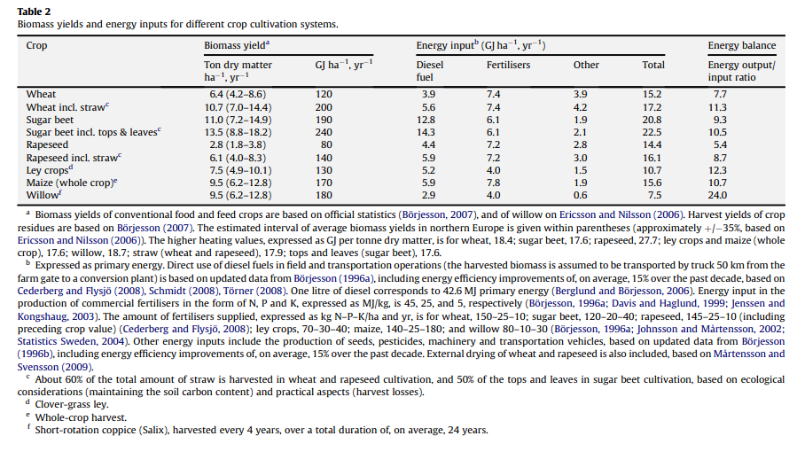

 | 111

 | 112

 | 113

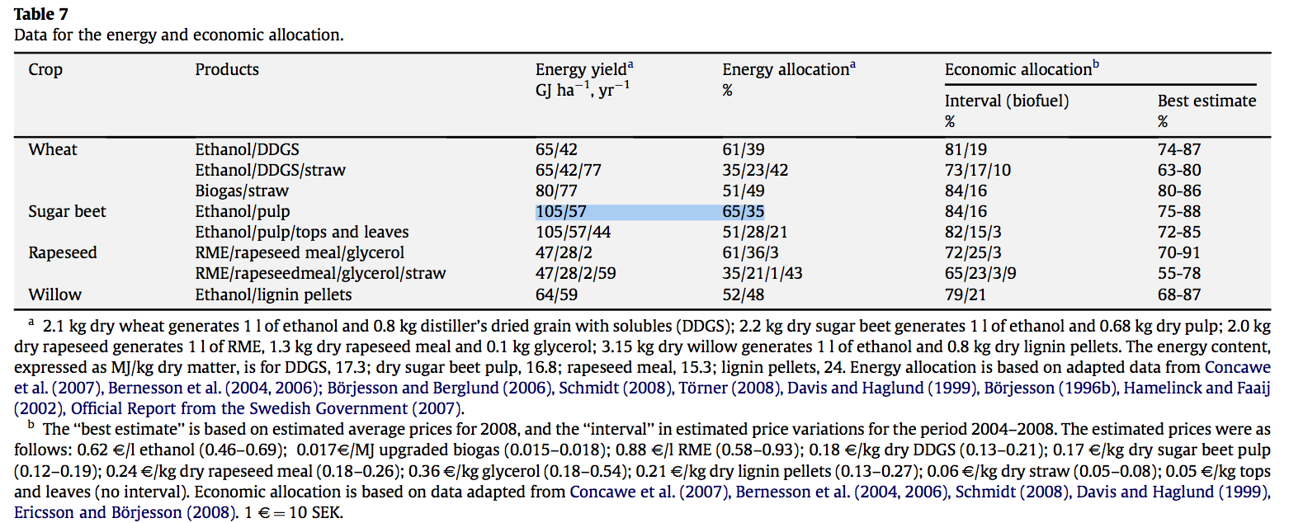
 | 114

 |  |  |  | GJ/ha/yr
 |  |  |  | MJ/ha/yr
 |  |  |  | MJ/km2/yr

Sources | Page |  | Notes
http://www.localenergy.org/pdfs/Document%20Library/Bioenergy%20conversion%20factors.pdf
 | 3
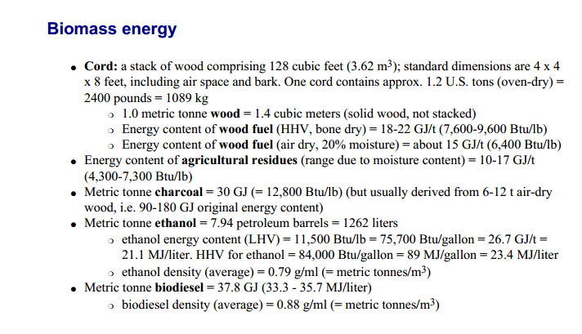
 |  | LHV |  | MJ/L
 |  | HHV |  | MJ/L

Sources | Page |  | Notes

CE_Delft_201109_Toelichting_ketenkentallen_incl_biodiesel_bio-ethanol_(LCA).pdf

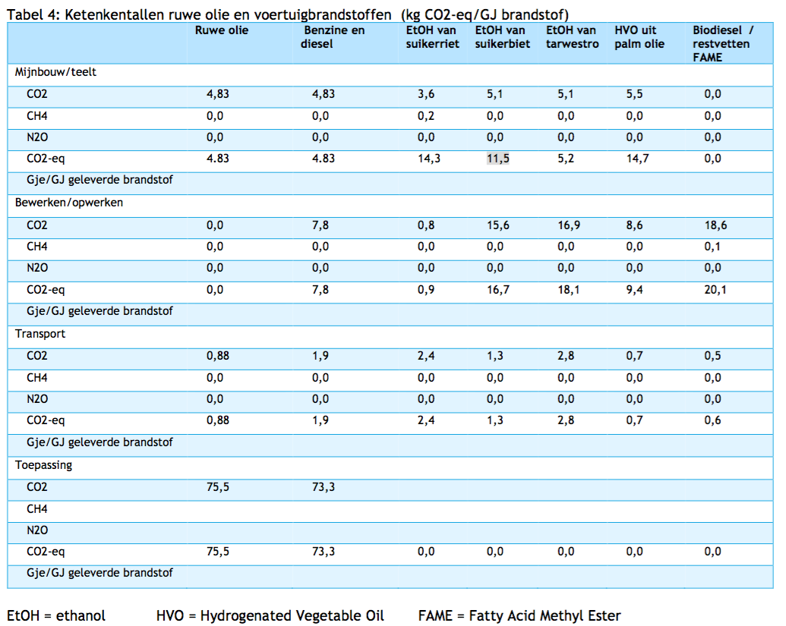

 | 12

 |  | from waste fats
 |  | co2_exploration_per_mj |  |  | 0 | kg CO2 eq/GJ |  | not relevant
 |  | co2_extraction_per_mj |  |  | 0 | kg CO2 eq/GJ
 |  | co2_treatment_per_mj |  |  | 20.1 | kg CO2 eq/GJ
 |  | co2_transportation_per_mj |  |  | 0.6 | kg CO2 eq/GJ
 |  | co2_conversion_per_mj |  |  | 0 | kg CO2 eq/GJ
 |  | co2_waste_treatment_per_mj |  |  | 0 | kg CO2 eq/GJ |  | not relevant

 |  | co2_exploration_per_mj |  |  | 0 | kg CO2 eq/GJ |  | not relevant
 |  | co2_extraction_per_mj |  |  | 0 | kg CO2 eq/GJ
 |  | co2_treatment_per_mj |  |  | 0.0201 | kg CO2 eq/GJ
 |  | co2_transportation_per_mj |  |  | 0.0006 | kg CO2 eq/GJ
 |  | co2_conversion_per_mj |  |  | 0 | kg CO2 eq/GJ
 |  | co2_waste_treatment_per_mj |  |  | 0 | kg CO2 eq/GJ |  | not relevant

 |  | from palm oil
 |  | co2_exploration_per_mj |  |  | 0 | kg CO2 eq/GJ |  | not relevant
 |  | co2_extraction_per_mj |  |  | 14.7 | kg CO2 eq/GJ
 |  | co2_treatment_per_mj |  |  | 9.4 | kg CO2 eq/GJ
 |  | co2_transportation_per_mj |  |  | 0.7 | kg CO2 eq/GJ
 |  | co2_conversion_per_mj |  |  | 0 | kg CO2 eq/GJ
 |  | co2_waste_treatment_per_mj |  |  | 0 | kg CO2 eq/GJ |  | not relevant

 |  | co2_exploration_per_mj |  |  | 0 | kg CO2 eq/GJ |  | not relevant
 |  | co2_extraction_per_mj |  |  | 0.0147 | kg CO2 eq/GJ
 |  | co2_treatment_per_mj |  |  | 0.0094 | kg CO2 eq/GJ
 |  | co2_transportation_per_mj |  |  | 0.0007 | kg CO2 eq/GJ
 |  | co2_conversion_per_mj |  |  | 0 | kg CO2 eq/GJ
 |  | co2_waste_treatment_per_mj |  |  | 0 | kg CO2 eq/GJ |  | not relevant

Sources | Page |  | Notes

Ecofys Abengoa_2007_ Blending ethanol in diesel

http://ec.europa.eu/energy/renewables/biofuels/doc/standard/lot3b.pdf

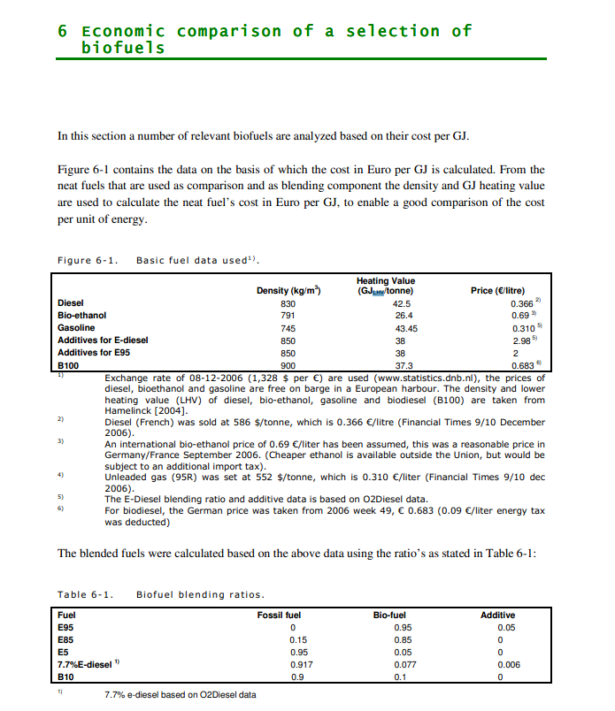

 | 27 | LHV biodiesel | 37.3 | GJ/tonne | Heating value
 |  |  | 37.3 | MJ/kg
 |  |  | 0.9 | kg/m^3 | Density
 |  |  | 33.57 | MJ/L

Sources | Page |  | Notes

http://www.ufop.de/biodiesel-und-co/biodiesel-preis/

 |  |  | For Germany, no price info available for NL

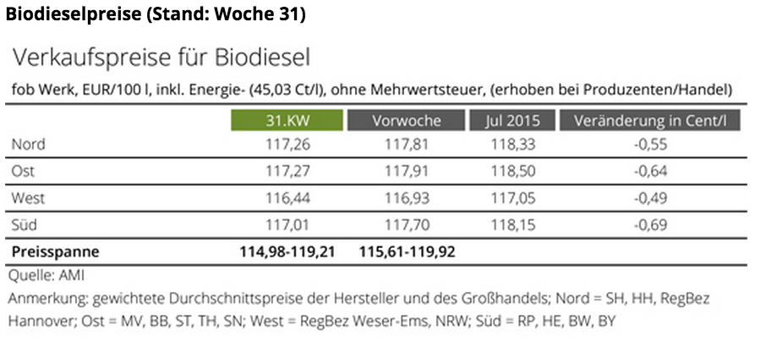

 |  |  | Price (EUR/100l) | Tax | Price -/- tax
 |  | North | 118.33 | 45.03 | 73.3
 |  | East | 118.5 | 45.03 | 73.47
 |  | West | 117.05 | 45.03 | 72.02
 |  | South | 118.15 | 45.03 | 73.12
 |  | Average | 118.0075 | 45.03 | 72.9775 | EUR/100 L
 |  |  |  |  | 0.729775 | EUR/L
 |  |  |  |  | 0.022042255648 | EUR/MJ

