Notes
Sources | Page |  | Notes

EU JRC_201111_Well-to-wheel analysis of future automotive fuels and powertrains in the European context (version 3c) WTT Appendix 1
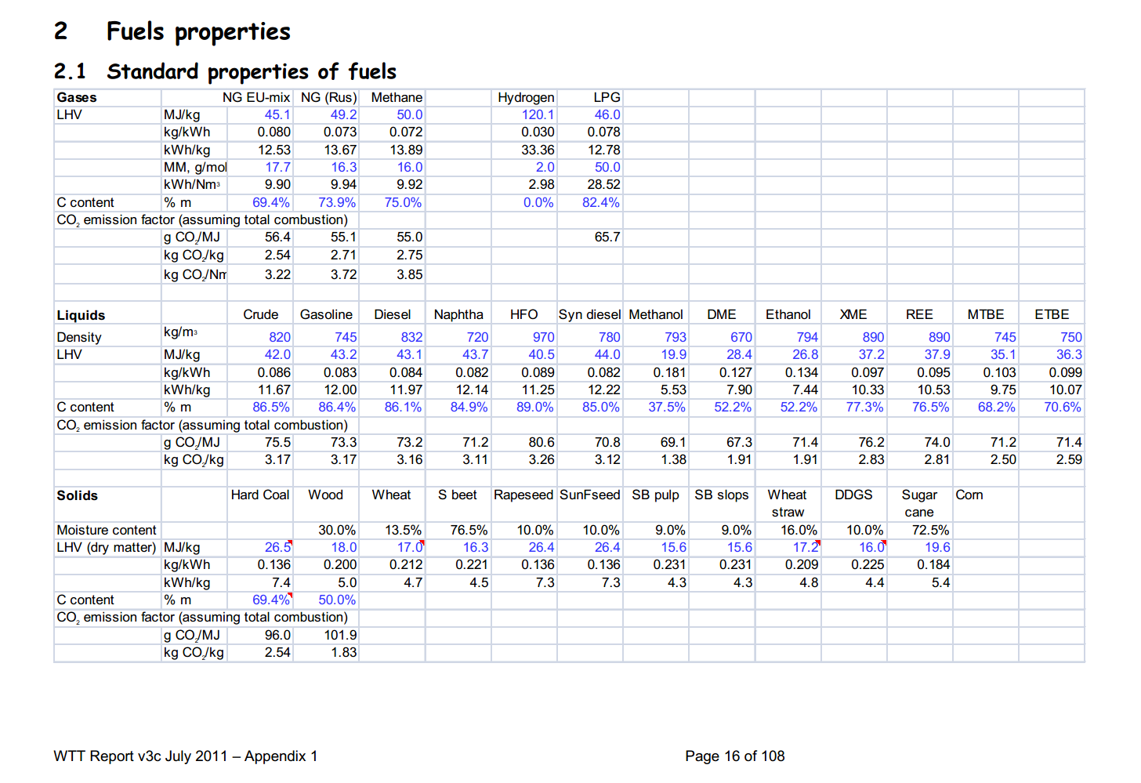

 | 16 | Crude | 820 | kg/m3 | Density
 |  |  | 42 | MJ/KG | LHV
 |  |  | 0.82 | kg/dm3 | transform to kg/Liter
 |  |  | 34.44 | MJ/L | LHV
 |  |  | 0.0755 | kg CO2/MJ | Co2 emission factor

Sources | Page |  | Notes

CE_Delft_201109_Toelichting_ketenkentallen_incl_biodiesel_bio-ethanol_(LCA).pdf

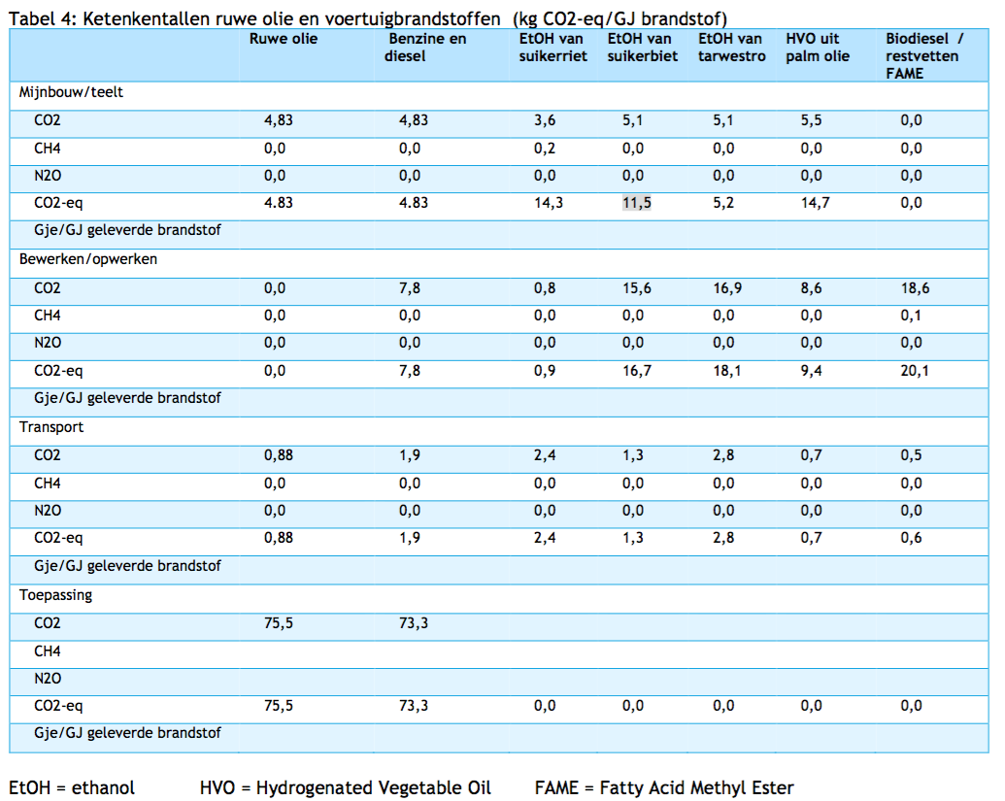

 | 12

 |  | Crude oil
 |  | co2_exploration_per_mj |  |  | 0 | kg CO2 eq/GJ | not relevant
 |  | co2_extraction_per_mj |  |  | 4.83 | kg CO2 eq/GJ
 |  | co2_treatment_per_mj |  |  | 0 | kg CO2 eq/GJ
 |  | co2_transportation_per_mj |  |  | 0.88 | kg CO2 eq/GJ
 |  | co2_conversion_per_mj |  |  | 75.5 | kg CO2 eq/GJ
 |  | co2_waste_treatment_per_mj |  |  | 0 | kg CO2 eq/GJ | not relevant

 |  | co2_exploration_per_mj |  |  | 0 | kg CO2 eq/GJ | not relevant
 |  | co2_extraction_per_mj |  |  | 0.00483 | kg CO2 eq/GJ
 |  | co2_treatment_per_mj |  |  | 0 | kg CO2 eq/GJ
 |  | co2_transportation_per_mj |  |  | 0.00088 | kg CO2 eq/GJ
 |  | co2_conversion_per_mj |  |  | 0.0755 | kg CO2 eq/GJ
 |  | co2_waste_treatment_per_mj |  |  | 0 | kg CO2 eq/GJ | not relevant

Sources | Page |  | Notes

http://www.euroinvestor.com/exchanges/gtis-energy/wti-oil/2327086/history

 |  |  | WTI oil prices
 |  |  |  |  |  |  |  | Date | Open Price | High | Low | Close Price | Volume
 |  |  |  | 50.113913043 | USD/barrel | Monthly average |  | 2015-08-04 | 45.69 | 45.69 | 45.69 | 45.69 | 0
 |  |  |  | 158.987295 | L/barrel |  |  | 2015-08-03 | 45.31 | 45.31 | 45.31 | 45.31 | 0
 |  |  |  | 0.31520702987 | USD/L |  |  | 2015-07-31 | 46.79 | 46.79 | 46.79 | 46.79 | 0
 |  |  |  | 1.098 | USD/EUR |  |  | 2015-07-30 | 48.47 | 48.47 | 48.47 | 48.47 | 0
 |  |  |  | 0.28707379769 | EUR/L |  |  | 2015-07-29 | 48.78 | 48.78 | 48.78 | 48.78 | 0
 |  |  |  | 34.44 | MJ/L |  |  | 2015-07-28 | 47.69 | 47.69 | 47.69 | 47.69 | 0
 |  |  |  | 0.0083354761 | EUR/MJ |  |  | 2015-07-27 | 47.1 | 47.1 | 47.1 | 47.1 | 0
 |  |  |  |  |  |  |  | 2015-07-24 | 47.94 | 47.94 | 47.94 | 47.94 | 0
 |  |  |  |  |  |  |  | 2015-07-23 | 48.74 | 48.74 | 48.74 | 48.74 | 0
 |  |  |  |  |  |  |  | 2015-07-22 | 49.08 | 49.08 | 49.08 | 49.08 | 0
 |  |  |  |  |  |  |  | 2015-07-21 | 50.79 | 50.79 | 50.79 | 50.79 | 0
 |  |  |  |  |  |  |  | 2015-07-20 | 49.98 | 49.98 | 49.98 | 49.98 | 0
 |  |  |  |  |  |  |  | 2015-07-17 | 50.86 | 50.86 | 50.86 | 50.86 | 0
 |  |  |  |  |  |  |  | 2015-07-16 | 50.98 | 50.98 | 50.98 | 50.98 | 0
 |  |  |  |  |  |  |  | 2015-07-15 | 51.31 | 51.31 | 51.31 | 51.31 | 0
 |  |  |  |  |  |  |  | 2015-07-14 | 52.84 | 52.84 | 52.84 | 52.84 | 0
 |  |  |  |  |  |  |  | 2015-07-13 | 52.17 | 52.17 | 52.17 | 52.17 | 0
 |  |  |  |  |  |  |  | 2015-07-10 | 52.64 | 52.64 | 52.64 | 52.64 | 0
 |  |  |  |  |  |  |  | 2015-07-09 | 52.83 | 52.83 | 52.83 | 52.83 | 0
 |  |  |  |  |  |  |  | 2015-07-08 | 51.65 | 51.65 | 51.65 | 51.65 | 0
 |  |  |  |  |  |  |  | 2015-07-07 | 52.83 | 52.83 | 52.83 | 52.83 | 0
 |  |  |  |  |  |  |  | 2015-07-06 | 52.66 | 52.66 | 52.66 | 52.66 | 0
 |  |  |  |  |  |  |  | 2015-07-03 | 55.49 | 55.49 | 55.49 | 55.49 | 0

