Notes
Sources | Page | Notes

http://www.statoilaviation.com/en_EN/pg1332347009500/ar1334072083204/SFRAviation/fuel_jeta1.html

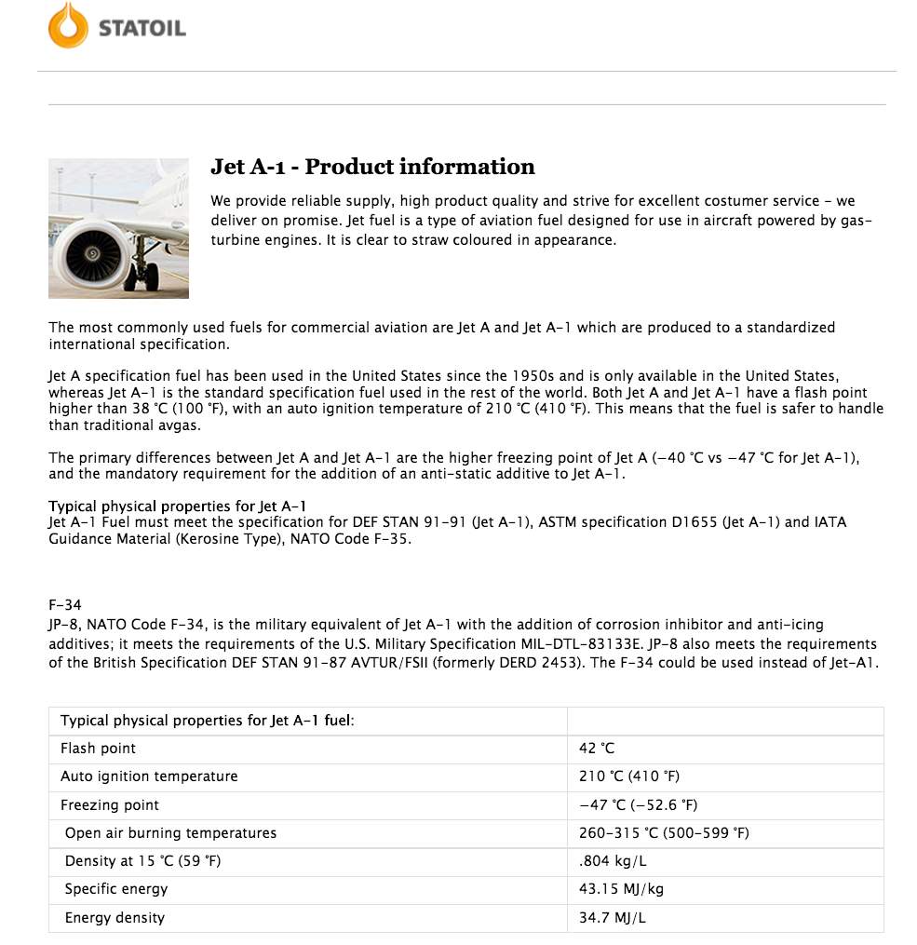
 |  | Product information
 |  | Jet A-1

 |  | 0.804 | kg/L
 |  | 43.15 | MJ/kg
 |  | 34.6926 | MJ/L

Sources | Page | Notes

http://www.indexmundi.com/commodities/?commodity=jet-fuel&currency=eur
 |  | Fuel price

 |  |  |  |  | EUR/Gallon
 |  |  |  |  | Month | Price
 |  | 1.52 | EUR/US Gallon | 6 month average 2015 | Jan-15 | 1.29
 |  | 3.78541 | L/US Gallon |  | Feb-15 | 1.55
 |  | 0.40154170882 | EUR/L |  | Mar-15 | 1.5
 |  | 0.01157427546 | EUR/MJ |  | Apr-15 | 1.58
 |  |  |  |  | May-15 | 1.66
 |  |  |  |  | Jun-15 | 1.54

