lighting
Source: PROYECTO SECH-SPAHOUSEC Consumos del Sector Residencial en España Resumen de Información Básica
Downloaded from http://www.idae.es/uploads/documentos/documentos_Documentacion_Basica_Residencial_Unido_c93da537.pdf

Table 12 specifies the total number of light bulbs of a specific type for Spain
We assume that each type of lamps produces the same amount of light (useful energy)

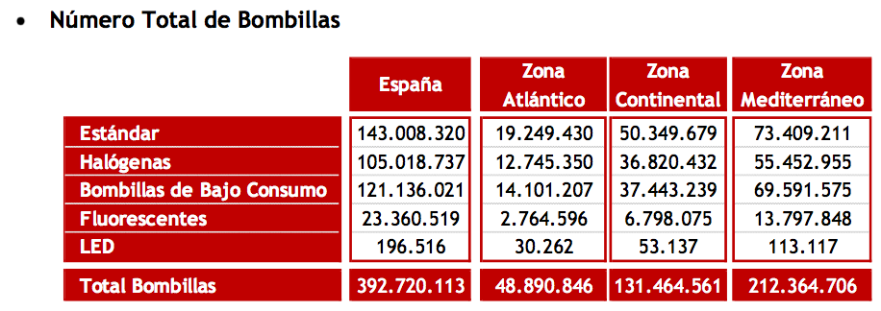

Type | Translation | Number | Share
Estándar | Standard | 143008320.0 | 36.41%
Halógenas | Halogen | 105018737.0 | 26.74%
Bombillas de Bajo Consumo | Low energy bulbs | 121136021.0 | 30.85%
Fluorescentes | Fluorescent | 23360519.0 | 5.95%
LED | LED | 196516.0 | 0.05%
Total Bambillas | Total bulbs | 392720113.0

The ETM only distinguishes three categories; see below how we mapped the above 5 categories on these 3 categories

ETM dashboard values |  |  | Type 1 | Type 2

Percentage of light (useful energy) delivered by
incandescent lamps |  |  | Standard | Halogen | 63.16%
low energy light bulbs (efficiient fluorescent lighting) |  |  | Low energy bulbs | Fluorescent | 36.79%
LED lamps |  |  | LED |  | 0.05%
 |  |  |  |  | 100.00%

