Notes
Sources | Page |  | Notes

EU JRC_201111_Well-to-wheel analysis of future automotive fuels and powertrains in the European context (version 3c) WTT Appendix 1
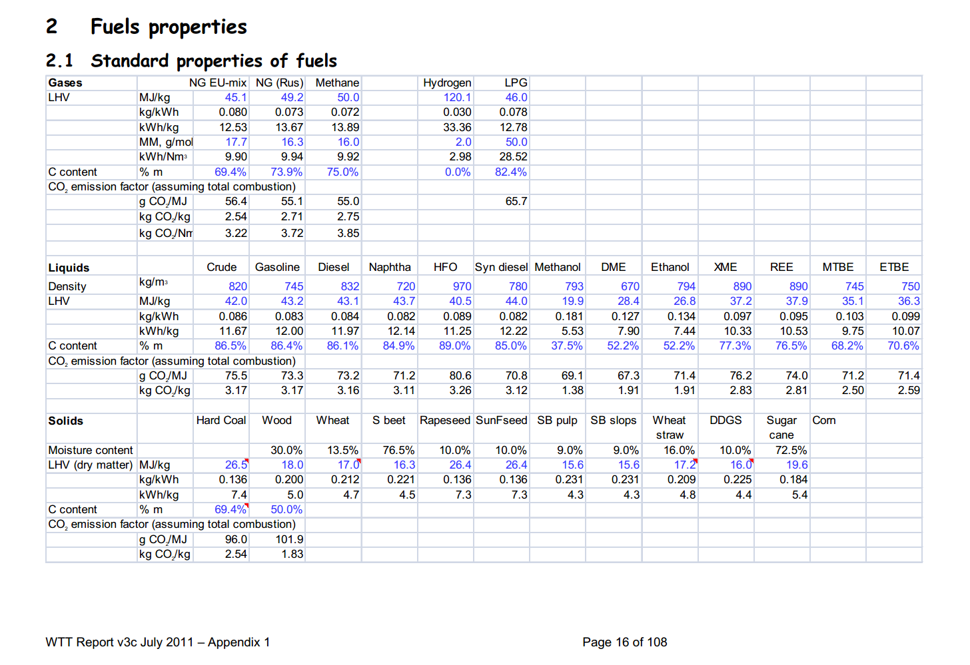

 | 16 |  | 794 | kg/m3 | Density
 |  |  | 26.8 | MJ/KG | LHV
 |  |  | 0.794 | kg/dm3 | transform to kg/Liter
 |  |  | 21.2792 | MJ/L | LHV

Sources | Page |  | Notes

Borjesson_2010_Agricultural crop-based biofuels.pdf

 | 111

 |  | sugar beet

 | 111

 | 112

 | 113

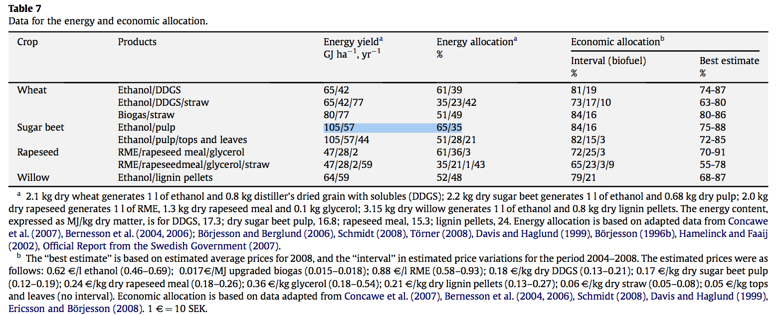
 | 114

 |  |  | 105 | GJ/ha/yr
 |  |  | 105000 | MJ/ha/yr
 |  |  | 10500000 | MJ/km2/yr

Sources | Page |  | Notes
BioEnergie Noord_200705_bioethanol_drieluik.pdf

 |  | Opbrengst:

 |  |  |  |  |  |  |  | Gewas | Yield (L/ha)
 |  |  |  |  |  |  |  | Bieten | 5900
 |  |  |  |  |  |  |  | Aardappelen | 5000
 |  |  |  |  |  |  |  | Maïs | 4000
 |  |  |  |  |  |  |  | Tarwe | 3200
 |  |  |  |  |  |  |  | Triticale | 2100

 |  | Warmte en E-vraag

 |  |  | MJth/L | W
 |  |  | kWhe/L | E

 |  | Kosten

 |  | Importtarieven in EU

 |  | EU productie

Sources | Page |  | Notes
http://en.wikipedia.org/wiki/Ethanol_fuel

Sources | Page |  | Notes
http://www.agriholland.nl/dossiers/biobrandstoffen/agrarischesector.html#mais

 |  | Opbrengst

 |  |  | Mais
 |  |  | 5000 | l/ha | bio-ethanol
 |  |  | 1.27 | soortelijke massa bio-ethanol (kg/L ratio)
 |  |  | 515620 | l/km2
 |  |  | 5156.2 | L/ha
 |  |  | 4060 | kg/ha
 |  |  | 406000 | kg/km2
 |  |  | 103 | GJ per hectare
 |  |  | 10300000 | GJ/km2
 |  |  | 0.025369458128 | GJ/kg | Energie waarde in Kg
 |  |  | 25.369458128 | MJ/kg | Energie waarde per liter
 |  |  | 19.975951282 | MJ/L

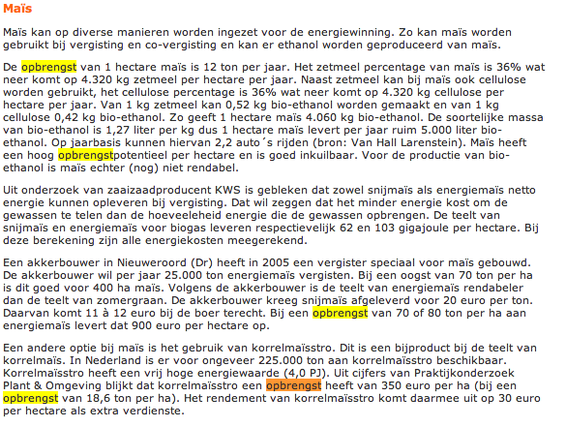

Sources | Page |  | Notes

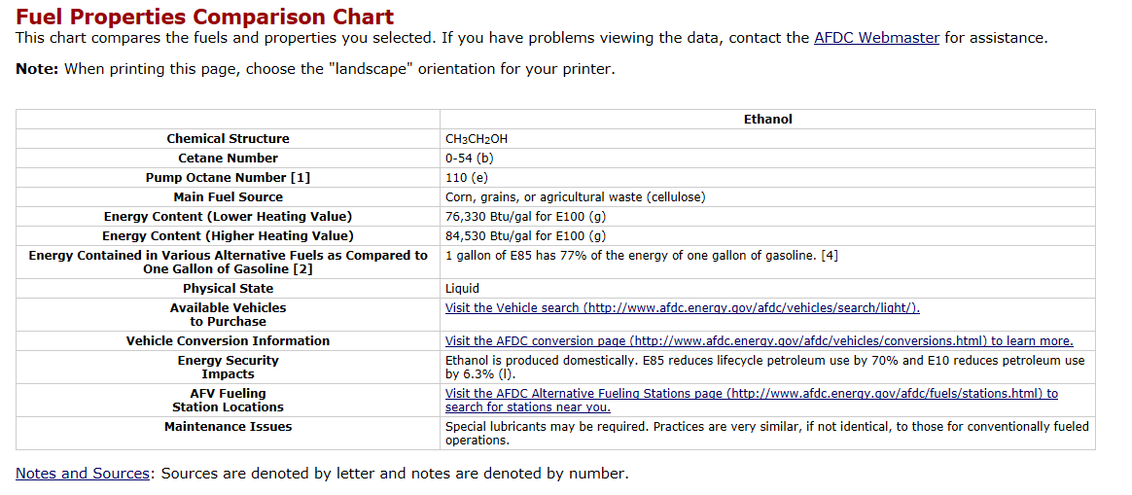
http://www.afdc.energy.gov/afdc/fuels/properties.html

 |  |  | 1055 | 1 BTU in joules per gallon
 |  |  | 3.78541178 | liter in a gallon

 |  | LowHeatingValue | 76330 | BTU/gal for E100, 100% bio-ethanol
 |  |  | 80528150 | joules per gallon
 |  |  | 80.52815 | MJ per gallon
 |  | energie dichtheid | 21.273286681 | MJ per Liter

Sources | Page |  | Notes
http://www.localenergy.org/pdfs/Document%20Library/Bioenergy%20conversion%20factors.pdf
 | 3
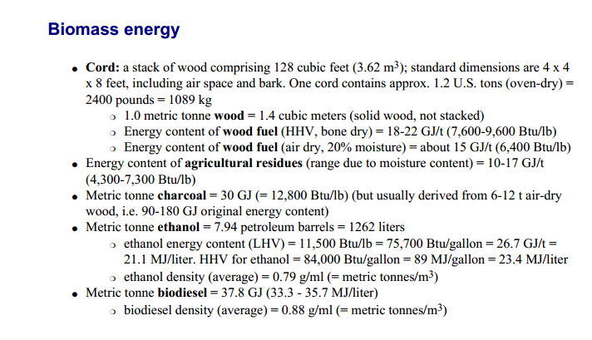
 |  | LHV | 21.1 | MJ/L
 |  | HHV | 23.4 | MJ/L

 |  | NB: 23,4: Deze waarde staat nu voor energiedichtheid, in deze bron is dezelfde waarde HHV

Sources | Page |  | Notes

CE_Delft_201109_Toelichting_ketenkentallen_incl_biodiesel_bio-ethanol_(LCA).pdf

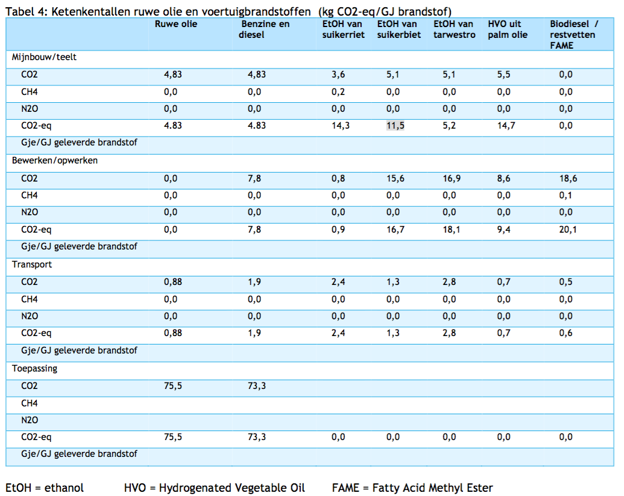

 | 12

 |  | from sugar beets
 |  | co2_exploration_per_mj |  |  | 0 | kg CO2 eq/GJ | not relevant
 |  | co2_extraction_per_mj |  |  | 11.5 | kg CO2 eq/GJ
 |  | co2_treatment_per_mj |  |  | 16.7 | kg CO2 eq/GJ
 |  | co2_transportation_per_mj |  |  | 1.3 | kg CO2 eq/GJ
 |  | co2_conversion_per_mj |  |  | 0 | kg CO2 eq/GJ
 |  | co2_waste_treatment_per_mj |  |  | 0 | kg CO2 eq/GJ | not relevant

 |  | co2_exploration_per_mj |  |  | 0 | kg CO2 eq/GJ | not relevant
 |  | co2_extraction_per_mj |  |  | 0.0115 | kg CO2 eq/GJ
 |  | co2_treatment_per_mj |  |  | 0.0167 | kg CO2 eq/GJ
 |  | co2_transportation_per_mj |  |  | 0.0013 | kg CO2 eq/GJ
 |  | co2_conversion_per_mj |  |  | 0 | kg CO2 eq/GJ
 |  | co2_waste_treatment_per_mj |  |  | 0 | kg CO2 eq/GJ | not relevant

 |  | from sugar cane
 |  | co2_exploration_per_mj |  |  | 0 | kg CO2 eq/GJ | not relevant
 |  | co2_extraction_per_mj |  |  | 14.3 | kg CO2 eq/GJ
 |  | co2_treatment_per_mj |  |  | 0.9 | kg CO2 eq/GJ
 |  | co2_transportation_per_mj |  |  | 2.4 | kg CO2 eq/GJ
 |  | co2_conversion_per_mj |  |  | 0 | kg CO2 eq/GJ
 |  | co2_waste_treatment_per_mj |  |  | 0 | kg CO2 eq/GJ | not relevant

 |  | co2_exploration_per_mj |  |  | 0 | kg CO2 eq/GJ | not relevant
 |  | co2_extraction_per_mj |  |  | 0.0143 | kg CO2 eq/GJ
 |  | co2_treatment_per_mj |  |  | 0.0009 | kg CO2 eq/GJ
 |  | co2_transportation_per_mj |  |  | 0.0024 | kg CO2 eq/GJ
 |  | co2_conversion_per_mj |  |  | 0 | kg CO2 eq/GJ
 |  | co2_waste_treatment_per_mj |  |  | 0 | kg CO2 eq/GJ | not relevant

