Notes
Sources | Page |  | Notes

EU JRC_201111_Well-to-wheel analysis of future automotive fuels and powertrains in the European context (version 3c) WTT Appendix 1
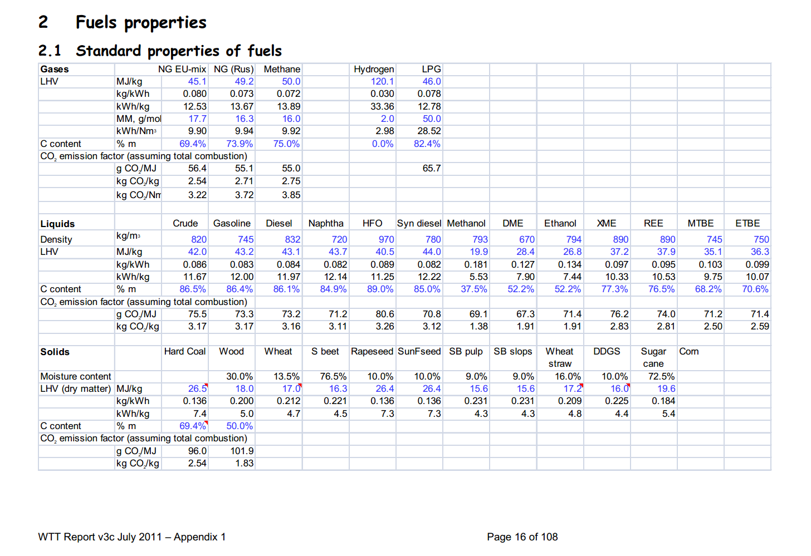

 | 16 | Crude | 820 | kg/m3 | Density
 |  |  | 42 | MJ/KG | LHV
 |  |  | 0.82 | kg/dm3 | transform to kg/Liter
 |  |  | 34.44 | MJ/L | LHV
 |  |  | 0.0755 | kg CO2/MJ | Co2 emission factor

Sources | Page |  | Notes

CE_Delft_201109_Toelichting_ketenkentallen_incl_biodiesel_bio-ethanol_(LCA).pdf

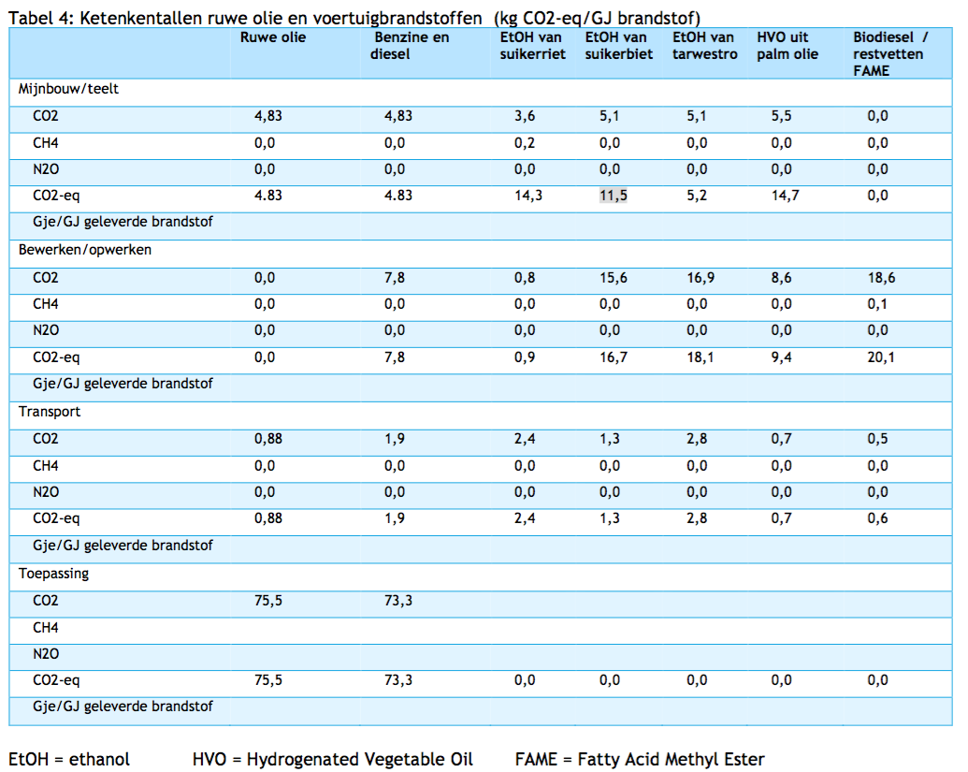

 | 12

 |  | Crude oil
 |  | co2_exploration_per_mj |  |  | 0 | kg CO2 eq/GJ | not relevant
 |  | co2_extraction_per_mj |  |  | 4.83 | kg CO2 eq/GJ
 |  | co2_treatment_per_mj |  |  | 0 | kg CO2 eq/GJ
 |  | co2_transportation_per_mj |  |  | 0.88 | kg CO2 eq/GJ
 |  | co2_conversion_per_mj |  |  | 75.5 | kg CO2 eq/GJ
 |  | co2_waste_treatment_per_mj |  |  | 0 | kg CO2 eq/GJ | not relevant

 |  | co2_exploration_per_mj |  |  | 0 | kg CO2 eq/GJ | not relevant
 |  | co2_extraction_per_mj |  |  | 0.00483 | kg CO2 eq/GJ
 |  | co2_treatment_per_mj |  |  | 0 | kg CO2 eq/GJ
 |  | co2_transportation_per_mj |  |  | 0.00088 | kg CO2 eq/GJ
 |  | co2_conversion_per_mj |  |  | 0.0755 | kg CO2 eq/GJ
 |  | co2_waste_treatment_per_mj |  |  | 0 | kg CO2 eq/GJ | not relevant

