Notes
Sourcse | Notes
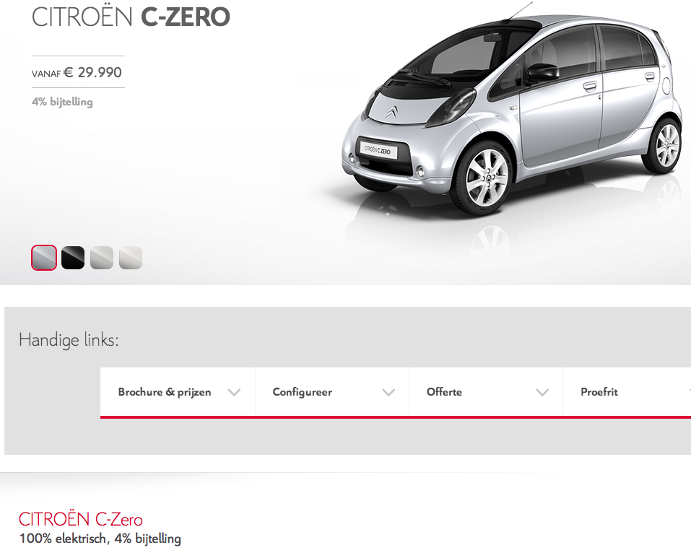

Citroen

 | 29990 | euro

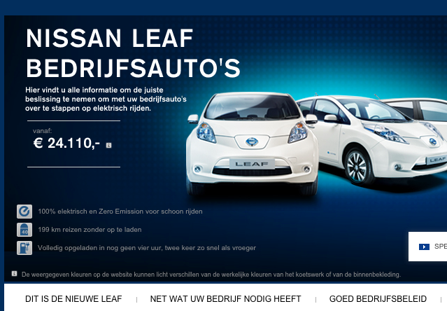
Nissan

 | 24110 | euro

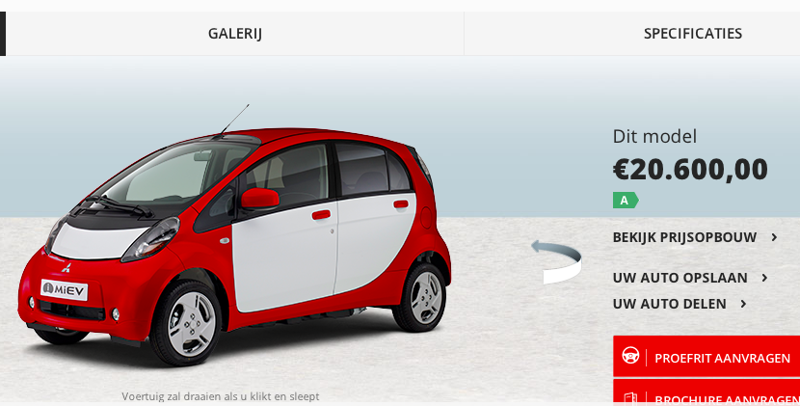
Mitsubishi

 | 20600 | euro

Wgeningen UR
p.25

 | 180 | euro/yr

usc
p.17

 | 15 | yr

