Notes
Sources | Notes
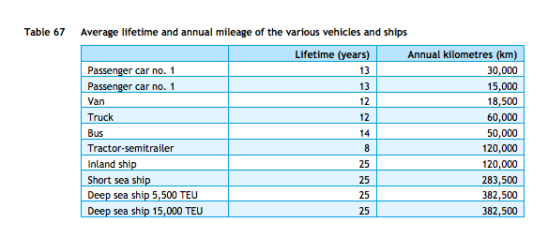

cedelft-ecn-tno
p.87

12 | yr

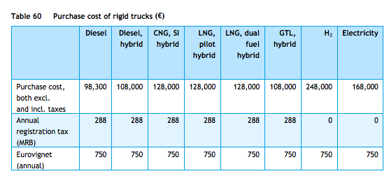
p.85

128000 | euro

jbhunt
p.3

50000 | miles/yr

p.1

0.02 | $/mile
0.0155 | euro/mile

