Notes
Sources | Page | Notes

EU JRC_201111_Well-to-wheel analysis of future automotive fuels and powertrains in the European context (version 3c) WTT Appendix 1
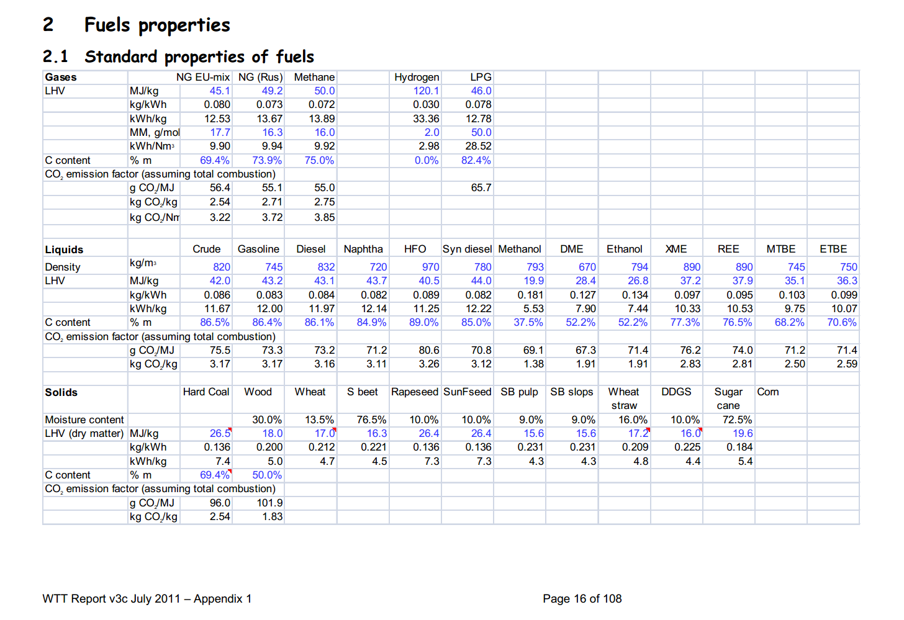

 |  | hydrogen
 | 16
 |  | 120.1 | MJ/KG | LHV

Sources | Page | Notes

DOE_Hydrogen_analysis_resource_center

 | 1 | 0.08375 | kg/m^3 |  |  | Density (NTP) | [1, b] | 0.08375 | kg/m3
 |  | 0.00008375 | kg/L |  |  | [1] NTP (normal temperature and pressure) = 20 oC (68 oF) and 1 atm;

Sources | Page | Notes

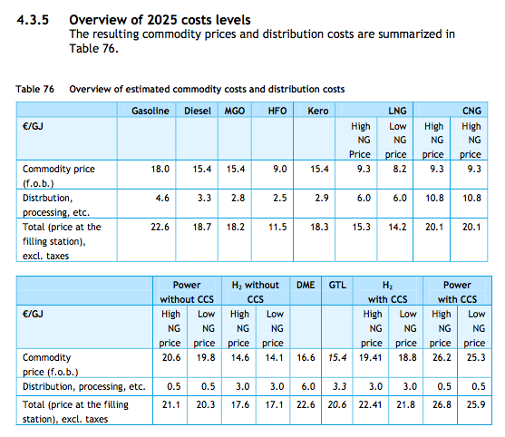
ce delft-ecn-tno

 | p.99

 |  | NOTE:2025

 |  | H2 without CCS total price

 |  | 17.6 | cost_per_GJ |  | High NG
 |  | 17.1 | cost_per_GJ |  | Low NG

 |  | 17.35 | cost_per_GJ
 |  | 0.01735 | euro/MJ

 |  | Price not used as it follow from the production pathway chosen

Sources | Page | Notes

Sources | Page | Notes

Sources | Page | Notes

Sources | Page | Notes

Sources | Page | Notes

Sources | Page | Notes

Sources | Page | Notes

