Notes
Sources | Page | Notes

http://www.statoilaviation.com/en_EN/pg1332347009500/ar1334072083204/SFRAviation/fuel_jeta1.html

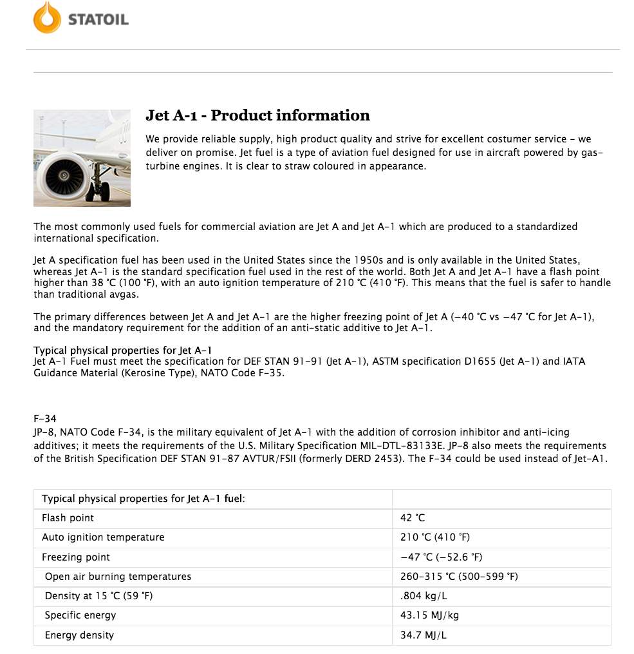
 |  | Product information
 |  | Jet A-1

 |  | 0.804 | kg/L
 |  | 43.15 | MJ/kg
 |  | 34.6926 | MJ/L

Sources | Page | Notes

http://www.indexmundi.com/commodities/?commodity=jet-fuel&currency=eur
 |  | Fuel price

 |  |  |  |  | EUR/Gallon
 |  |  |  |  | Month | Price
 |  | 1.225 | EUR/US Gallon | 6 month average 2015 | Jul-15 | 1.4
 |  | 3.78541 | L/US Gallon |  | Aug-15 | 1.25
 |  | 0.32361091665 | EUR/L |  | Sep-15 | 1.24
 |  | 0.0093279522622 | EUR/MJ |  | Oct-15 | 1.24
 |  |  |  |  | Nov-15 | 1.23
 |  |  |  |  | Dec-15 | 0.99

