Notes
Source | Page | Notes

This central steam methane reforming plant is based on the Air Liquide plant in the Botlek area. It is CCS-ready, so it will also be the reference plant of this plant.

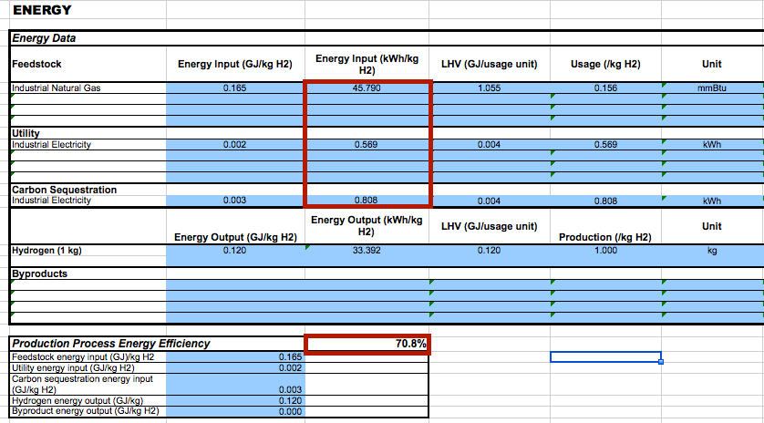

DOE:hydrogen_analysis_center

inputs

 |  | 45.79 | kWh | input.network_gas | (can be network gas)
 |  | 1.377 | kWh | input.electricity

 |  | 0.97080586003 |  | input.network_gas
 |  | 0.029194139971 |  | input.electricity

 |  | 0.708 |  | output.hydrogen

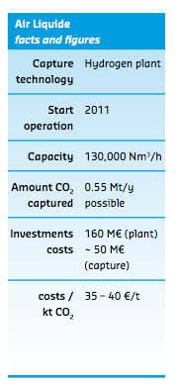

Rotterdam climate initiative

p.23

 |  | 130000 | Nm3/h

 |  | 0.08375 | kg/m3
 |  | 120.1 | MJ/kg

 |  | 1307588.75 | MJ/hr
 |  | 261300 | kg/day
 |  | 363.21909722 | MW | hydrogen_output_capacity
 |  | 513.02132376 | MW | typical_input_capacity

 |  | 160000000 | euro | initial investment

Compendium of Hydrogen Energy Volume 4: Hydrogen Use, Safety and the Hydrogen Economy

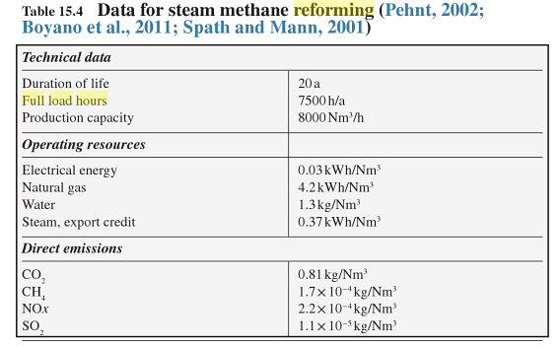
p.347
 |  | 7500 | FLH/yr

DOE
Hydrogen and fuel cells program
Production case studies
Current central hydrogen production with natural gas without CCS 3.1 |  |  |  |  |  |  | Exchange rate | Unit | Value | Definition | Date | Source

User set parameters |  | 1.098 | USD/eur | USD-euro conversion ratio |  |  | dollar_per_euro | USD/EUR | 1.098 | Running Month Average | 2015-08-05 | http://www.ecb.europa.eu/stats/exchange/eurofxref/html/eurofxref-graph-usd.en.html
2012 USD
261300 kg/day production
No taxes
No inflation
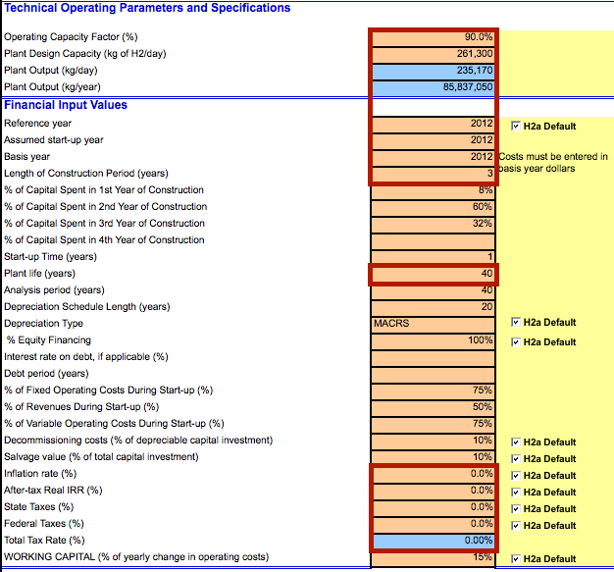

 |  | 90 | % | Operating Capacity Factor
 |  | 0.9 |  | Availability
 |  | 7500 | FLH/yr

 |  | 40 | yr | technical lifetime
 |  | 3 | yr | construction time

 |  | 10 | % | of depreciable capital investment |  | decommissioning costs
 |  | 0.1 |  | decommissioning costs factor

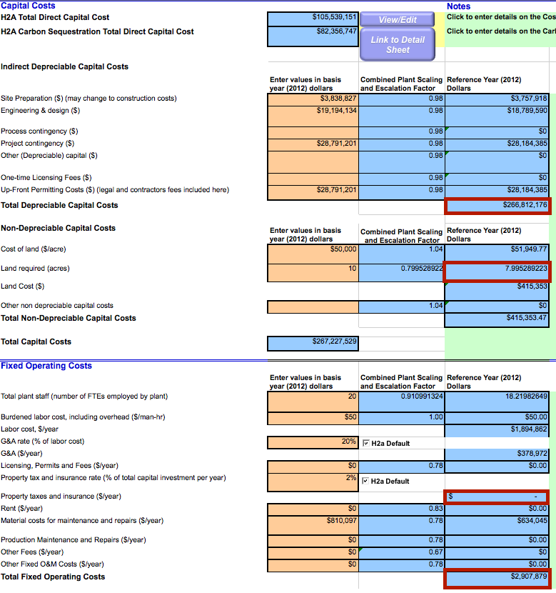

 |  | 266812176 | USD | total depreciable capital costs
 |  | 242998338.8 | euro
 |  | 24299833.88 | euro | decomissioning cost

 |  | 7.995289223 | acres | land use per plant
 |  | 0.032355816145 | km2 | land use per plant

 |  | 150280948 | USD | initial investment
 |  | 136867894.35 | euro | initial investment

 |  | 2907879 | USD/yr | fixed operating and maintenance costs per year
 |  | 2648341.5301 | euro/yr | fixed operating and maintenance costs per year

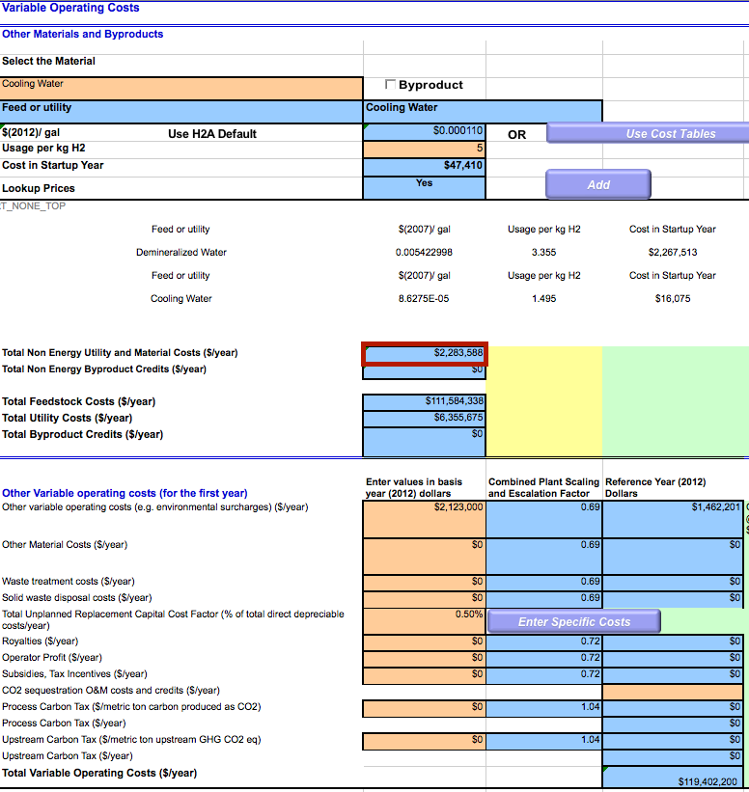

 |  | 2283588 | USD/yr | variable operating and maintenance costs per year
 |  | 2079770.4918 | euro/yr | variable operating and maintenance costs per year
 |  |  |  | does not include feedstock and utility cost, as the ETM calculates that already

 |  | 9806915625 | MJ/yr | yearly production
 |  | 0.00021207182475 | euro/MJ | variable operating and maintenance costs per MJ
 |  | 277.30273224 | euro/FLH | variable operating and maintenance costs per FLH

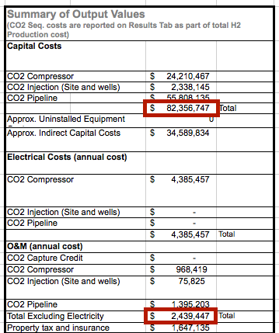

 |  | 82356747 | USD | ccs_investment
 |  | 75006144.809 | euro

 |  | 34589834 | USD
 |  | 31502581.056 | euro
 |  | 106508725.87 | euro | ccs_investment

 |  | 0 | USD/yr | variable o&m
 |  | 0 | euro/yr | variable o&m
 |  |  |  | ETM calculates electricity costs already

 |  | 2439447 | USD/yr | fixed o&m per year
 |  | 2221718.5792 | euro/yr | fixed o&m per year

 |  | 0.9 |  | free_co2_factor

