Notes
Source | Parameter | Value | Unit | Downloaded from
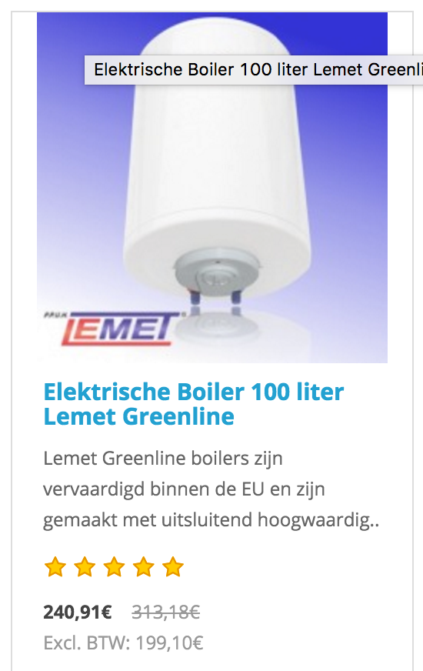
Lemet |  |  |  | http://elektrischeboiler.eu/lemet-elektrische-boiler

 | Investement costs | 199.10 | EUR

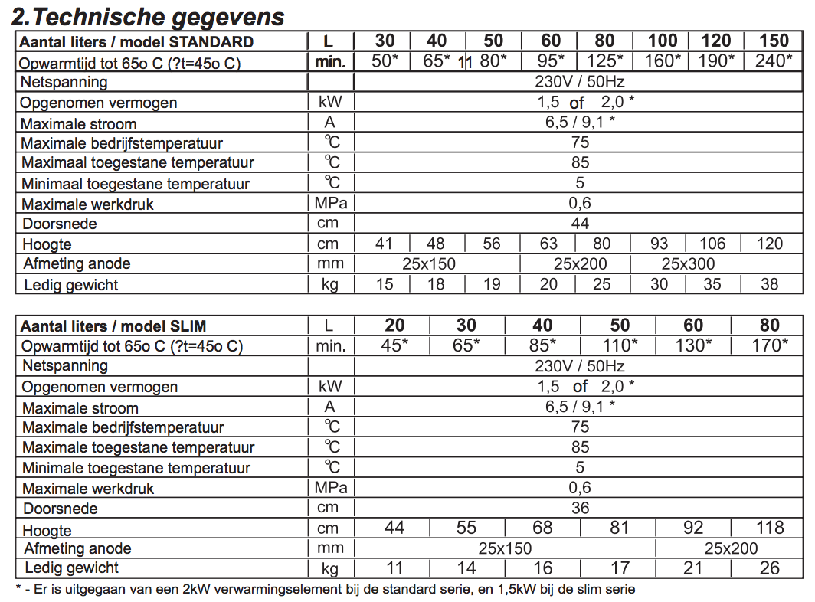

Lemet | Volume | 100 | L | http://elektrischeboiler.eu/lemet-elektrische-boiler/elektrische-boiler-100-liter-lemet

 | Power | 2.0 | kW

 | Max. operational temperature | 75 | °C

Wikipedia | Heat capacity water | 4.2 | J/(g*K)
 |  | 4200 | J/(kg*K)
 | Density water | 1000.0 | kg/m3
 |  | 1.0 | kg/L

Lenntech | Average temp. pipeline water | 13 | °C | http://www.lenntech.nl/recycle1.htm
 | (i.e. the input water for the boiler)

General | Joule to MWh conversion | 2.7777777778E-10 | kWh/J
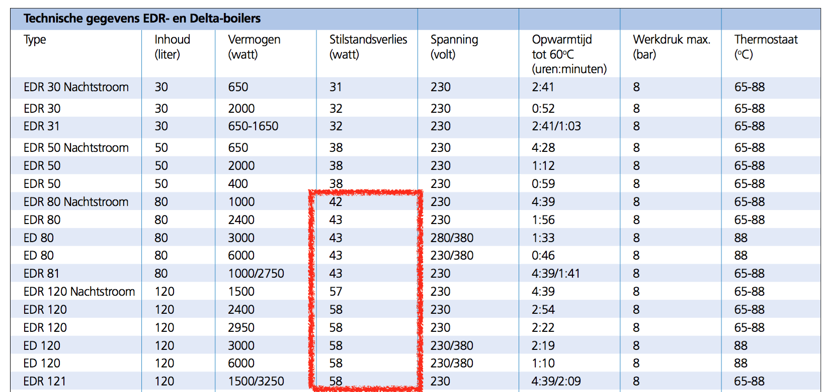
Inventum | Standby losses | 50 | W | http://www.inventum.com/producten/grote-elektrische-boilers/delta-boiler
 | (average of 80 and 120 L boilers)

