Notes
Source | Link | Notes

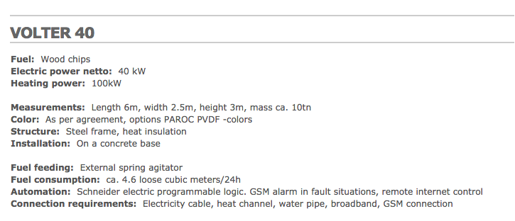
volter | http://www.volter.si/biomass-chp-micro-cogeneration-products-en-3.html#

