Notes
Source | Notes

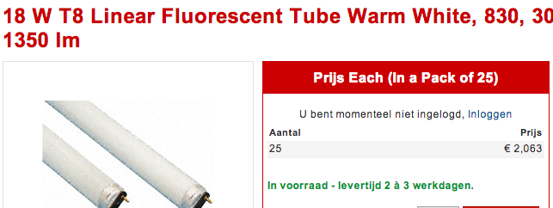
nl.rs
 | Osmar

 | 2.06

 | Sylvania

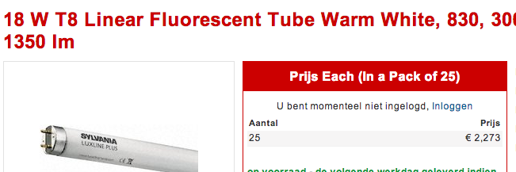

 | 2.273

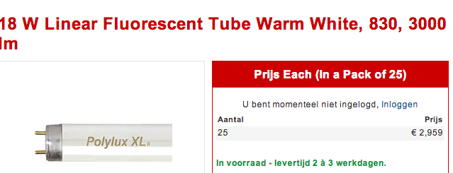
 | GE

 | 2.959

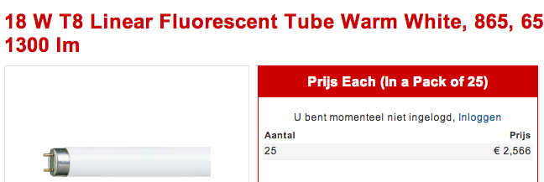
 | Philips

 | 2.566

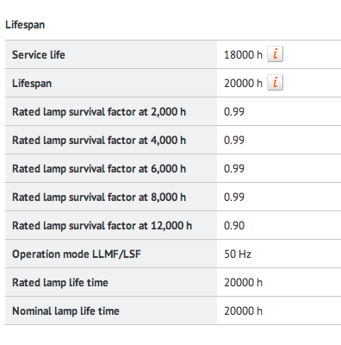

Osmar

 | 20000 | h

GE
p.2

 | 20000 | h

Philips

 | 20000 | h

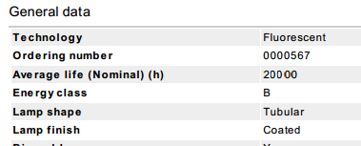
Sylvania
p.2

 | 20000 | h

US.Deparment
p.9

 | 15 | min for 2 lamps

 | 65 | $/h
 | 50.33 | euro/hr

