Notes
Source | Notes

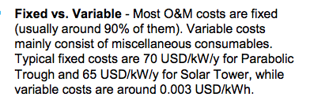
sbc
p.45

 | 65 | $/KW
 | 50.5 | euro/kw

 | 3 | $/MWh
 | 2.24 | euro/MWh

p.57

 | 50 | MW
 | 1 | km2

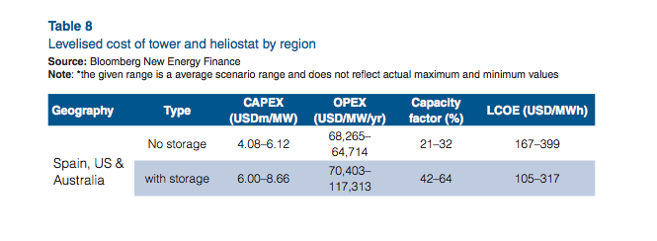
worlenergy
p.24

 | 4080 | $/KW
 | 3170 | euro/KW

 | 68.26 | $/KW
 | 52.8 | euro/KW

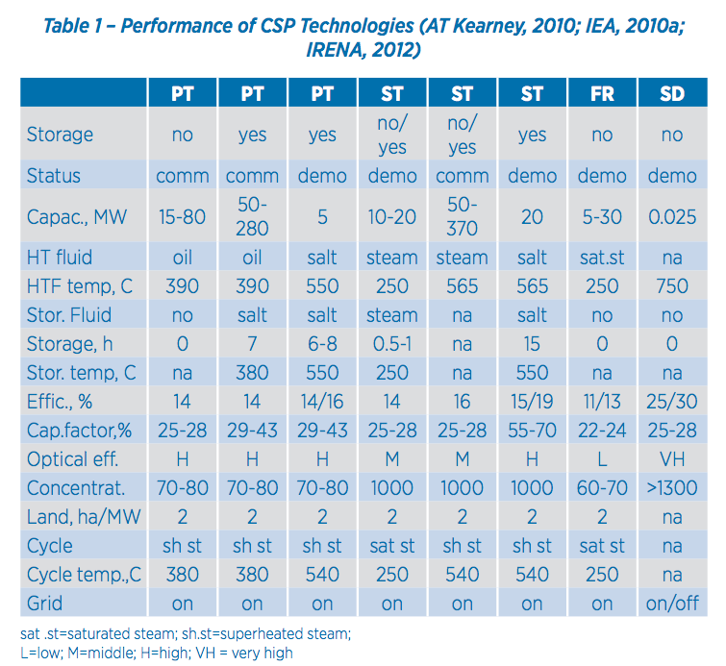
IRENA
p.13

 |  | 2 | ha/MW

p.25 |  | Lifetime | 30 y
 |  | Construction | 1-3 y

p.4

 |  | 4200 | $/KW
 |  | 3263 | euro/KW

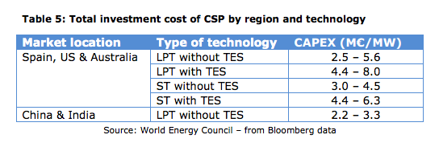
EC
p.23

 |  | 3000 | euro/KW

