Notes
Source | Notes
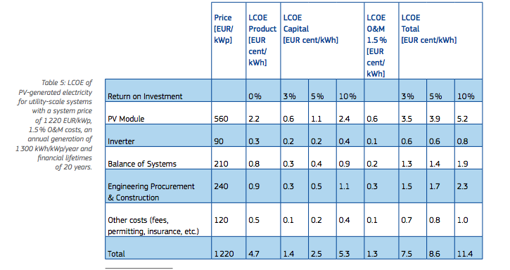
EC
p.32

 | 1.5%

 | 560

 | 90

 | 210

 | 240

 | 120

 | 1220

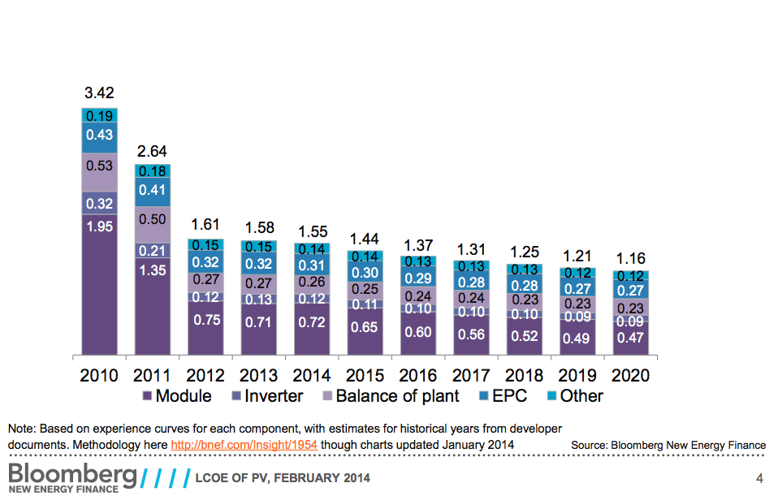
Blomberg
p.4

 | 1 $(2013)=0.75 euro

 | 0.14 | $/W
 | 0.105 | euro/W

 | 0.31 | $/W
 | 0.232 | euro/W

 | 0.26 | $/W
 | 0.195 | euro/W

 | 0.12 | $/W
 | 0.09 | euro/W

 | 0.72 | $/W
 | 0.54 | euro/W

IEA
p.43

 | 25

p.165

 | 6 | months
 | 24

NREL
p.39

12 | months

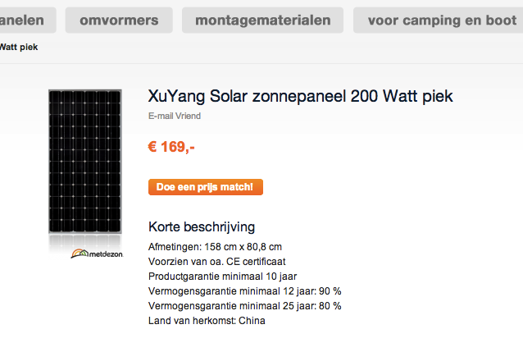

Zonnepanel

 |  | 200 | Wp
 |  | 158 | cm
 |  | 80.8 | cm
 |  | 25

Bespaarbazaar

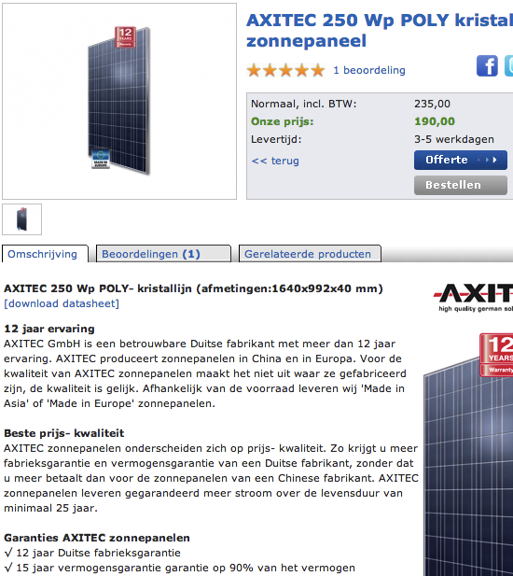

 |  | 250 | Wp
 |  | 1640 | mm
 |  | 992 | mm

 |  | 25

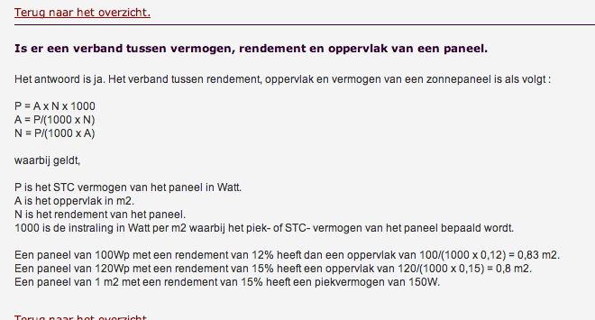
Siderea

 |  | 150 | Wp
 |  | 1 | m2

