Notes
Source | Notes


nl.rs
 | Osmar

 | 6.35

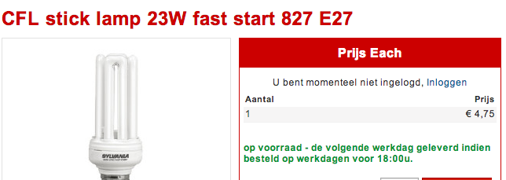

 | Sylvania

 | 4.75


 | GE

 | 6.54

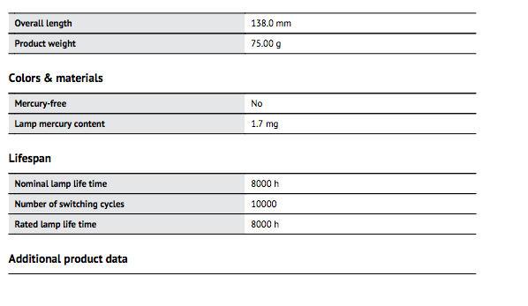
Osmar
p.3

 | 8000 | h

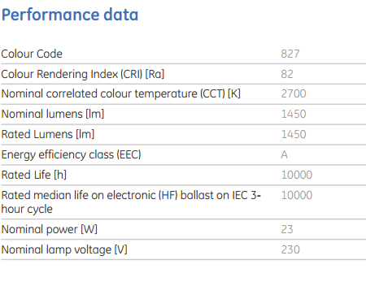
GE

 | 10000 | h

Sylvania
p.1


 | 10000 | h

