Notes
Source | Notes

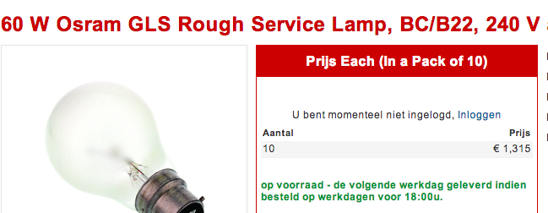
nl.rs
 | Osmar

 | 1.315

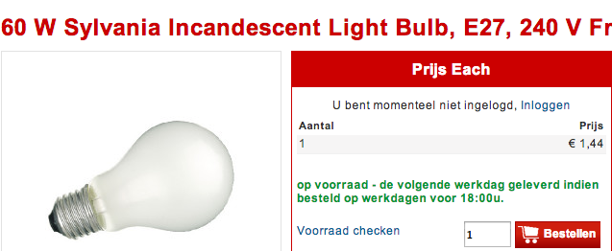

 | Sylvania

 | 1.44

 | Philips
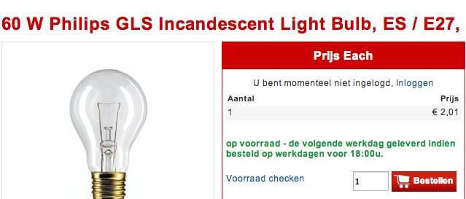

 | 2.01

Sylvania
p.1



 | 1000 | h

Osmar

 | 1000 | h

Philips
p.1

 | 1000 | h

